TUBGCP4 _multivariate
Reported by Tex Li-Hsing Chi. tex@gate.sinica.edu.tw 2019-08-15

Table 2. The clinicopathological features of HNSCC cohort and TUBGCP4 expression. (Chi square test)
Cutoff at -0.123 (49.8%)
 |  | TUBGCP4 expression |  | TUBGCP4 expression |  | (Optimised)
 | Features | Low | (%) | High | (%) | Case no | P-value | Remark | Matthews
Gender | Female | 145 | 34.9 | 161 | 38.8 | 415 | 0.1116 | 0 | 0
2 | Male | 62 | 14.9 | 47 | 11.3
Age at diagnosis | <=65y | 136 | 32.8 | 138 | 33.3 | 415 | 0.9719 | 0 | 0
4 | >65y | 71 | 17.1 | 70 | 16.9
Clinical T Status | T1+T2 | 81 | 19.5 | 68 | 16.4 | 415 | 0.206 | 0 | 0
6 | T3+T4 | 126 | 30.4 | 140 | 33.7
Clinical N Status | N0 | 107 | 25.8 | 109 | 26.3 | 415 | 0.9624 | 0 | 0
8 | N1-3 | 100 | 24.1 | 99 | 23.9
Clinical M Status | M0 | 206 | 49.6 | 206 | 49.6 | 415 | 1 | 0 | 0
10 | M1 | 1 | 0.2 | 2 | 0.5
Clinical Stage | Stage I+II | 55 | 13.3 | 47 | 11.3 | 415 | 0.4087 | 0 | 0
12 | Stage III+IV | 152 | 36.6 | 161 | 38.8
Surgical Margin status | Negative | 156 | 37.6 | 162 | 39 | 415 | 0.5636 | 0 | 0
14 | Positive | 51 | 12.3 | 46 | 11.1
Tobacco Exposure | Low | 97 | 23.4 | 64 | 15.4 | 415 | 9e-04 | 1 | 0
16 | High | 110 | 26.5 | 144 | 34.7

Table 3. Univariate/Multivariate Cox's proportional hazards regression analyses on OS time of TUBGCP4 gene expression in HNSCC

 |  | Univariate |  |  |  | Multivariate
 | Features | HR | CI95%(L) | CI95%(H) | P-value | HR | CI95%(L) | CI95%(H) | P-value
1 | Female | 1 |  |  |  | 1
Gender | Male | 1.157 | 0.843 | 1.587 | 0.367 | 1.224 | 0.875 | 1.711 | 0.238
11 | <=65y | 1 |  |  |  | 1
Age at diagnosis | >65y | 1.329 | 0.99 | 1.784 | 0.058 | 1.401 | 1.03 | 1.904 | 0.032
12 | T1+T2 | 1 |  |  |  | 1
Clinical T Status | T3+T4 | 1.409 | 1.028 | 1.931 | 0.033 | 2.169 | 1.147 | 4.101 | 0.017
13 | N0 | 1 |  |  |  | 1
Clinical N Status | N1-3 | 1.185 | 0.89 | 1.577 | 0.246 | 1.262 | 0.883 | 1.802 | 0.202
14 | M0 | 1 |  |  |  | 1
Clinical M Status | M1 | 4.097 | 1.009 | 16.644 | 0.049 | 9.143 | 1.994 | 41.923 | 0.004
15 | Stage I+II | 1 |  |  |  | 1
Clinical Stage | Stage III+IV | 1.245 | 0.882 | 1.759 | 0.213 | 0.499 | 0.232 | 1.071 | 0.074
16 | Negative | 1 |  |  |  | 1
Surgical Margin status | Positive | 1.591 | 1.155 | 2.191 | 0.004 | 1.704 | 1.232 | 2.357 | 0.001
17 | Low | 1 |  |  |  | 1
Tobacco Exposure | High | 1.364 | 1.008 | 1.844 | 0.044 | 1.412 | 1.023 | 1.95 | 0.036
18 | Low | 1 |  |  |  | 1
RNAseq(z-score) | High | 1.269 | 0.951 | 1.695 | 0.106 | 1.264 | 0.941 | 1.699 | 0.12

Table 4. Univariate/Multivariate Cox's proportional hazards regression analyses on RFS time of TUBGCP4 gene expression in HNSCC

 |  | Univariate |  |  |  | Multivariate
 | Features | HR | CI95%(L) | CI95%(H) | P-value | HR | CI95%(L) | CI95%(H) | P-value
1 | Female | 1 |  |  |  | 1
Gender | Male | 1.157 | 0.843 | 1.587 | 0.367 | 1.224 | 0.875 | 1.711 | 0.238
11 | <=65y | 1 |  |  |  | 1
Age at diagnosis | >65y | 1.329 | 0.99 | 1.784 | 0.058 | 1.401 | 1.03 | 1.904 | 0.032
12 | T1+T2 | 1 |  |  |  | 1
Clinical T Status | T3+T4 | 1.409 | 1.028 | 1.931 | 0.033 | 2.169 | 1.147 | 4.101 | 0.017
13 | N0 | 1 |  |  |  | 1
Clinical N Status | N1-3 | 1.185 | 0.89 | 1.577 | 0.246 | 1.262 | 0.883 | 1.802 | 0.202
14 | M0 | 1 |  |  |  | 1
Clinical M Status | M1 | 4.097 | 1.009 | 16.644 | 0.049 | 9.143 | 1.994 | 41.923 | 0.004
15 | Stage I+II | 1 |  |  |  | 1
Clinical Stage | Stage III+IV | 1.245 | 0.882 | 1.759 | 0.213 | 0.499 | 0.232 | 1.071 | 0.074
16 | Negative | 1 |  |  |  | 1
Surgical Margin status | Positive | 1.591 | 1.155 | 2.191 | 0.004 | 1.704 | 1.232 | 2.357 | 0.001
17 | Low | 1 |  |  |  | 1
Tobacco Exposure | High | 1.364 | 1.008 | 1.844 | 0.044 | 1.412 | 1.023 | 1.95 | 0.036
18 | Low | 1 |  |  |  | 1
RNAseq(z-score) | High | 1.269 | 0.951 | 1.695 | 0.106 | 1.264 | 0.941 | 1.699 | 0.12

Kaplan-Meier survival estimate: Cutoff at -0.123 (49.8%)



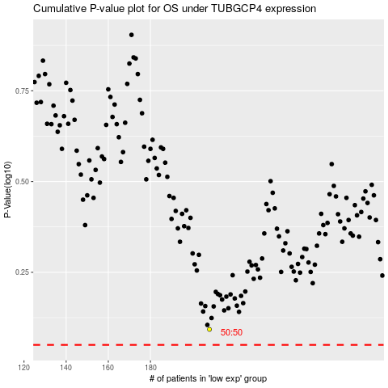

 |  |  |  |  |  | cases_OS | p_OS | rank | exp
 |  |  |  |  |  |  | cases_RFS | p_RFS | rank | exp

