TUBGCP5 _multivariate
Reported by Tex Li-Hsing Chi. tex@gate.sinica.edu.tw 2019-08-15

Table 2. The clinicopathological features of HNSCC cohort and TUBGCP5 expression. (Chi square test)
Cutoff at -0.146 (49.8%)
 |  | TUBGCP5 expression |  | TUBGCP5 expression |  | (Optimised)
 | Features | Low | (%) | High | (%) | Case no | P-value | Remark | Matthews
Gender | Female | 150 | 36.1 | 156 | 37.6 | 415 | 0.6344 | 0 | 0
2 | Male | 57 | 13.7 | 52 | 12.5
Age at diagnosis | <=65y | 142 | 34.2 | 132 | 31.8 | 415 | 0.3167 | 0 | 0
4 | >65y | 65 | 15.7 | 76 | 18.3
Clinical T Status | T1+T2 | 82 | 19.8 | 67 | 16.1 | 415 | 0.1417 | 0 | 0
6 | T3+T4 | 125 | 30.1 | 141 | 34
Clinical N Status | N0 | 103 | 24.8 | 113 | 27.2 | 415 | 0.4047 | 0 | 0
8 | N1-3 | 104 | 25.1 | 95 | 22.9
Clinical M Status | M0 | 205 | 49.4 | 207 | 49.9 | 415 | 0.6232 | 0 | 0
10 | M1 | 2 | 0.5 | 1 | 0.2
Clinical Stage | Stage I+II | 55 | 13.3 | 47 | 11.3 | 415 | 0.4087 | 0 | 0
12 | Stage III+IV | 152 | 36.6 | 161 | 38.8
Surgical Margin status | Negative | 167 | 40.2 | 151 | 36.4 | 415 | 0.0632 | 0 | 0
14 | Positive | 40 | 9.6 | 57 | 13.7
Tobacco Exposure | Low | 85 | 20.5 | 76 | 18.3 | 415 | 0.3655 | 0 | 0
16 | High | 122 | 29.4 | 132 | 31.8

Table 3. Univariate/Multivariate Cox's proportional hazards regression analyses on OS time of TUBGCP5 gene expression in HNSCC

 |  | Univariate |  |  |  | Multivariate
 | Features | HR | CI95%(L) | CI95%(H) | P-value | HR | CI95%(L) | CI95%(H) | P-value
1 | Female | 1 |  |  |  | 1
Gender | Male | 1.157 | 0.843 | 1.587 | 0.367 | 1.202 | 0.86 | 1.681 | 0.281
11 | <=65y | 1 |  |  |  | 1
Age at diagnosis | >65y | 1.329 | 0.99 | 1.784 | 0.058 | 1.39 | 1.02 | 1.895 | 0.037
12 | T1+T2 | 1 |  |  |  | 1
Clinical T Status | T3+T4 | 1.409 | 1.028 | 1.931 | 0.033 | 2.201 | 1.164 | 4.164 | 0.015
13 | N0 | 1 |  |  |  | 1
Clinical N Status | N1-3 | 1.185 | 0.89 | 1.577 | 0.246 | 1.241 | 0.87 | 1.772 | 0.234
14 | M0 | 1 |  |  |  | 1
Clinical M Status | M1 | 4.097 | 1.009 | 16.644 | 0.049 | 9.407 | 2.052 | 43.123 | 0.004
15 | Stage I+II | 1 |  |  |  | 1
Clinical Stage | Stage III+IV | 1.245 | 0.882 | 1.759 | 0.213 | 0.505 | 0.235 | 1.083 | 0.079
16 | Negative | 1 |  |  |  | 1
Surgical Margin status | Positive | 1.591 | 1.155 | 2.191 | 0.004 | 1.67 | 1.207 | 2.311 | 0.002
17 | Low | 1 |  |  |  | 1
Tobacco Exposure | High | 1.364 | 1.008 | 1.844 | 0.044 | 1.453 | 1.055 | 2.002 | 0.022
18 | Low | 1 |  |  |  | 1
RNAseq(z-score) | High | 1.097 | 0.821 | 1.466 | 0.531 | 1.007 | 0.749 | 1.353 | 0.964

Table 4. Univariate/Multivariate Cox's proportional hazards regression analyses on RFS time of TUBGCP5 gene expression in HNSCC

 |  | Univariate |  |  |  | Multivariate
 | Features | HR | CI95%(L) | CI95%(H) | P-value | HR | CI95%(L) | CI95%(H) | P-value
1 | Female | 1 |  |  |  | 1
Gender | Male | 1.157 | 0.843 | 1.587 | 0.367 | 1.202 | 0.86 | 1.681 | 0.281
11 | <=65y | 1 |  |  |  | 1
Age at diagnosis | >65y | 1.329 | 0.99 | 1.784 | 0.058 | 1.39 | 1.02 | 1.895 | 0.037
12 | T1+T2 | 1 |  |  |  | 1
Clinical T Status | T3+T4 | 1.409 | 1.028 | 1.931 | 0.033 | 2.201 | 1.164 | 4.164 | 0.015
13 | N0 | 1 |  |  |  | 1
Clinical N Status | N1-3 | 1.185 | 0.89 | 1.577 | 0.246 | 1.241 | 0.87 | 1.772 | 0.234
14 | M0 | 1 |  |  |  | 1
Clinical M Status | M1 | 4.097 | 1.009 | 16.644 | 0.049 | 9.407 | 2.052 | 43.123 | 0.004
15 | Stage I+II | 1 |  |  |  | 1
Clinical Stage | Stage III+IV | 1.245 | 0.882 | 1.759 | 0.213 | 0.505 | 0.235 | 1.083 | 0.079
16 | Negative | 1 |  |  |  | 1
Surgical Margin status | Positive | 1.591 | 1.155 | 2.191 | 0.004 | 1.67 | 1.207 | 2.311 | 0.002
17 | Low | 1 |  |  |  | 1
Tobacco Exposure | High | 1.364 | 1.008 | 1.844 | 0.044 | 1.453 | 1.055 | 2.002 | 0.022
18 | Low | 1 |  |  |  | 1
RNAseq(z-score) | High | 1.097 | 0.821 | 1.466 | 0.531 | 1.007 | 0.749 | 1.353 | 0.964

Kaplan-Meier survival estimate: Cutoff at -0.146 (49.8%)



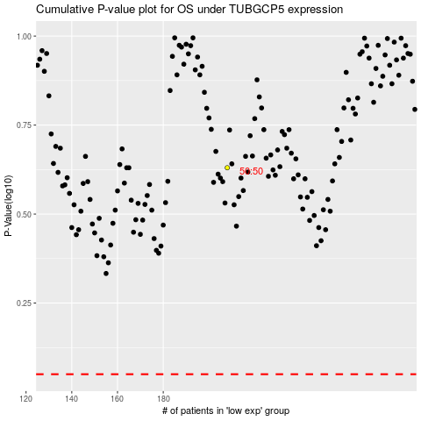

 |  |  |  |  |  | cases_OS | p_OS | rank | exp
 |  |  |  |  |  |  | cases_RFS | p_RFS | rank | exp

