TUFM _multivariate
Reported by Tex Li-Hsing Chi. tex@gate.sinica.edu.tw 2019-08-15

Table 2. The clinicopathological features of HNSCC cohort and TUFM expression. (Chi square test)
Cutoff at -0.181 (49.8%)
 |  | TUFM expression |  | TUFM expression |  | (Optimised)
 | Features | Low | (%) | High | (%) | Case no | P-value | Remark | Matthews
Gender | Female | 143 | 34.5 | 163 | 39.3 | 415 | 0.0416 | 1 | 0
2 | Male | 64 | 15.4 | 45 | 10.8
Age at diagnosis | <=65y | 136 | 32.8 | 138 | 33.3 | 415 | 0.9719 | 0 | 0
4 | >65y | 71 | 17.1 | 70 | 16.9
Clinical T Status | T1+T2 | 81 | 19.5 | 68 | 16.4 | 415 | 0.206 | 0 | 0
6 | T3+T4 | 126 | 30.4 | 140 | 33.7
Clinical N Status | N0 | 107 | 25.8 | 109 | 26.3 | 415 | 0.9624 | 0 | 0
8 | N1-3 | 100 | 24.1 | 99 | 23.9
Clinical M Status | M0 | 207 | 49.9 | 205 | 49.4 | 415 | 0.2482 | 0 | 0
10 | M1 | 0 | 0 | 3 | 0.7
Clinical Stage | Stage I+II | 58 | 14 | 44 | 10.6 | 415 | 0.131 | 0 | 0
12 | Stage III+IV | 149 | 35.9 | 164 | 39.5
Surgical Margin status | Negative | 161 | 38.8 | 157 | 37.8 | 415 | 0.6429 | 0 | 0
14 | Positive | 46 | 11.1 | 51 | 12.3
Tobacco Exposure | Low | 97 | 23.4 | 64 | 15.4 | 415 | 9e-04 | 1 | 0
16 | High | 110 | 26.5 | 144 | 34.7

Table 3. Univariate/Multivariate Cox's proportional hazards regression analyses on OS time of TUFM gene expression in HNSCC

 |  | Univariate |  |  |  | Multivariate
 | Features | HR | CI95%(L) | CI95%(H) | P-value | HR | CI95%(L) | CI95%(H) | P-value
1 | Female | 1 |  |  |  | 1
Gender | Male | 1.157 | 0.843 | 1.587 | 0.367 | 1.201 | 0.86 | 1.679 | 0.283
11 | <=65y | 1 |  |  |  | 1
Age at diagnosis | >65y | 1.329 | 0.99 | 1.784 | 0.058 | 1.389 | 1.022 | 1.889 | 0.036
12 | T1+T2 | 1 |  |  |  | 1
Clinical T Status | T3+T4 | 1.409 | 1.028 | 1.931 | 0.033 | 2.2 | 1.163 | 4.159 | 0.015
13 | N0 | 1 |  |  |  | 1
Clinical N Status | N1-3 | 1.185 | 0.89 | 1.577 | 0.246 | 1.243 | 0.871 | 1.775 | 0.23
14 | M0 | 1 |  |  |  | 1
Clinical M Status | M1 | 4.097 | 1.009 | 16.644 | 0.049 | 9.21 | 1.992 | 42.592 | 0.004
15 | Stage I+II | 1 |  |  |  | 1
Clinical Stage | Stage III+IV | 1.245 | 0.882 | 1.759 | 0.213 | 0.503 | 0.235 | 1.081 | 0.078
16 | Negative | 1 |  |  |  | 1
Surgical Margin status | Positive | 1.591 | 1.155 | 2.191 | 0.004 | 1.669 | 1.207 | 2.306 | 0.002
17 | Low | 1 |  |  |  | 1
Tobacco Exposure | High | 1.364 | 1.008 | 1.844 | 0.044 | 1.444 | 1.044 | 1.997 | 0.026
18 | Low | 1 |  |  |  | 1
RNAseq(z-score) | High | 1.147 | 0.861 | 1.528 | 0.349 | 1.038 | 0.774 | 1.392 | 0.802

Table 4. Univariate/Multivariate Cox's proportional hazards regression analyses on RFS time of TUFM gene expression in HNSCC

 |  | Univariate |  |  |  | Multivariate
 | Features | HR | CI95%(L) | CI95%(H) | P-value | HR | CI95%(L) | CI95%(H) | P-value
1 | Female | 1 |  |  |  | 1
Gender | Male | 1.157 | 0.843 | 1.587 | 0.367 | 1.201 | 0.86 | 1.679 | 0.283
11 | <=65y | 1 |  |  |  | 1
Age at diagnosis | >65y | 1.329 | 0.99 | 1.784 | 0.058 | 1.389 | 1.022 | 1.889 | 0.036
12 | T1+T2 | 1 |  |  |  | 1
Clinical T Status | T3+T4 | 1.409 | 1.028 | 1.931 | 0.033 | 2.2 | 1.163 | 4.159 | 0.015
13 | N0 | 1 |  |  |  | 1
Clinical N Status | N1-3 | 1.185 | 0.89 | 1.577 | 0.246 | 1.243 | 0.871 | 1.775 | 0.23
14 | M0 | 1 |  |  |  | 1
Clinical M Status | M1 | 4.097 | 1.009 | 16.644 | 0.049 | 9.21 | 1.992 | 42.592 | 0.004
15 | Stage I+II | 1 |  |  |  | 1
Clinical Stage | Stage III+IV | 1.245 | 0.882 | 1.759 | 0.213 | 0.503 | 0.235 | 1.081 | 0.078
16 | Negative | 1 |  |  |  | 1
Surgical Margin status | Positive | 1.591 | 1.155 | 2.191 | 0.004 | 1.669 | 1.207 | 2.306 | 0.002
17 | Low | 1 |  |  |  | 1
Tobacco Exposure | High | 1.364 | 1.008 | 1.844 | 0.044 | 1.444 | 1.044 | 1.997 | 0.026
18 | Low | 1 |  |  |  | 1
RNAseq(z-score) | High | 1.147 | 0.861 | 1.528 | 0.349 | 1.038 | 0.774 | 1.392 | 0.802

Kaplan-Meier survival estimate: Cutoff at -0.181 (49.8%)



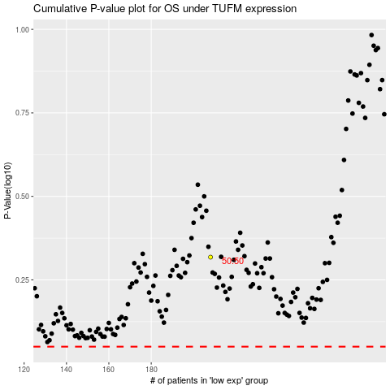

 |  |  |  |  |  | cases_OS | p_OS | rank | exp
 |  |  |  |  |  |  | cases_RFS | p_RFS | rank | exp

