TUFT1 _multivariate
Reported by Tex Li-Hsing Chi. tex@gate.sinica.edu.tw 2019-08-15

Table 2. The clinicopathological features of HNSCC cohort and TUFT1 expression. (Chi square test)
Cutoff at -0.24 (50.0%)
 |  | TUFT1 expression |  | TUFT1 expression |  | (Optimised)
 | Features | Low | (%) | High | (%) | Case no | P-value | Remark | Matthews
Gender | Female | 149 | 35.9 | 157 | 37.8 | 415 | 0.4848 | 0 | 0
2 | Male | 58 | 14 | 51 | 12.3
Age at diagnosis | <=65y | 133 | 32 | 141 | 34 | 415 | 0.5111 | 0 | 0
4 | >65y | 74 | 17.8 | 67 | 16.1
Clinical T Status | T1+T2 | 87 | 21 | 62 | 14.9 | 415 | 0.0127 | 1 | 0
6 | T3+T4 | 120 | 28.9 | 146 | 35.2
Clinical N Status | N0 | 104 | 25.1 | 112 | 27 | 415 | 0.5243 | 0 | 0
8 | N1-3 | 103 | 24.8 | 96 | 23.1
Clinical M Status | M0 | 205 | 49.4 | 207 | 49.9 | 415 | 0.6232 | 0 | 0
10 | M1 | 2 | 0.5 | 1 | 0.2
Clinical Stage | Stage I+II | 59 | 14.2 | 43 | 10.4 | 415 | 0.0822 | 0 | 0
12 | Stage III+IV | 148 | 35.7 | 165 | 39.8
Surgical Margin status | Negative | 156 | 37.6 | 162 | 39 | 415 | 0.5636 | 0 | 0
14 | Positive | 51 | 12.3 | 46 | 11.1
Tobacco Exposure | Low | 88 | 21.2 | 73 | 17.6 | 415 | 0.1314 | 0 | 0
16 | High | 119 | 28.7 | 135 | 32.5

Table 3. Univariate/Multivariate Cox's proportional hazards regression analyses on OS time of TUFT1 gene expression in HNSCC

 |  | Univariate |  |  |  | Multivariate
 | Features | HR | CI95%(L) | CI95%(H) | P-value | HR | CI95%(L) | CI95%(H) | P-value
1 | Female | 1 |  |  |  | 1
Gender | Male | 1.157 | 0.843 | 1.587 | 0.367 | 1.183 | 0.845 | 1.656 | 0.327
11 | <=65y | 1 |  |  |  | 1
Age at diagnosis | >65y | 1.329 | 0.99 | 1.784 | 0.058 | 1.387 | 1.02 | 1.887 | 0.037
12 | T1+T2 | 1 |  |  |  | 1
Clinical T Status | T3+T4 | 1.409 | 1.028 | 1.931 | 0.033 | 2.223 | 1.176 | 4.202 | 0.014
13 | N0 | 1 |  |  |  | 1
Clinical N Status | N1-3 | 1.185 | 0.89 | 1.577 | 0.246 | 1.199 | 0.837 | 1.716 | 0.322
14 | M0 | 1 |  |  |  | 1
Clinical M Status | M1 | 4.097 | 1.009 | 16.644 | 0.049 | 9.237 | 2.015 | 42.345 | 0.004
15 | Stage I+II | 1 |  |  |  | 1
Clinical Stage | Stage III+IV | 1.245 | 0.882 | 1.759 | 0.213 | 0.524 | 0.244 | 1.127 | 0.098
16 | Negative | 1 |  |  |  | 1
Surgical Margin status | Positive | 1.591 | 1.155 | 2.191 | 0.004 | 1.638 | 1.185 | 2.264 | 0.003
17 | Low | 1 |  |  |  | 1
Tobacco Exposure | High | 1.364 | 1.008 | 1.844 | 0.044 | 1.49 | 1.079 | 2.057 | 0.015
18 | Low | 1 |  |  |  | 1
RNAseq(z-score) | High | 0.802 | 0.602 | 1.069 | 0.132 | 0.805 | 0.599 | 1.083 | 0.151

Table 4. Univariate/Multivariate Cox's proportional hazards regression analyses on RFS time of TUFT1 gene expression in HNSCC

 |  | Univariate |  |  |  | Multivariate
 | Features | HR | CI95%(L) | CI95%(H) | P-value | HR | CI95%(L) | CI95%(H) | P-value
1 | Female | 1 |  |  |  | 1
Gender | Male | 1.157 | 0.843 | 1.587 | 0.367 | 1.183 | 0.845 | 1.656 | 0.327
11 | <=65y | 1 |  |  |  | 1
Age at diagnosis | >65y | 1.329 | 0.99 | 1.784 | 0.058 | 1.387 | 1.02 | 1.887 | 0.037
12 | T1+T2 | 1 |  |  |  | 1
Clinical T Status | T3+T4 | 1.409 | 1.028 | 1.931 | 0.033 | 2.223 | 1.176 | 4.202 | 0.014
13 | N0 | 1 |  |  |  | 1
Clinical N Status | N1-3 | 1.185 | 0.89 | 1.577 | 0.246 | 1.199 | 0.837 | 1.716 | 0.322
14 | M0 | 1 |  |  |  | 1
Clinical M Status | M1 | 4.097 | 1.009 | 16.644 | 0.049 | 9.237 | 2.015 | 42.345 | 0.004
15 | Stage I+II | 1 |  |  |  | 1
Clinical Stage | Stage III+IV | 1.245 | 0.882 | 1.759 | 0.213 | 0.524 | 0.244 | 1.127 | 0.098
16 | Negative | 1 |  |  |  | 1
Surgical Margin status | Positive | 1.591 | 1.155 | 2.191 | 0.004 | 1.638 | 1.185 | 2.264 | 0.003
17 | Low | 1 |  |  |  | 1
Tobacco Exposure | High | 1.364 | 1.008 | 1.844 | 0.044 | 1.49 | 1.079 | 2.057 | 0.015
18 | Low | 1 |  |  |  | 1
RNAseq(z-score) | High | 0.802 | 0.602 | 1.069 | 0.132 | 0.805 | 0.599 | 1.083 | 0.151

Kaplan-Meier survival estimate: Cutoff at -0.24 (50.0%)



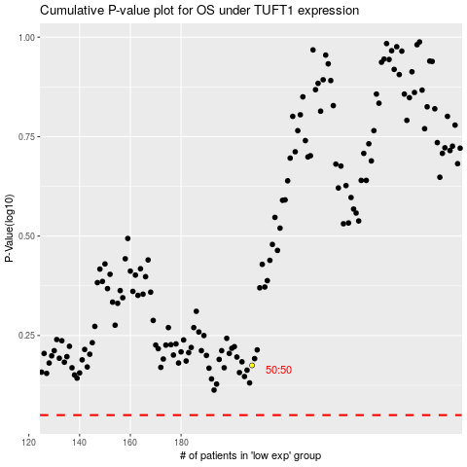

 |  |  |  |  |  | cases_OS | p_OS | rank | exp
 |  |  |  |  |  |  | cases_RFS | p_RFS | rank | exp

