TULP3 _multivariate
Reported by Tex Li-Hsing Chi. tex@gate.sinica.edu.tw 2019-08-15

Table 2. The clinicopathological features of HNSCC cohort and TULP3 expression. (Chi square test)
Cutoff at -0.272 (49.8%)
 |  | TULP3 expression |  | TULP3 expression |  | (Optimised)
 | Features | Low | (%) | High | (%) | Case no | P-value | Remark | Matthews
Gender | Female | 138 | 33.3 | 168 | 40.5 | 415 | 0.0016 | 1 | 0
2 | Male | 69 | 16.6 | 40 | 9.6
Age at diagnosis | <=65y | 132 | 31.8 | 142 | 34.2 | 415 | 0.3874 | 0 | 0
4 | >65y | 75 | 18.1 | 66 | 15.9
Clinical T Status | T1+T2 | 78 | 18.8 | 71 | 17.1 | 415 | 0.5152 | 0 | 0
6 | T3+T4 | 129 | 31.1 | 137 | 33
Clinical N Status | N0 | 112 | 27 | 104 | 25.1 | 415 | 0.4599 | 0 | 0
8 | N1-3 | 95 | 22.9 | 104 | 25.1
Clinical M Status | M0 | 205 | 49.4 | 207 | 49.9 | 415 | 0.6232 | 0 | 0
10 | M1 | 2 | 0.5 | 1 | 0.2
Clinical Stage | Stage I+II | 57 | 13.7 | 45 | 10.8 | 415 | 0.1998 | 0 | 0
12 | Stage III+IV | 150 | 36.1 | 163 | 39.3
Surgical Margin status | Negative | 159 | 38.3 | 159 | 38.3 | 415 | 1 | 0 | 0
14 | Positive | 48 | 11.6 | 49 | 11.8
Tobacco Exposure | Low | 93 | 22.4 | 68 | 16.4 | 415 | 0.0118 | 1 | 0
16 | High | 114 | 27.5 | 140 | 33.7

Table 3. Univariate/Multivariate Cox's proportional hazards regression analyses on OS time of TULP3 gene expression in HNSCC

 |  | Univariate |  |  |  | Multivariate
 | Features | HR | CI95%(L) | CI95%(H) | P-value | HR | CI95%(L) | CI95%(H) | P-value
1 | Female | 1 |  |  |  | 1
Gender | Male | 1.157 | 0.843 | 1.587 | 0.367 | 1.188 | 0.845 | 1.669 | 0.321
11 | <=65y | 1 |  |  |  | 1
Age at diagnosis | >65y | 1.329 | 0.99 | 1.784 | 0.058 | 1.389 | 1.022 | 1.889 | 0.036
12 | T1+T2 | 1 |  |  |  | 1
Clinical T Status | T3+T4 | 1.409 | 1.028 | 1.931 | 0.033 | 2.201 | 1.164 | 4.162 | 0.015
13 | N0 | 1 |  |  |  | 1
Clinical N Status | N1-3 | 1.185 | 0.89 | 1.577 | 0.246 | 1.241 | 0.87 | 1.77 | 0.234
14 | M0 | 1 |  |  |  | 1
Clinical M Status | M1 | 4.097 | 1.009 | 16.644 | 0.049 | 9.208 | 2 | 42.384 | 0.004
15 | Stage I+II | 1 |  |  |  | 1
Clinical Stage | Stage III+IV | 1.245 | 0.882 | 1.759 | 0.213 | 0.508 | 0.236 | 1.09 | 0.082
16 | Negative | 1 |  |  |  | 1
Surgical Margin status | Positive | 1.591 | 1.155 | 2.191 | 0.004 | 1.672 | 1.21 | 2.31 | 0.002
17 | Low | 1 |  |  |  | 1
Tobacco Exposure | High | 1.364 | 1.008 | 1.844 | 0.044 | 1.461 | 1.059 | 2.016 | 0.021
18 | Low | 1 |  |  |  | 1
RNAseq(z-score) | High | 0.937 | 0.702 | 1.252 | 0.661 | 0.944 | 0.7 | 1.274 | 0.709

Table 4. Univariate/Multivariate Cox's proportional hazards regression analyses on RFS time of TULP3 gene expression in HNSCC

 |  | Univariate |  |  |  | Multivariate
 | Features | HR | CI95%(L) | CI95%(H) | P-value | HR | CI95%(L) | CI95%(H) | P-value
1 | Female | 1 |  |  |  | 1
Gender | Male | 1.157 | 0.843 | 1.587 | 0.367 | 1.188 | 0.845 | 1.669 | 0.321
11 | <=65y | 1 |  |  |  | 1
Age at diagnosis | >65y | 1.329 | 0.99 | 1.784 | 0.058 | 1.389 | 1.022 | 1.889 | 0.036
12 | T1+T2 | 1 |  |  |  | 1
Clinical T Status | T3+T4 | 1.409 | 1.028 | 1.931 | 0.033 | 2.201 | 1.164 | 4.162 | 0.015
13 | N0 | 1 |  |  |  | 1
Clinical N Status | N1-3 | 1.185 | 0.89 | 1.577 | 0.246 | 1.241 | 0.87 | 1.77 | 0.234
14 | M0 | 1 |  |  |  | 1
Clinical M Status | M1 | 4.097 | 1.009 | 16.644 | 0.049 | 9.208 | 2 | 42.384 | 0.004
15 | Stage I+II | 1 |  |  |  | 1
Clinical Stage | Stage III+IV | 1.245 | 0.882 | 1.759 | 0.213 | 0.508 | 0.236 | 1.09 | 0.082
16 | Negative | 1 |  |  |  | 1
Surgical Margin status | Positive | 1.591 | 1.155 | 2.191 | 0.004 | 1.672 | 1.21 | 2.31 | 0.002
17 | Low | 1 |  |  |  | 1
Tobacco Exposure | High | 1.364 | 1.008 | 1.844 | 0.044 | 1.461 | 1.059 | 2.016 | 0.021
18 | Low | 1 |  |  |  | 1
RNAseq(z-score) | High | 0.937 | 0.702 | 1.252 | 0.661 | 0.944 | 0.7 | 1.274 | 0.709

Kaplan-Meier survival estimate: Cutoff at -0.272 (49.8%)



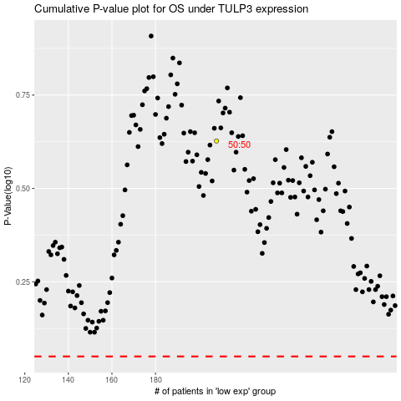

 |  |  |  |  |  | cases_OS | p_OS | rank | exp
 |  |  |  |  |  |  | cases_RFS | p_RFS | rank | exp

