TULP4 _multivariate
Reported by Tex Li-Hsing Chi. tex@gate.sinica.edu.tw 2019-08-15

Table 2. The clinicopathological features of HNSCC cohort and TULP4 expression. (Chi square test)
Cutoff at 0.3 (64.0%)
 |  | TULP4 expression |  | TULP4 expression |  | (Optimised)
 | Features | Low | (%) | High | (%) | Case no | P-value | Remark | Matthews
Gender | Female | 201 | 48.4 | 105 | 25.3 | 415 | 0.3101 | 0 | 0
2 | Male | 65 | 15.7 | 44 | 10.6
Age at diagnosis | <=65y | 166 | 40 | 108 | 26 | 415 | 0.0487 | 1 | 0
4 | >65y | 100 | 24.1 | 41 | 9.9
Clinical T Status | T1+T2 | 101 | 24.3 | 48 | 11.6 | 415 | 0.2865 | 0 | 0
6 | T3+T4 | 165 | 39.8 | 101 | 24.3
Clinical N Status | N0 | 130 | 31.3 | 86 | 20.7 | 415 | 0.1035 | 0 | 0
8 | N1-3 | 136 | 32.8 | 63 | 15.2
Clinical M Status | M0 | 263 | 63.4 | 149 | 35.9 | 415 | 0.5559 | 0 | 0
10 | M1 | 3 | 0.7 | 0 | 0
Clinical Stage | Stage I+II | 69 | 16.6 | 33 | 8 | 415 | 0.4581 | 0 | 0
12 | Stage III+IV | 197 | 47.5 | 116 | 28
Surgical Margin status | Negative | 208 | 50.1 | 110 | 26.5 | 415 | 0.3345 | 0 | 0
14 | Positive | 58 | 14 | 39 | 9.4
Tobacco Exposure | Low | 106 | 25.5 | 55 | 13.3 | 415 | 0.6001 | 0 | 0
16 | High | 160 | 38.6 | 94 | 22.7

Table 3. Univariate/Multivariate Cox's proportional hazards regression analyses on OS time of TULP4 gene expression in HNSCC

 |  | Univariate |  |  |  | Multivariate
 | Features | HR | CI95%(L) | CI95%(H) | P-value | HR | CI95%(L) | CI95%(H) | P-value
1 | Female | 1 |  |  |  | 1
Gender | Male | 1.157 | 0.843 | 1.587 | 0.367 | 1.204 | 0.862 | 1.683 | 0.276
11 | <=65y | 1 |  |  |  | 1
Age at diagnosis | >65y | 1.329 | 0.99 | 1.784 | 0.058 | 1.332 | 0.976 | 1.818 | 0.071
12 | T1+T2 | 1 |  |  |  | 1
Clinical T Status | T3+T4 | 1.409 | 1.028 | 1.931 | 0.033 | 2.147 | 1.136 | 4.058 | 0.019
13 | N0 | 1 |  |  |  | 1
Clinical N Status | N1-3 | 1.185 | 0.89 | 1.577 | 0.246 | 1.199 | 0.839 | 1.714 | 0.32
14 | M0 | 1 |  |  |  | 1
Clinical M Status | M1 | 4.097 | 1.009 | 16.644 | 0.049 | 8.43 | 1.831 | 38.804 | 0.006
15 | Stage I+II | 1 |  |  |  | 1
Clinical Stage | Stage III+IV | 1.245 | 0.882 | 1.759 | 0.213 | 0.535 | 0.249 | 1.151 | 0.11
16 | Negative | 1 |  |  |  | 1
Surgical Margin status | Positive | 1.591 | 1.155 | 2.191 | 0.004 | 1.647 | 1.193 | 2.275 | 0.002
17 | Low | 1 |  |  |  | 1
Tobacco Exposure | High | 1.364 | 1.008 | 1.844 | 0.044 | 1.475 | 1.071 | 2.031 | 0.017
18 | Low | 1 |  |  |  | 1
RNAseq(z-score) | High | 0.728 | 0.535 | 0.989 | 0.042 | 0.772 | 0.563 | 1.057 | 0.106

Table 4. Univariate/Multivariate Cox's proportional hazards regression analyses on RFS time of TULP4 gene expression in HNSCC

 |  | Univariate |  |  |  | Multivariate
 | Features | HR | CI95%(L) | CI95%(H) | P-value | HR | CI95%(L) | CI95%(H) | P-value
1 | Female | 1 |  |  |  | 1
Gender | Male | 1.157 | 0.843 | 1.587 | 0.367 | 1.204 | 0.862 | 1.683 | 0.276
11 | <=65y | 1 |  |  |  | 1
Age at diagnosis | >65y | 1.329 | 0.99 | 1.784 | 0.058 | 1.332 | 0.976 | 1.818 | 0.071
12 | T1+T2 | 1 |  |  |  | 1
Clinical T Status | T3+T4 | 1.409 | 1.028 | 1.931 | 0.033 | 2.147 | 1.136 | 4.058 | 0.019
13 | N0 | 1 |  |  |  | 1
Clinical N Status | N1-3 | 1.185 | 0.89 | 1.577 | 0.246 | 1.199 | 0.839 | 1.714 | 0.32
14 | M0 | 1 |  |  |  | 1
Clinical M Status | M1 | 4.097 | 1.009 | 16.644 | 0.049 | 8.43 | 1.831 | 38.804 | 0.006
15 | Stage I+II | 1 |  |  |  | 1
Clinical Stage | Stage III+IV | 1.245 | 0.882 | 1.759 | 0.213 | 0.535 | 0.249 | 1.151 | 0.11
16 | Negative | 1 |  |  |  | 1
Surgical Margin status | Positive | 1.591 | 1.155 | 2.191 | 0.004 | 1.647 | 1.193 | 2.275 | 0.002
17 | Low | 1 |  |  |  | 1
Tobacco Exposure | High | 1.364 | 1.008 | 1.844 | 0.044 | 1.475 | 1.071 | 2.031 | 0.017
18 | Low | 1 |  |  |  | 1
RNAseq(z-score) | High | 0.728 | 0.535 | 0.989 | 0.042 | 0.772 | 0.563 | 1.057 | 0.106

Kaplan-Meier survival estimate: Cutoff at 0.3 (64.0%)



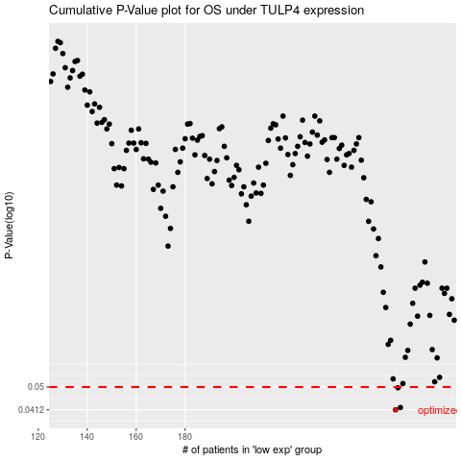

 |  |  |  |  |  | cases_OS | p_OS | rank | exp
 |  |  |  |  |  | 266 | 0.0412 | 174 | 0.30013081445
 |  |  |  |  |  | 268 | 0.042 | 327 | 0.30840368604
 |  |  |  |  |  | 267 | 0.0497 | 251 | 0.30564958124
 |  |  |  |  |  |  | cases_RFS | p_RFS | rank | exp
 |  |  |  |  |  |  | 265 | 0.0412 | 125 | 0.29111471726
 |  |  |  |  |  |  | 267 | 0.042 | 251 | 0.30564958124
 |  |  |  |  |  |  | 266 | 0.0497 | 174 | 0.30013081445

