TUSC2 _multivariate
Reported by Tex Li-Hsing Chi. tex@gate.sinica.edu.tw 2019-08-15

Table 2. The clinicopathological features of HNSCC cohort and TUSC2 expression. (Chi square test)
Cutoff at -0.336 (50.0%)
 |  | TUSC2 expression |  | TUSC2 expression |  | (Optimised)
 | Features | Low | (%) | High | (%) | Case no | P-value | Remark | Matthews
Gender | Female | 154 | 37.1 | 152 | 36.6 | 415 | 0.8463 | 0 | 0
2 | Male | 53 | 12.8 | 56 | 13.5
Age at diagnosis | <=65y | 133 | 32 | 141 | 34 | 415 | 0.5111 | 0 | 0
4 | >65y | 74 | 17.8 | 67 | 16.1
Clinical T Status | T1+T2 | 72 | 17.3 | 77 | 18.6 | 415 | 0.7095 | 0 | 0
6 | T3+T4 | 135 | 32.5 | 131 | 31.6
Clinical N Status | N0 | 110 | 26.5 | 106 | 25.5 | 415 | 0.7294 | 0 | 0
8 | N1-3 | 97 | 23.4 | 102 | 24.6
Clinical M Status | M0 | 207 | 49.9 | 205 | 49.4 | 415 | 0.2482 | 0 | 0
10 | M1 | 0 | 0 | 3 | 0.7
Clinical Stage | Stage I+II | 51 | 12.3 | 51 | 12.3 | 415 | 1 | 0 | 0
12 | Stage III+IV | 156 | 37.6 | 157 | 37.8
Surgical Margin status | Negative | 161 | 38.8 | 157 | 37.8 | 415 | 0.6429 | 0 | 0
14 | Positive | 46 | 11.1 | 51 | 12.3
Tobacco Exposure | Low | 71 | 17.1 | 90 | 21.7 | 415 | 0.0698 | 0 | 0
16 | High | 136 | 32.8 | 118 | 28.4

Table 3. Univariate/Multivariate Cox's proportional hazards regression analyses on OS time of TUSC2 gene expression in HNSCC

 |  | Univariate |  |  |  | Multivariate
 | Features | HR | CI95%(L) | CI95%(H) | P-value | HR | CI95%(L) | CI95%(H) | P-value
1 | Female | 1 |  |  |  | 1
Gender | Male | 1.157 | 0.843 | 1.587 | 0.367 | 1.205 | 0.862 | 1.684 | 0.276
11 | <=65y | 1 |  |  |  | 1
Age at diagnosis | >65y | 1.329 | 0.99 | 1.784 | 0.058 | 1.391 | 1.023 | 1.891 | 0.035
12 | T1+T2 | 1 |  |  |  | 1
Clinical T Status | T3+T4 | 1.409 | 1.028 | 1.931 | 0.033 | 2.205 | 1.166 | 4.17 | 0.015
13 | N0 | 1 |  |  |  | 1
Clinical N Status | N1-3 | 1.185 | 0.89 | 1.577 | 0.246 | 1.242 | 0.87 | 1.772 | 0.233
14 | M0 | 1 |  |  |  | 1
Clinical M Status | M1 | 4.097 | 1.009 | 16.644 | 0.049 | 9.615 | 2.078 | 44.487 | 0.004
15 | Stage I+II | 1 |  |  |  | 1
Clinical Stage | Stage III+IV | 1.245 | 0.882 | 1.759 | 0.213 | 0.502 | 0.234 | 1.079 | 0.078
16 | Negative | 1 |  |  |  | 1
Surgical Margin status | Positive | 1.591 | 1.155 | 2.191 | 0.004 | 1.673 | 1.211 | 2.312 | 0.002
17 | Low | 1 |  |  |  | 1
Tobacco Exposure | High | 1.364 | 1.008 | 1.844 | 0.044 | 1.452 | 1.054 | 2.001 | 0.023
18 | Low | 1 |  |  |  | 1
RNAseq(z-score) | High | 0.966 | 0.724 | 1.29 | 0.816 | 0.962 | 0.718 | 1.289 | 0.797

Table 4. Univariate/Multivariate Cox's proportional hazards regression analyses on RFS time of TUSC2 gene expression in HNSCC

 |  | Univariate |  |  |  | Multivariate
 | Features | HR | CI95%(L) | CI95%(H) | P-value | HR | CI95%(L) | CI95%(H) | P-value
1 | Female | 1 |  |  |  | 1
Gender | Male | 1.157 | 0.843 | 1.587 | 0.367 | 1.205 | 0.862 | 1.684 | 0.276
11 | <=65y | 1 |  |  |  | 1
Age at diagnosis | >65y | 1.329 | 0.99 | 1.784 | 0.058 | 1.391 | 1.023 | 1.891 | 0.035
12 | T1+T2 | 1 |  |  |  | 1
Clinical T Status | T3+T4 | 1.409 | 1.028 | 1.931 | 0.033 | 2.205 | 1.166 | 4.17 | 0.015
13 | N0 | 1 |  |  |  | 1
Clinical N Status | N1-3 | 1.185 | 0.89 | 1.577 | 0.246 | 1.242 | 0.87 | 1.772 | 0.233
14 | M0 | 1 |  |  |  | 1
Clinical M Status | M1 | 4.097 | 1.009 | 16.644 | 0.049 | 9.615 | 2.078 | 44.487 | 0.004
15 | Stage I+II | 1 |  |  |  | 1
Clinical Stage | Stage III+IV | 1.245 | 0.882 | 1.759 | 0.213 | 0.502 | 0.234 | 1.079 | 0.078
16 | Negative | 1 |  |  |  | 1
Surgical Margin status | Positive | 1.591 | 1.155 | 2.191 | 0.004 | 1.673 | 1.211 | 2.312 | 0.002
17 | Low | 1 |  |  |  | 1
Tobacco Exposure | High | 1.364 | 1.008 | 1.844 | 0.044 | 1.452 | 1.054 | 2.001 | 0.023
18 | Low | 1 |  |  |  | 1
RNAseq(z-score) | High | 0.966 | 0.724 | 1.29 | 0.816 | 0.962 | 0.718 | 1.289 | 0.797

Kaplan-Meier survival estimate: Cutoff at -0.336 (50.0%)



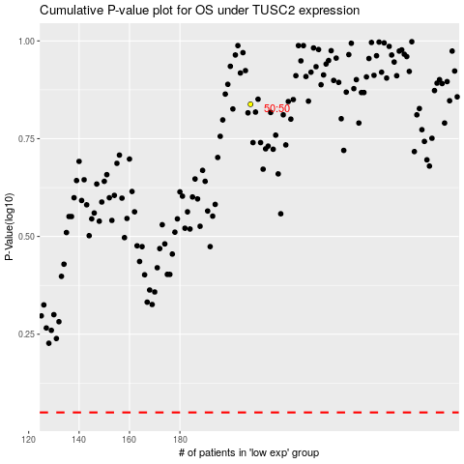

 |  |  |  |  |  | cases_OS | p_OS | rank | exp
 |  |  |  |  |  |  | cases_RFS | p_RFS | rank | exp

