TUT1 _multivariate
Reported by Tex Li-Hsing Chi. tex@gate.sinica.edu.tw 2019-08-15

Table 2. The clinicopathological features of HNSCC cohort and TUT1 expression. (Chi square test)
Cutoff at -0.146 (49.8%)
 |  | TUT1 expression |  | TUT1 expression |  | (Optimised)
 | Features | Low | (%) | High | (%) | Case no | P-value | Remark | Matthews
Gender | Female | 145 | 34.9 | 161 | 38.8 | 415 | 0.1116 | 0 | 0
2 | Male | 62 | 14.9 | 47 | 11.3
Age at diagnosis | <=65y | 123 | 29.6 | 151 | 36.4 | 415 | 0.0063 | 1 | 0
4 | >65y | 84 | 20.2 | 57 | 13.7
Clinical T Status | T1+T2 | 65 | 15.7 | 84 | 20.2 | 415 | 0.0711 | 0 | 0
6 | T3+T4 | 142 | 34.2 | 124 | 29.9
Clinical N Status | N0 | 112 | 27 | 104 | 25.1 | 415 | 0.4599 | 0 | 0
8 | N1-3 | 95 | 22.9 | 104 | 25.1
Clinical M Status | M0 | 207 | 49.9 | 205 | 49.4 | 415 | 0.2482 | 0 | 0
10 | M1 | 0 | 0 | 3 | 0.7
Clinical Stage | Stage I+II | 48 | 11.6 | 54 | 13 | 415 | 0.5878 | 0 | 0
12 | Stage III+IV | 159 | 38.3 | 154 | 37.1
Surgical Margin status | Negative | 163 | 39.3 | 155 | 37.3 | 415 | 0.3537 | 0 | 0
14 | Positive | 44 | 10.6 | 53 | 12.8
Tobacco Exposure | Low | 83 | 20 | 78 | 18.8 | 415 | 0.6152 | 0 | 0
16 | High | 124 | 29.9 | 130 | 31.3

Table 3. Univariate/Multivariate Cox's proportional hazards regression analyses on OS time of TUT1 gene expression in HNSCC

 |  | Univariate |  |  |  | Multivariate
 | Features | HR | CI95%(L) | CI95%(H) | P-value | HR | CI95%(L) | CI95%(H) | P-value
1 | Female | 1 |  |  |  | 1
Gender | Male | 1.157 | 0.843 | 1.587 | 0.367 | 1.195 | 0.856 | 1.67 | 0.295
11 | <=65y | 1 |  |  |  | 1
Age at diagnosis | >65y | 1.329 | 0.99 | 1.784 | 0.058 | 1.368 | 1.005 | 1.861 | 0.046
12 | T1+T2 | 1 |  |  |  | 1
Clinical T Status | T3+T4 | 1.409 | 1.028 | 1.931 | 0.033 | 2.185 | 1.156 | 4.131 | 0.016
13 | N0 | 1 |  |  |  | 1
Clinical N Status | N1-3 | 1.185 | 0.89 | 1.577 | 0.246 | 1.245 | 0.873 | 1.776 | 0.226
14 | M0 | 1 |  |  |  | 1
Clinical M Status | M1 | 4.097 | 1.009 | 16.644 | 0.049 | 10.231 | 2.216 | 47.232 | 0.003
15 | Stage I+II | 1 |  |  |  | 1
Clinical Stage | Stage III+IV | 1.245 | 0.882 | 1.759 | 0.213 | 0.508 | 0.237 | 1.089 | 0.082
16 | Negative | 1 |  |  |  | 1
Surgical Margin status | Positive | 1.591 | 1.155 | 2.191 | 0.004 | 1.739 | 1.25 | 2.419 | 0.001
17 | Low | 1 |  |  |  | 1
Tobacco Exposure | High | 1.364 | 1.008 | 1.844 | 0.044 | 1.464 | 1.063 | 2.017 | 0.02
18 | Low | 1 |  |  |  | 1
RNAseq(z-score) | High | 0.89 | 0.668 | 1.186 | 0.425 | 0.837 | 0.622 | 1.127 | 0.242

Table 4. Univariate/Multivariate Cox's proportional hazards regression analyses on RFS time of TUT1 gene expression in HNSCC

 |  | Univariate |  |  |  | Multivariate
 | Features | HR | CI95%(L) | CI95%(H) | P-value | HR | CI95%(L) | CI95%(H) | P-value
1 | Female | 1 |  |  |  | 1
Gender | Male | 1.157 | 0.843 | 1.587 | 0.367 | 1.195 | 0.856 | 1.67 | 0.295
11 | <=65y | 1 |  |  |  | 1
Age at diagnosis | >65y | 1.329 | 0.99 | 1.784 | 0.058 | 1.368 | 1.005 | 1.861 | 0.046
12 | T1+T2 | 1 |  |  |  | 1
Clinical T Status | T3+T4 | 1.409 | 1.028 | 1.931 | 0.033 | 2.185 | 1.156 | 4.131 | 0.016
13 | N0 | 1 |  |  |  | 1
Clinical N Status | N1-3 | 1.185 | 0.89 | 1.577 | 0.246 | 1.245 | 0.873 | 1.776 | 0.226
14 | M0 | 1 |  |  |  | 1
Clinical M Status | M1 | 4.097 | 1.009 | 16.644 | 0.049 | 10.231 | 2.216 | 47.232 | 0.003
15 | Stage I+II | 1 |  |  |  | 1
Clinical Stage | Stage III+IV | 1.245 | 0.882 | 1.759 | 0.213 | 0.508 | 0.237 | 1.089 | 0.082
16 | Negative | 1 |  |  |  | 1
Surgical Margin status | Positive | 1.591 | 1.155 | 2.191 | 0.004 | 1.739 | 1.25 | 2.419 | 0.001
17 | Low | 1 |  |  |  | 1
Tobacco Exposure | High | 1.364 | 1.008 | 1.844 | 0.044 | 1.464 | 1.063 | 2.017 | 0.02
18 | Low | 1 |  |  |  | 1
RNAseq(z-score) | High | 0.89 | 0.668 | 1.186 | 0.425 | 0.837 | 0.622 | 1.127 | 0.242

Kaplan-Meier survival estimate: Cutoff at -0.146 (49.8%)

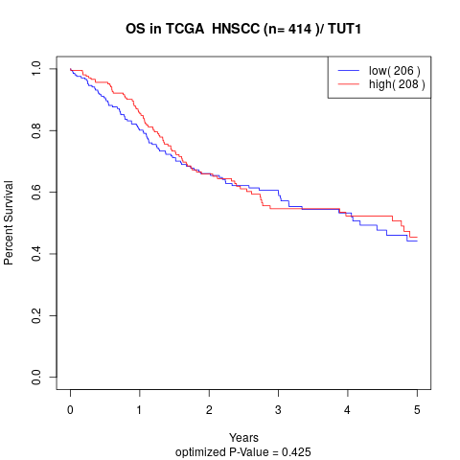

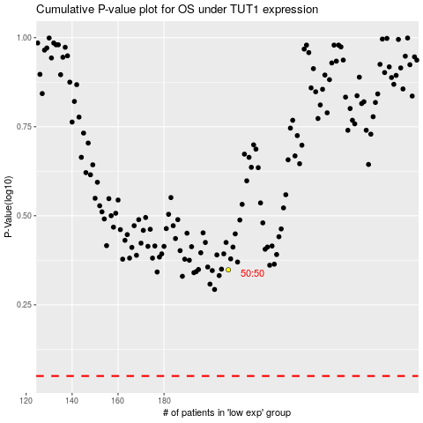

 |  |  |  |  |  | cases_OS | p_OS | rank | exp
 |  |  |  |  |  |  | cases_RFS | p_RFS | rank | exp

