TWF1 _multivariate
Reported by Tex Li-Hsing Chi. tex@gate.sinica.edu.tw 2019-08-15

Table 2. The clinicopathological features of HNSCC cohort and TWF1 expression. (Chi square test)
Cutoff at -0.185 (50.0%)
 |  | TWF1 expression |  | TWF1 expression |  | (Optimised)
 | Features | Low | (%) | High | (%) | Case no | P-value | Remark | Matthews
Gender | Female | 162 | 39 | 144 | 34.7 | 415 | 0.0479 | 1 | 0
2 | Male | 45 | 10.8 | 64 | 15.4
Age at diagnosis | <=65y | 139 | 33.5 | 135 | 32.5 | 415 | 0.7044 | 0 | 0
4 | >65y | 68 | 16.4 | 73 | 17.6
Clinical T Status | T1+T2 | 74 | 17.8 | 75 | 18.1 | 415 | 1 | 0 | 0
6 | T3+T4 | 133 | 32 | 133 | 32
Clinical N Status | N0 | 101 | 24.3 | 115 | 27.7 | 415 | 0.2201 | 0 | 0
8 | N1-3 | 106 | 25.5 | 93 | 22.4
Clinical M Status | M0 | 206 | 49.6 | 206 | 49.6 | 415 | 1 | 0 | 0
10 | M1 | 1 | 0.2 | 2 | 0.5
Clinical Stage | Stage I+II | 45 | 10.8 | 57 | 13.7 | 415 | 0.2202 | 0 | 0
12 | Stage III+IV | 162 | 39 | 151 | 36.4
Surgical Margin status | Negative | 164 | 39.5 | 154 | 37.1 | 415 | 0.2462 | 0 | 0
14 | Positive | 43 | 10.4 | 54 | 13
Tobacco Exposure | Low | 75 | 18.1 | 86 | 20.7 | 415 | 0.3141 | 0 | 0
16 | High | 132 | 31.8 | 122 | 29.4

Table 3. Univariate/Multivariate Cox's proportional hazards regression analyses on OS time of TWF1 gene expression in HNSCC

 |  | Univariate |  |  |  | Multivariate
 | Features | HR | CI95%(L) | CI95%(H) | P-value | HR | CI95%(L) | CI95%(H) | P-value
1 | Female | 1 |  |  |  | 1
Gender | Male | 1.157 | 0.843 | 1.587 | 0.367 | 1.197 | 0.857 | 1.672 | 0.292
11 | <=65y | 1 |  |  |  | 1
Age at diagnosis | >65y | 1.329 | 0.99 | 1.784 | 0.058 | 1.398 | 1.028 | 1.903 | 0.033
12 | T1+T2 | 1 |  |  |  | 1
Clinical T Status | T3+T4 | 1.409 | 1.028 | 1.931 | 0.033 | 2.195 | 1.16 | 4.151 | 0.016
13 | N0 | 1 |  |  |  | 1
Clinical N Status | N1-3 | 1.185 | 0.89 | 1.577 | 0.246 | 1.244 | 0.872 | 1.775 | 0.229
14 | M0 | 1 |  |  |  | 1
Clinical M Status | M1 | 4.097 | 1.009 | 16.644 | 0.049 | 9.31 | 2.029 | 42.714 | 0.004
15 | Stage I+II | 1 |  |  |  | 1
Clinical Stage | Stage III+IV | 1.245 | 0.882 | 1.759 | 0.213 | 0.509 | 0.237 | 1.093 | 0.083
16 | Negative | 1 |  |  |  | 1
Surgical Margin status | Positive | 1.591 | 1.155 | 2.191 | 0.004 | 1.667 | 1.206 | 2.304 | 0.002
17 | Low | 1 |  |  |  | 1
Tobacco Exposure | High | 1.364 | 1.008 | 1.844 | 0.044 | 1.454 | 1.055 | 2.003 | 0.022
18 | Low | 1 |  |  |  | 1
RNAseq(z-score) | High | 1.047 | 0.786 | 1.395 | 0.752 | 1.059 | 0.792 | 1.416 | 0.698

Table 4. Univariate/Multivariate Cox's proportional hazards regression analyses on RFS time of TWF1 gene expression in HNSCC

 |  | Univariate |  |  |  | Multivariate
 | Features | HR | CI95%(L) | CI95%(H) | P-value | HR | CI95%(L) | CI95%(H) | P-value
1 | Female | 1 |  |  |  | 1
Gender | Male | 1.157 | 0.843 | 1.587 | 0.367 | 1.197 | 0.857 | 1.672 | 0.292
11 | <=65y | 1 |  |  |  | 1
Age at diagnosis | >65y | 1.329 | 0.99 | 1.784 | 0.058 | 1.398 | 1.028 | 1.903 | 0.033
12 | T1+T2 | 1 |  |  |  | 1
Clinical T Status | T3+T4 | 1.409 | 1.028 | 1.931 | 0.033 | 2.195 | 1.16 | 4.151 | 0.016
13 | N0 | 1 |  |  |  | 1
Clinical N Status | N1-3 | 1.185 | 0.89 | 1.577 | 0.246 | 1.244 | 0.872 | 1.775 | 0.229
14 | M0 | 1 |  |  |  | 1
Clinical M Status | M1 | 4.097 | 1.009 | 16.644 | 0.049 | 9.31 | 2.029 | 42.714 | 0.004
15 | Stage I+II | 1 |  |  |  | 1
Clinical Stage | Stage III+IV | 1.245 | 0.882 | 1.759 | 0.213 | 0.509 | 0.237 | 1.093 | 0.083
16 | Negative | 1 |  |  |  | 1
Surgical Margin status | Positive | 1.591 | 1.155 | 2.191 | 0.004 | 1.667 | 1.206 | 2.304 | 0.002
17 | Low | 1 |  |  |  | 1
Tobacco Exposure | High | 1.364 | 1.008 | 1.844 | 0.044 | 1.454 | 1.055 | 2.003 | 0.022
18 | Low | 1 |  |  |  | 1
RNAseq(z-score) | High | 1.047 | 0.786 | 1.395 | 0.752 | 1.059 | 0.792 | 1.416 | 0.698

Kaplan-Meier survival estimate: Cutoff at -0.185 (50.0%)



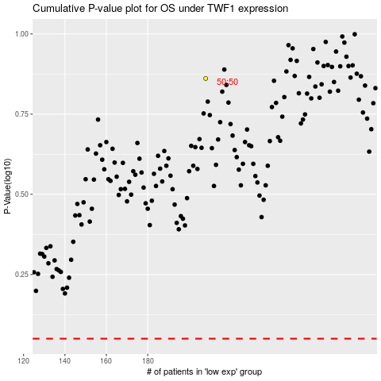

 |  |  |  |  |  | cases_OS | p_OS | rank | exp
 |  |  |  |  |  |  | cases_RFS | p_RFS | rank | exp

