TWIST1 _multivariate
Reported by Tex Li-Hsing Chi. tex@gate.sinica.edu.tw 2019-08-15

Table 2. The clinicopathological features of HNSCC cohort and TWIST1 expression. (Chi square test)
Cutoff at -0.271 (33.8%)
 |  | TWIST1 expression |  | TWIST1 expression |  | (Optimised)
 | Features | Low | (%) | High | (%) | Case no | P-value | Remark | Matthews
Gender | Female | 103 | 24.8 | 203 | 48.9 | 415 | 1 | 0 | 0
2 | Male | 37 | 8.9 | 72 | 17.3
Age at diagnosis | <=65y | 94 | 22.7 | 180 | 43.4 | 415 | 0.8152 | 0 | 0
4 | >65y | 46 | 11.1 | 95 | 22.9
Clinical T Status | T1+T2 | 56 | 13.5 | 93 | 22.4 | 415 | 0.2572 | 0 | 0
6 | T3+T4 | 84 | 20.2 | 182 | 43.9
Clinical N Status | N0 | 80 | 19.3 | 136 | 32.8 | 415 | 0.1681 | 0 | 0
8 | N1-3 | 60 | 14.5 | 139 | 33.5
Clinical M Status | M0 | 138 | 33.3 | 274 | 66 | 415 | 0.2641 | 0 | 0
10 | M1 | 2 | 0.5 | 1 | 0.2
Clinical Stage | Stage I+II | 37 | 8.9 | 65 | 15.7 | 415 | 0.6142 | 0 | 0
12 | Stage III+IV | 103 | 24.8 | 210 | 50.6
Surgical Margin status | Negative | 111 | 26.7 | 207 | 49.9 | 415 | 0.3922 | 0 | 0
14 | Positive | 29 | 7 | 68 | 16.4
Tobacco Exposure | Low | 58 | 14 | 103 | 24.8 | 415 | 0.4567 | 0 | 0
16 | High | 82 | 19.8 | 172 | 41.4

Table 3. Univariate/Multivariate Cox's proportional hazards regression analyses on OS time of TWIST1 gene expression in HNSCC

 |  | Univariate |  |  |  | Multivariate
 | Features | HR | CI95%(L) | CI95%(H) | P-value | HR | CI95%(L) | CI95%(H) | P-value
1 | Female | 1 |  |  |  | 1
Gender | Male | 1.157 | 0.843 | 1.587 | 0.367 | 1.196 | 0.858 | 1.668 | 0.29
11 | <=65y | 1 |  |  |  | 1
Age at diagnosis | >65y | 1.329 | 0.99 | 1.784 | 0.058 | 1.403 | 1.031 | 1.908 | 0.031
12 | T1+T2 | 1 |  |  |  | 1
Clinical T Status | T3+T4 | 1.409 | 1.028 | 1.931 | 0.033 | 2.128 | 1.125 | 4.025 | 0.02
13 | N0 | 1 |  |  |  | 1
Clinical N Status | N1-3 | 1.185 | 0.89 | 1.577 | 0.246 | 1.23 | 0.862 | 1.756 | 0.253
14 | M0 | 1 |  |  |  | 1
Clinical M Status | M1 | 4.097 | 1.009 | 16.644 | 0.049 | 9.715 | 2.118 | 44.554 | 0.003
15 | Stage I+II | 1 |  |  |  | 1
Clinical Stage | Stage III+IV | 1.245 | 0.882 | 1.759 | 0.213 | 0.528 | 0.245 | 1.134 | 0.102
16 | Negative | 1 |  |  |  | 1
Surgical Margin status | Positive | 1.591 | 1.155 | 2.191 | 0.004 | 1.63 | 1.179 | 2.254 | 0.003
17 | Low | 1 |  |  |  | 1
Tobacco Exposure | High | 1.364 | 1.008 | 1.844 | 0.044 | 1.43 | 1.038 | 1.97 | 0.028
18 | Low | 1 |  |  |  | 1
RNAseq(z-score) | High | 1.398 | 1.02 | 1.914 | 0.037 | 1.323 | 0.963 | 1.817 | 0.084

Table 4. Univariate/Multivariate Cox's proportional hazards regression analyses on RFS time of TWIST1 gene expression in HNSCC

 |  | Univariate |  |  |  | Multivariate
 | Features | HR | CI95%(L) | CI95%(H) | P-value | HR | CI95%(L) | CI95%(H) | P-value
1 | Female | 1 |  |  |  | 1
Gender | Male | 1.157 | 0.843 | 1.587 | 0.367 | 1.196 | 0.858 | 1.668 | 0.29
11 | <=65y | 1 |  |  |  | 1
Age at diagnosis | >65y | 1.329 | 0.99 | 1.784 | 0.058 | 1.403 | 1.031 | 1.908 | 0.031
12 | T1+T2 | 1 |  |  |  | 1
Clinical T Status | T3+T4 | 1.409 | 1.028 | 1.931 | 0.033 | 2.128 | 1.125 | 4.025 | 0.02
13 | N0 | 1 |  |  |  | 1
Clinical N Status | N1-3 | 1.185 | 0.89 | 1.577 | 0.246 | 1.23 | 0.862 | 1.756 | 0.253
14 | M0 | 1 |  |  |  | 1
Clinical M Status | M1 | 4.097 | 1.009 | 16.644 | 0.049 | 9.715 | 2.118 | 44.554 | 0.003
15 | Stage I+II | 1 |  |  |  | 1
Clinical Stage | Stage III+IV | 1.245 | 0.882 | 1.759 | 0.213 | 0.528 | 0.245 | 1.134 | 0.102
16 | Negative | 1 |  |  |  | 1
Surgical Margin status | Positive | 1.591 | 1.155 | 2.191 | 0.004 | 1.63 | 1.179 | 2.254 | 0.003
17 | Low | 1 |  |  |  | 1
Tobacco Exposure | High | 1.364 | 1.008 | 1.844 | 0.044 | 1.43 | 1.038 | 1.97 | 0.028
18 | Low | 1 |  |  |  | 1
RNAseq(z-score) | High | 1.398 | 1.02 | 1.914 | 0.037 | 1.323 | 0.963 | 1.817 | 0.084

Kaplan-Meier survival estimate: Cutoff at -0.271 (33.8%)

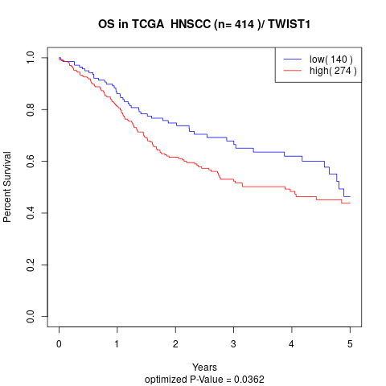

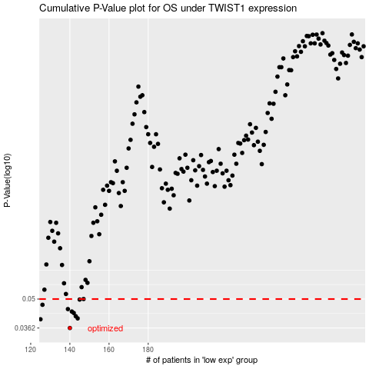

 |  |  |  |  |  | cases_OS | p_OS | rank | exp
 |  |  |  |  |  | 140 | 0.0362 | 87 | -0.27076700432
 |  |  |  |  |  | 125 | 0.0399 | 142 | -0.30198188375
 |  |  |  |  |  | 144 | 0.0403 | 249 | -0.265048678
 |  |  |  |  |  | 143 | 0.0413 | 172 | -0.26695696488
 |  |  |  |  |  | 142 | 0.0428 | 356 | -0.26738278321
 |  |  |  |  |  | 141 | 0.0435 | 291 | -0.27049555875
 |  |  |  |  |  | 139 | 0.0447 | 192 | -0.2746317685
 |  |  |  |  |  | 126 | 0.0469 | 244 | -0.30072539296
 |  |  |  |  |  | 145 | 0.0497 | 275 | -0.26238023463
 |  |  |  |  |  | 147 | 0.05 | 107 | -0.26180113259
 |  |  |  |  |  |  | cases_RFS | p_RFS | rank | exp
 |  |  |  |  |  |  | 139 | 0.0362 | 192 | -0.2746317685
 |  |  |  |  |  |  |  | 0.0399 | 310 | -0.30250027128
 |  |  |  |  |  |  | 143 | 0.0403 | 172 | -0.26695696488
 |  |  |  |  |  |  | 142 | 0.0413 | 356 | -0.26738278321
 |  |  |  |  |  |  | 141 | 0.0428 | 291 | -0.27049555875
 |  |  |  |  |  |  | 140 | 0.0435 | 87 | -0.27076700432
 |  |  |  |  |  |  | 138 | 0.0447 | 170 | -0.27573552011
 |  |  |  |  |  |  | 125 | 0.0469 | 142 | -0.30198188375
 |  |  |  |  |  |  | 144 | 0.0497 | 249 | -0.265048678
 |  |  |  |  |  |  | 146 | 0.05 | 376 | -0.26233912301

