TWISTNB _multivariate
Reported by Tex Li-Hsing Chi. tex@gate.sinica.edu.tw 2019-08-15

Table 2. The clinicopathological features of HNSCC cohort and TWISTNB expression. (Chi square test)
Cutoff at -0.107 (53.1%)
 |  | TWISTNB expression |  | TWISTNB expression |  | (Optimised)
 | Features | Low | (%) | High | (%) | Case no | P-value | Remark | Matthews
Gender | Female | 161 | 38.8 | 145 | 34.9 | 415 | 0.7451 | 0 | 0
2 | Male | 60 | 14.5 | 49 | 11.8
Age at diagnosis | <=65y | 143 | 34.5 | 131 | 31.6 | 415 | 0.6162 | 0 | 0
4 | >65y | 78 | 18.8 | 63 | 15.2
Clinical T Status | T1+T2 | 77 | 18.6 | 72 | 17.3 | 415 | 0.7048 | 0 | 0
6 | T3+T4 | 144 | 34.7 | 122 | 29.4
Clinical N Status | N0 | 116 | 28 | 100 | 24.1 | 415 | 0.9257 | 0 | 0
8 | N1-3 | 105 | 25.3 | 94 | 22.7
Clinical M Status | M0 | 220 | 53 | 192 | 46.3 | 415 | 0.6012 | 0 | 0
10 | M1 | 1 | 0.2 | 2 | 0.5
Clinical Stage | Stage I+II | 52 | 12.5 | 50 | 12 | 415 | 0.6778 | 0 | 0
12 | Stage III+IV | 169 | 40.7 | 144 | 34.7
Surgical Margin status | Negative | 165 | 39.8 | 153 | 36.9 | 415 | 0.3528 | 0 | 0
14 | Positive | 56 | 13.5 | 41 | 9.9
Tobacco Exposure | Low | 90 | 21.7 | 71 | 17.1 | 415 | 0.4199 | 0 | 0
16 | High | 131 | 31.6 | 123 | 29.6

Table 3. Univariate/Multivariate Cox's proportional hazards regression analyses on OS time of TWISTNB gene expression in HNSCC

 |  | Univariate |  |  |  | Multivariate
 | Features | HR | CI95%(L) | CI95%(H) | P-value | HR | CI95%(L) | CI95%(H) | P-value
1 | Female | 1 |  |  |  | 1
Gender | Male | 1.157 | 0.843 | 1.587 | 0.367 | 1.23 | 0.88 | 1.719 | 0.225
11 | <=65y | 1 |  |  |  | 1
Age at diagnosis | >65y | 1.329 | 0.99 | 1.784 | 0.058 | 1.431 | 1.052 | 1.948 | 0.023
12 | T1+T2 | 1 |  |  |  | 1
Clinical T Status | T3+T4 | 1.409 | 1.028 | 1.931 | 0.033 | 2.167 | 1.147 | 4.093 | 0.017
13 | N0 | 1 |  |  |  | 1
Clinical N Status | N1-3 | 1.185 | 0.89 | 1.577 | 0.246 | 1.213 | 0.848 | 1.734 | 0.29
14 | M0 | 1 |  |  |  | 1
Clinical M Status | M1 | 4.097 | 1.009 | 16.644 | 0.049 | 8.928 | 1.947 | 40.929 | 0.005
15 | Stage I+II | 1 |  |  |  | 1
Clinical Stage | Stage III+IV | 1.245 | 0.882 | 1.759 | 0.213 | 0.518 | 0.241 | 1.111 | 0.091
16 | Negative | 1 |  |  |  | 1
Surgical Margin status | Positive | 1.591 | 1.155 | 2.191 | 0.004 | 1.674 | 1.213 | 2.312 | 0.002
17 | Low | 1 |  |  |  | 1
Tobacco Exposure | High | 1.364 | 1.008 | 1.844 | 0.044 | 1.457 | 1.056 | 2.008 | 0.022
18 | Low | 1 |  |  |  | 1
RNAseq(z-score) | High | 1.411 | 1.055 | 1.888 | 0.02 | 1.432 | 1.068 | 1.921 | 0.017

Table 4. Univariate/Multivariate Cox's proportional hazards regression analyses on RFS time of TWISTNB gene expression in HNSCC

 |  | Univariate |  |  |  | Multivariate
 | Features | HR | CI95%(L) | CI95%(H) | P-value | HR | CI95%(L) | CI95%(H) | P-value
1 | Female | 1 |  |  |  | 1
Gender | Male | 1.157 | 0.843 | 1.587 | 0.367 | 1.23 | 0.88 | 1.719 | 0.225
11 | <=65y | 1 |  |  |  | 1
Age at diagnosis | >65y | 1.329 | 0.99 | 1.784 | 0.058 | 1.431 | 1.052 | 1.948 | 0.023
12 | T1+T2 | 1 |  |  |  | 1
Clinical T Status | T3+T4 | 1.409 | 1.028 | 1.931 | 0.033 | 2.167 | 1.147 | 4.093 | 0.017
13 | N0 | 1 |  |  |  | 1
Clinical N Status | N1-3 | 1.185 | 0.89 | 1.577 | 0.246 | 1.213 | 0.848 | 1.734 | 0.29
14 | M0 | 1 |  |  |  | 1
Clinical M Status | M1 | 4.097 | 1.009 | 16.644 | 0.049 | 8.928 | 1.947 | 40.929 | 0.005
15 | Stage I+II | 1 |  |  |  | 1
Clinical Stage | Stage III+IV | 1.245 | 0.882 | 1.759 | 0.213 | 0.518 | 0.241 | 1.111 | 0.091
16 | Negative | 1 |  |  |  | 1
Surgical Margin status | Positive | 1.591 | 1.155 | 2.191 | 0.004 | 1.674 | 1.213 | 2.312 | 0.002
17 | Low | 1 |  |  |  | 1
Tobacco Exposure | High | 1.364 | 1.008 | 1.844 | 0.044 | 1.457 | 1.056 | 2.008 | 0.022
18 | Low | 1 |  |  |  | 1
RNAseq(z-score) | High | 1.411 | 1.055 | 1.888 | 0.02 | 1.432 | 1.068 | 1.921 | 0.017

Kaplan-Meier survival estimate: Cutoff at -0.107 (53.1%)

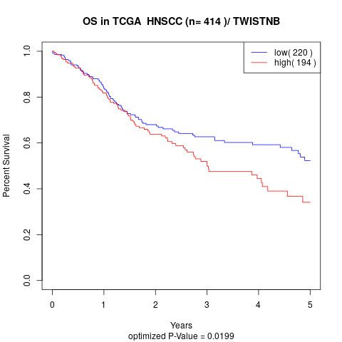

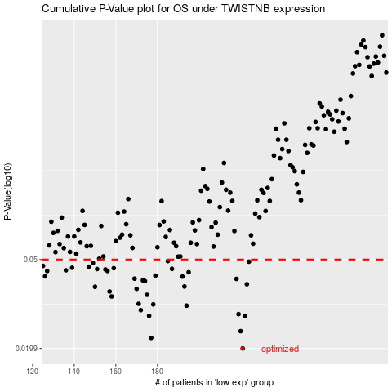

 |  |  |  |  |  | cases_OS | p_OS | rank | exp
 |  |  |  |  |  | 221 | 0.0199 | 148 | -0.10719231184
 |  |  |  |  |  | 177 | 0.0222 | 213 | -0.30170217268
 |  |  |  |  |  | 220 | 0.0238 | 178 | -0.1146433634
 |  |  |  |  |  | 176 | 0.0279 | 116 | -0.30768727605
 |  |  |  |  |  | 222 | 0.0279 | 223 | -0.10098813831
 |  |  |  |  |  | 219 | 0.0284 | 39 | -0.12391096426
 |  |  |  |  |  | 172 | 0.0296 | 364 | -0.32889531145
 |  |  |  |  |  | 194 | 0.031 | 85 | -0.2463600738
 |  |  |  |  |  | 178 | 0.0314 | 133 | -0.30034642612
 |  |  |  |  |  | 171 | 0.0316 | 197 | -0.33033770848
 |  |  |  |  |  | 158 | 0.0341 | 69 | -0.387554568
 |  |  |  |  |  | 175 | 0.0347 | 139 | -0.32262492807
 |  |  |  |  |  | 157 | 0.0359 | 304 | -0.39362143387
 |  |  |  |  |  | 170 | 0.0369 | 303 | -0.33838687045
 |  |  |  |  |  | 150 | 0.0377 | 82 | -0.41583017109
 |  |  |  |  |  | 193 | 0.0378 | 174 | -0.25002250027
 |  |  |  |  |  | 223 | 0.0387 | 220 | -0.091589895202
 |  |  |  |  |  | 174 | 0.04 | 11 | -0.32318126852
 |  |  |  |  |  | 173 | 0.0403 | 306 | -0.32855804117
 |  |  |  |  |  | 218 | 0.0409 | 63 | -0.12437398881
 |  |  |  |  |  | 169 | 0.041 | 24 | -0.34037138836
 |  |  |  |  |  | 192 | 0.0419 | 307 | -0.25284641681
 |  |  |  |  |  | 126 | 0.042 | 280 | -0.49774952387
 |  |  |  |  |  | 179 | 0.0423 | 38 | -0.29919952941
 |  |  |  |  |  | 195 | 0.0438 | 222 | -0.24276874516
 |  |  |  |  |  | 127 | 0.0444 | 361 | -0.49042467095
 |  |  |  |  |  | 156 | 0.0444 | 402 | -0.3951029347
 |  |  |  |  |  | 136 | 0.0447 | 247 | -0.46714902206
 |  |  |  |  |  | 155 | 0.0451 | 13 | -0.39725186631
 |  |  |  |  |  | 151 | 0.0453 | 256 | -0.41319955174
 |  |  |  |  |  | 187 | 0.0454 | 227 | -0.27407355975
 |  |  |  |  |  | 159 | 0.0457 | 97 | -0.38554872075
 |  |  |  |  |  | 139 | 0.0459 | 264 | -0.45357111585
 |  |  |  |  |  | 147 | 0.0464 | 107 | -0.42781681921
 |  |  |  |  |  | 125 | 0.0468 | 388 | -0.50087338435
 |  |  |  |  |  | 149 | 0.0482 | 109 | -0.4222520817
 |  |  |  |  |  | 224 | 0.0489 | 12 | -0.088895732178
 |  |  |  |  |  | 185 | 0.0492 | 217 | -0.27782752466
 |  |  |  |  |  |  | cases_RFS | p_RFS | rank | exp
 |  |  |  |  |  |  | 220 | 0.0199 | 178 | -0.1146433634
 |  |  |  |  |  |  | 176 | 0.0222 | 116 | -0.30768727605
 |  |  |  |  |  |  | 219 | 0.0238 | 39 | -0.12391096426
 |  |  |  |  |  |  | 175 | 0.0279 | 139 | -0.32262492807
 |  |  |  |  |  |  | 221 | 0.0279 | 148 | -0.10719231184
 |  |  |  |  |  |  | 218 | 0.0284 | 63 | -0.12437398881
 |  |  |  |  |  |  | 171 | 0.0296 | 197 | -0.33033770848
 |  |  |  |  |  |  | 193 | 0.031 | 174 | -0.25002250027
 |  |  |  |  |  |  | 177 | 0.0314 | 213 | -0.30170217268
 |  |  |  |  |  |  | 170 | 0.0316 | 303 | -0.33838687045
 |  |  |  |  |  |  | 157 | 0.0341 | 304 | -0.39362143387
 |  |  |  |  |  |  | 174 | 0.0347 | 11 | -0.32318126852
 |  |  |  |  |  |  | 156 | 0.0359 | 402 | -0.3951029347
 |  |  |  |  |  |  | 169 | 0.0369 | 24 | -0.34037138836
 |  |  |  |  |  |  | 149 | 0.0377 | 109 | -0.4222520817
 |  |  |  |  |  |  | 192 | 0.0378 | 307 | -0.25284641681
 |  |  |  |  |  |  | 222 | 0.0387 | 223 | -0.10098813831
 |  |  |  |  |  |  | 173 | 0.04 | 306 | -0.32855804117
 |  |  |  |  |  |  | 172 | 0.0403 | 364 | -0.32889531145
 |  |  |  |  |  |  | 217 | 0.0409 | 175 | -0.13170684024
 |  |  |  |  |  |  | 168 | 0.041 | 35 | -0.35742731106
 |  |  |  |  |  |  | 191 | 0.0419 | 347 | -0.25755175942
 |  |  |  |  |  |  | 125 | 0.042 | 388 | -0.50087338435
 |  |  |  |  |  |  | 178 | 0.0423 | 133 | -0.30034642612
 |  |  |  |  |  |  | 194 | 0.0438 | 85 | -0.2463600738
 |  |  |  |  |  |  | 155 | 0.0444 | 13 | -0.39725186631
 |  |  |  |  |  |  | 126 | 0.0444 | 280 | -0.49774952387
 |  |  |  |  |  |  | 135 | 0.0447 | 363 | -0.46907266246
 |  |  |  |  |  |  | 154 | 0.0451 | 382 | -0.40216605877
 |  |  |  |  |  |  | 150 | 0.0453 | 82 | -0.41583017109
 |  |  |  |  |  |  | 186 | 0.0454 | 184 | -0.2771907548
 |  |  |  |  |  |  | 158 | 0.0457 | 69 | -0.387554568
 |  |  |  |  |  |  | 138 | 0.0459 | 136 | -0.46009745138
 |  |  |  |  |  |  | 146 | 0.0464 | 121 | -0.44012474061
 |  |  |  |  |  |  |  | 0.0468 | 389 | -0.50779564587
 |  |  |  |  |  |  | 148 | 0.0482 | 168 | -0.42524041195
 |  |  |  |  |  |  | 223 | 0.0489 | 220 | -0.091589895202
 |  |  |  |  |  |  | 184 | 0.0492 | 122 | -0.27850295395

