TXLNG _multivariate
Reported by Tex Li-Hsing Chi. tex@gate.sinica.edu.tw 2019-08-15

Table 2. The clinicopathological features of HNSCC cohort and TXLNG expression. (Chi square test)
Cutoff at -0.145 (49.8%)
 |  | TXLNG expression |  | TXLNG expression |  | (Optimised)
 | Features | Low | (%) | High | (%) | Case no | P-value | Remark | Matthews
Gender | Female | 172 | 41.4 | 134 | 32.3 | 415 | 0 | 1 | 0
2 | Male | 35 | 8.4 | 74 | 17.8
Age at diagnosis | <=65y | 141 | 34 | 133 | 32 | 415 | 0.4272 | 0 | 0
4 | >65y | 66 | 15.9 | 75 | 18.1
Clinical T Status | T1+T2 | 76 | 18.3 | 73 | 17.6 | 415 | 0.8092 | 0 | 0
6 | T3+T4 | 131 | 31.6 | 135 | 32.5
Clinical N Status | N0 | 112 | 27 | 104 | 25.1 | 415 | 0.4599 | 0 | 0
8 | N1-3 | 95 | 22.9 | 104 | 25.1
Clinical M Status | M0 | 205 | 49.4 | 207 | 49.9 | 415 | 0.6232 | 0 | 0
10 | M1 | 2 | 0.5 | 1 | 0.2
Clinical Stage | Stage I+II | 54 | 13 | 48 | 11.6 | 415 | 0.5498 | 0 | 0
12 | Stage III+IV | 153 | 36.9 | 160 | 38.6
Surgical Margin status | Negative | 157 | 37.8 | 161 | 38.8 | 415 | 0.729 | 0 | 0
14 | Positive | 50 | 12 | 47 | 11.3
Tobacco Exposure | Low | 80 | 19.3 | 81 | 19.5 | 415 | 1 | 0 | 0
16 | High | 127 | 30.6 | 127 | 30.6

Table 3. Univariate/Multivariate Cox's proportional hazards regression analyses on OS time of TXLNG gene expression in HNSCC

 |  | Univariate |  |  |  | Multivariate
 | Features | HR | CI95%(L) | CI95%(H) | P-value | HR | CI95%(L) | CI95%(H) | P-value
1 | Female | 1 |  |  |  | 1
Gender | Male | 1.157 | 0.843 | 1.587 | 0.367 | 1.241 | 0.884 | 1.744 | 0.213
11 | <=65y | 1 |  |  |  | 1
Age at diagnosis | >65y | 1.329 | 0.99 | 1.784 | 0.058 | 1.406 | 1.033 | 1.912 | 0.03
12 | T1+T2 | 1 |  |  |  | 1
Clinical T Status | T3+T4 | 1.409 | 1.028 | 1.931 | 0.033 | 2.222 | 1.175 | 4.201 | 0.014
13 | N0 | 1 |  |  |  | 1
Clinical N Status | N1-3 | 1.185 | 0.89 | 1.577 | 0.246 | 1.257 | 0.88 | 1.794 | 0.208
14 | M0 | 1 |  |  |  | 1
Clinical M Status | M1 | 4.097 | 1.009 | 16.644 | 0.049 | 9.037 | 1.967 | 41.51 | 0.005
15 | Stage I+II | 1 |  |  |  | 1
Clinical Stage | Stage III+IV | 1.245 | 0.882 | 1.759 | 0.213 | 0.507 | 0.236 | 1.087 | 0.081
16 | Negative | 1 |  |  |  | 1
Surgical Margin status | Positive | 1.591 | 1.155 | 2.191 | 0.004 | 1.655 | 1.197 | 2.288 | 0.002
17 | Low | 1 |  |  |  | 1
Tobacco Exposure | High | 1.364 | 1.008 | 1.844 | 0.044 | 1.442 | 1.046 | 1.988 | 0.025
18 | Low | 1 |  |  |  | 1
RNAseq(z-score) | High | 0.88 | 0.66 | 1.175 | 0.387 | 0.852 | 0.632 | 1.149 | 0.295

Table 4. Univariate/Multivariate Cox's proportional hazards regression analyses on RFS time of TXLNG gene expression in HNSCC

 |  | Univariate |  |  |  | Multivariate
 | Features | HR | CI95%(L) | CI95%(H) | P-value | HR | CI95%(L) | CI95%(H) | P-value
1 | Female | 1 |  |  |  | 1
Gender | Male | 1.157 | 0.843 | 1.587 | 0.367 | 1.241 | 0.884 | 1.744 | 0.213
11 | <=65y | 1 |  |  |  | 1
Age at diagnosis | >65y | 1.329 | 0.99 | 1.784 | 0.058 | 1.406 | 1.033 | 1.912 | 0.03
12 | T1+T2 | 1 |  |  |  | 1
Clinical T Status | T3+T4 | 1.409 | 1.028 | 1.931 | 0.033 | 2.222 | 1.175 | 4.201 | 0.014
13 | N0 | 1 |  |  |  | 1
Clinical N Status | N1-3 | 1.185 | 0.89 | 1.577 | 0.246 | 1.257 | 0.88 | 1.794 | 0.208
14 | M0 | 1 |  |  |  | 1
Clinical M Status | M1 | 4.097 | 1.009 | 16.644 | 0.049 | 9.037 | 1.967 | 41.51 | 0.005
15 | Stage I+II | 1 |  |  |  | 1
Clinical Stage | Stage III+IV | 1.245 | 0.882 | 1.759 | 0.213 | 0.507 | 0.236 | 1.087 | 0.081
16 | Negative | 1 |  |  |  | 1
Surgical Margin status | Positive | 1.591 | 1.155 | 2.191 | 0.004 | 1.655 | 1.197 | 2.288 | 0.002
17 | Low | 1 |  |  |  | 1
Tobacco Exposure | High | 1.364 | 1.008 | 1.844 | 0.044 | 1.442 | 1.046 | 1.988 | 0.025
18 | Low | 1 |  |  |  | 1
RNAseq(z-score) | High | 0.88 | 0.66 | 1.175 | 0.387 | 0.852 | 0.632 | 1.149 | 0.295

Kaplan-Meier survival estimate: Cutoff at -0.145 (49.8%)



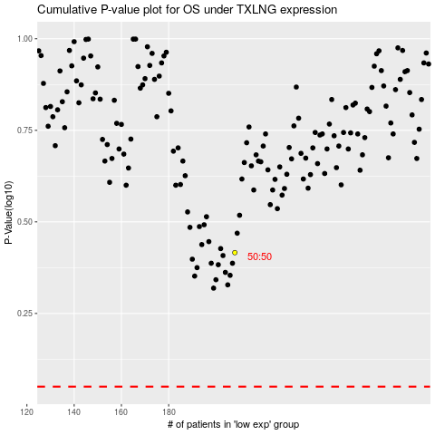

 |  |  |  |  |  | cases_OS | p_OS | rank | exp
 |  |  |  |  |  |  | cases_RFS | p_RFS | rank | exp

