TXNDC15 _multivariate
Reported by Tex Li-Hsing Chi. tex@gate.sinica.edu.tw 2019-08-15

Table 2. The clinicopathological features of HNSCC cohort and TXNDC15 expression. (Chi square test)
Cutoff at -0.17 (49.8%)
 |  | TXNDC15 expression |  | TXNDC15 expression |  | (Optimised)
 | Features | Low | (%) | High | (%) | Case no | P-value | Remark | Matthews
Gender | Female | 153 | 36.9 | 153 | 36.9 | 415 | 1 | 0 | 0
2 | Male | 54 | 13 | 55 | 13.3
Age at diagnosis | <=65y | 125 | 30.1 | 149 | 35.9 | 415 | 0.0206 | 1 | 0
4 | >65y | 82 | 19.8 | 59 | 14.2
Clinical T Status | T1+T2 | 67 | 16.1 | 82 | 19.8 | 415 | 0.1628 | 0 | 0
6 | T3+T4 | 140 | 33.7 | 126 | 30.4
Clinical N Status | N0 | 109 | 26.3 | 107 | 25.8 | 415 | 0.8812 | 0 | 0
8 | N1-3 | 98 | 23.6 | 101 | 24.3
Clinical M Status | M0 | 205 | 49.4 | 207 | 49.9 | 415 | 0.6232 | 0 | 0
10 | M1 | 2 | 0.5 | 1 | 0.2
Clinical Stage | Stage I+II | 47 | 11.3 | 55 | 13.3 | 415 | 0.4413 | 0 | 0
12 | Stage III+IV | 160 | 38.6 | 153 | 36.9
Surgical Margin status | Negative | 159 | 38.3 | 159 | 38.3 | 415 | 1 | 0 | 0
14 | Positive | 48 | 11.6 | 49 | 11.8
Tobacco Exposure | Low | 90 | 21.7 | 71 | 17.1 | 415 | 0.0559 | 0 | 0
16 | High | 117 | 28.2 | 137 | 33

Table 3. Univariate/Multivariate Cox's proportional hazards regression analyses on OS time of TXNDC15 gene expression in HNSCC

 |  | Univariate |  |  |  | Multivariate
 | Features | HR | CI95%(L) | CI95%(H) | P-value | HR | CI95%(L) | CI95%(H) | P-value
1 | Female | 1 |  |  |  | 1
Gender | Male | 1.157 | 0.843 | 1.587 | 0.367 | 1.204 | 0.862 | 1.683 | 0.276
11 | <=65y | 1 |  |  |  | 1
Age at diagnosis | >65y | 1.329 | 0.99 | 1.784 | 0.058 | 1.385 | 1.017 | 1.885 | 0.039
12 | T1+T2 | 1 |  |  |  | 1
Clinical T Status | T3+T4 | 1.409 | 1.028 | 1.931 | 0.033 | 2.197 | 1.162 | 4.155 | 0.015
13 | N0 | 1 |  |  |  | 1
Clinical N Status | N1-3 | 1.185 | 0.89 | 1.577 | 0.246 | 1.24 | 0.869 | 1.769 | 0.236
14 | M0 | 1 |  |  |  | 1
Clinical M Status | M1 | 4.097 | 1.009 | 16.644 | 0.049 | 9.365 | 2.042 | 42.944 | 0.004
15 | Stage I+II | 1 |  |  |  | 1
Clinical Stage | Stage III+IV | 1.245 | 0.882 | 1.759 | 0.213 | 0.502 | 0.234 | 1.078 | 0.077
16 | Negative | 1 |  |  |  | 1
Surgical Margin status | Positive | 1.591 | 1.155 | 2.191 | 0.004 | 1.677 | 1.213 | 2.319 | 0.002
17 | Low | 1 |  |  |  | 1
Tobacco Exposure | High | 1.364 | 1.008 | 1.844 | 0.044 | 1.459 | 1.058 | 2.013 | 0.021
18 | Low | 1 |  |  |  | 1
RNAseq(z-score) | High | 0.927 | 0.696 | 1.234 | 0.603 | 0.947 | 0.708 | 1.268 | 0.715

Table 4. Univariate/Multivariate Cox's proportional hazards regression analyses on RFS time of TXNDC15 gene expression in HNSCC

 |  | Univariate |  |  |  | Multivariate
 | Features | HR | CI95%(L) | CI95%(H) | P-value | HR | CI95%(L) | CI95%(H) | P-value
1 | Female | 1 |  |  |  | 1
Gender | Male | 1.157 | 0.843 | 1.587 | 0.367 | 1.204 | 0.862 | 1.683 | 0.276
11 | <=65y | 1 |  |  |  | 1
Age at diagnosis | >65y | 1.329 | 0.99 | 1.784 | 0.058 | 1.385 | 1.017 | 1.885 | 0.039
12 | T1+T2 | 1 |  |  |  | 1
Clinical T Status | T3+T4 | 1.409 | 1.028 | 1.931 | 0.033 | 2.197 | 1.162 | 4.155 | 0.015
13 | N0 | 1 |  |  |  | 1
Clinical N Status | N1-3 | 1.185 | 0.89 | 1.577 | 0.246 | 1.24 | 0.869 | 1.769 | 0.236
14 | M0 | 1 |  |  |  | 1
Clinical M Status | M1 | 4.097 | 1.009 | 16.644 | 0.049 | 9.365 | 2.042 | 42.944 | 0.004
15 | Stage I+II | 1 |  |  |  | 1
Clinical Stage | Stage III+IV | 1.245 | 0.882 | 1.759 | 0.213 | 0.502 | 0.234 | 1.078 | 0.077
16 | Negative | 1 |  |  |  | 1
Surgical Margin status | Positive | 1.591 | 1.155 | 2.191 | 0.004 | 1.677 | 1.213 | 2.319 | 0.002
17 | Low | 1 |  |  |  | 1
Tobacco Exposure | High | 1.364 | 1.008 | 1.844 | 0.044 | 1.459 | 1.058 | 2.013 | 0.021
18 | Low | 1 |  |  |  | 1
RNAseq(z-score) | High | 0.927 | 0.696 | 1.234 | 0.603 | 0.947 | 0.708 | 1.268 | 0.715

Kaplan-Meier survival estimate: Cutoff at -0.17 (49.8%)



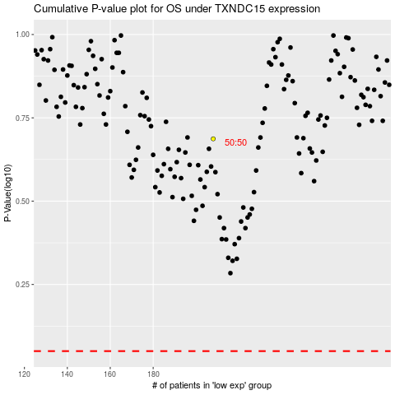

 |  |  |  |  |  | cases_OS | p_OS | rank | exp
 |  |  |  |  |  |  | cases_RFS | p_RFS | rank | exp

