TXNDC17 _multivariate
Reported by Tex Li-Hsing Chi. tex@gate.sinica.edu.tw 2019-08-15

Table 2. The clinicopathological features of HNSCC cohort and TXNDC17 expression. (Chi square test)
Cutoff at -0.469 (34.8%)
 |  | TXNDC17 expression |  | TXNDC17 expression |  | (Optimised)
 | Features | Low | (%) | High | (%) | Case no | P-value | Remark | Matthews
Gender | Female | 114 | 27.5 | 192 | 46.3 | 415 | 0.0862 | 0 | 0
2 | Male | 30 | 7.2 | 79 | 19
Age at diagnosis | <=65y | 100 | 24.1 | 174 | 41.9 | 415 | 0.3353 | 0 | 0
4 | >65y | 44 | 10.6 | 97 | 23.4
Clinical T Status | T1+T2 | 53 | 12.8 | 96 | 23.1 | 415 | 0.8637 | 0 | 0
6 | T3+T4 | 91 | 21.9 | 175 | 42.2
Clinical N Status | N0 | 67 | 16.1 | 149 | 35.9 | 415 | 0.1241 | 0 | 0
8 | N1-3 | 77 | 18.6 | 122 | 29.4
Clinical M Status | M0 | 144 | 34.7 | 268 | 64.6 | 415 | 0.5545 | 0 | 0
10 | M1 | 0 | 0 | 3 | 0.7
Clinical Stage | Stage I+II | 31 | 7.5 | 71 | 17.1 | 415 | 0.3511 | 0 | 0
12 | Stage III+IV | 113 | 27.2 | 200 | 48.2
Surgical Margin status | Negative | 111 | 26.7 | 207 | 49.9 | 415 | 0.9036 | 0 | 0
14 | Positive | 33 | 8 | 64 | 15.4
Tobacco Exposure | Low | 45 | 10.8 | 116 | 28 | 415 | 0.0261 | 1 | 0
16 | High | 99 | 23.9 | 155 | 37.3

Table 3. Univariate/Multivariate Cox's proportional hazards regression analyses on OS time of TXNDC17 gene expression in HNSCC

 |  | Univariate |  |  |  | Multivariate
 | Features | HR | CI95%(L) | CI95%(H) | P-value | HR | CI95%(L) | CI95%(H) | P-value
1 | Female | 1 |  |  |  | 1
Gender | Male | 1.157 | 0.843 | 1.587 | 0.367 | 1.168 | 0.833 | 1.637 | 0.367
11 | <=65y | 1 |  |  |  | 1
Age at diagnosis | >65y | 1.329 | 0.99 | 1.784 | 0.058 | 1.39 | 1.024 | 1.888 | 0.035
12 | T1+T2 | 1 |  |  |  | 1
Clinical T Status | T3+T4 | 1.409 | 1.028 | 1.931 | 0.033 | 2.1 | 1.109 | 3.978 | 0.023
13 | N0 | 1 |  |  |  | 1
Clinical N Status | N1-3 | 1.185 | 0.89 | 1.577 | 0.246 | 1.267 | 0.889 | 1.807 | 0.19
14 | M0 | 1 |  |  |  | 1
Clinical M Status | M1 | 4.097 | 1.009 | 16.644 | 0.049 | 8.007 | 1.733 | 36.983 | 0.008
15 | Stage I+II | 1 |  |  |  | 1
Clinical Stage | Stage III+IV | 1.245 | 0.882 | 1.759 | 0.213 | 0.534 | 0.248 | 1.149 | 0.109
16 | Negative | 1 |  |  |  | 1
Surgical Margin status | Positive | 1.591 | 1.155 | 2.191 | 0.004 | 1.663 | 1.204 | 2.297 | 0.002
17 | Low | 1 |  |  |  | 1
Tobacco Exposure | High | 1.364 | 1.008 | 1.844 | 0.044 | 1.475 | 1.069 | 2.036 | 0.018
18 | Low | 1 |  |  |  | 1
RNAseq(z-score) | High | 1.364 | 1.005 | 1.852 | 0.046 | 1.346 | 0.985 | 1.838 | 0.062

Table 4. Univariate/Multivariate Cox's proportional hazards regression analyses on RFS time of TXNDC17 gene expression in HNSCC

 |  | Univariate |  |  |  | Multivariate
 | Features | HR | CI95%(L) | CI95%(H) | P-value | HR | CI95%(L) | CI95%(H) | P-value
1 | Female | 1 |  |  |  | 1
Gender | Male | 1.157 | 0.843 | 1.587 | 0.367 | 1.168 | 0.833 | 1.637 | 0.367
11 | <=65y | 1 |  |  |  | 1
Age at diagnosis | >65y | 1.329 | 0.99 | 1.784 | 0.058 | 1.39 | 1.024 | 1.888 | 0.035
12 | T1+T2 | 1 |  |  |  | 1
Clinical T Status | T3+T4 | 1.409 | 1.028 | 1.931 | 0.033 | 2.1 | 1.109 | 3.978 | 0.023
13 | N0 | 1 |  |  |  | 1
Clinical N Status | N1-3 | 1.185 | 0.89 | 1.577 | 0.246 | 1.267 | 0.889 | 1.807 | 0.19
14 | M0 | 1 |  |  |  | 1
Clinical M Status | M1 | 4.097 | 1.009 | 16.644 | 0.049 | 8.007 | 1.733 | 36.983 | 0.008
15 | Stage I+II | 1 |  |  |  | 1
Clinical Stage | Stage III+IV | 1.245 | 0.882 | 1.759 | 0.213 | 0.534 | 0.248 | 1.149 | 0.109
16 | Negative | 1 |  |  |  | 1
Surgical Margin status | Positive | 1.591 | 1.155 | 2.191 | 0.004 | 1.663 | 1.204 | 2.297 | 0.002
17 | Low | 1 |  |  |  | 1
Tobacco Exposure | High | 1.364 | 1.008 | 1.844 | 0.044 | 1.475 | 1.069 | 2.036 | 0.018
18 | Low | 1 |  |  |  | 1
RNAseq(z-score) | High | 1.364 | 1.005 | 1.852 | 0.046 | 1.346 | 0.985 | 1.838 | 0.062

Kaplan-Meier survival estimate: Cutoff at -0.469 (34.8%)

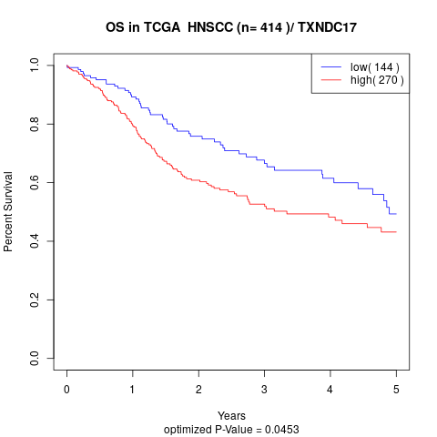

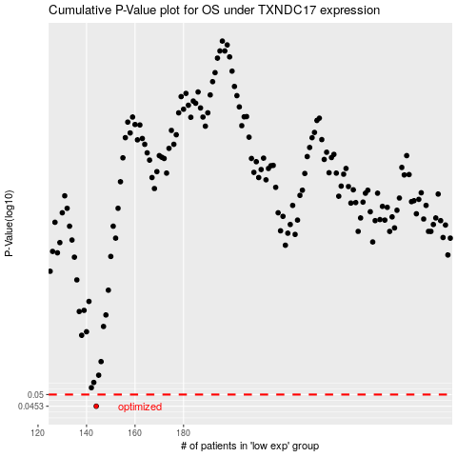

 |  |  |  |  |  | cases_OS | p_OS | rank | exp
 |  |  |  |  |  | 144 | 0.0453 | 54 | -0.46949390458
 |  |  |  |  |  |  | cases_RFS | p_RFS | rank | exp
 |  |  |  |  |  |  | 143 | 0.0453 | 34 | -0.47280080015

