TXNDC3 _multivariate
Reported by Tex Li-Hsing Chi. tex@gate.sinica.edu.tw 2019-08-15

Table 2. The clinicopathological features of HNSCC cohort and TXNDC3 expression. (Chi square test)
Cutoff at -0.247 (49.8%)
 |  | TXNDC3 expression |  | TXNDC3 expression |  | (Optimised)
 | Features | Low | (%) | High | (%) | Case no | P-value | Remark | Matthews
Gender | Female | 163 | 39.3 | 143 | 34.5 | 415 | 0.0277 | 1 | 0
2 | Male | 44 | 10.6 | 65 | 15.7
Age at diagnosis | <=65y | 144 | 34.7 | 130 | 31.3 | 415 | 0.1568 | 0 | 0
4 | >65y | 63 | 15.2 | 78 | 18.8
Clinical T Status | T1+T2 | 69 | 16.6 | 80 | 19.3 | 415 | 0.3239 | 0 | 0
6 | T3+T4 | 138 | 33.3 | 128 | 30.8
Clinical N Status | N0 | 105 | 25.3 | 111 | 26.7 | 415 | 0.6598 | 0 | 0
8 | N1-3 | 102 | 24.6 | 97 | 23.4
Clinical M Status | M0 | 206 | 49.6 | 206 | 49.6 | 415 | 1 | 0 | 0
10 | M1 | 1 | 0.2 | 2 | 0.5
Clinical Stage | Stage I+II | 46 | 11.1 | 56 | 13.5 | 415 | 0.3182 | 0 | 0
12 | Stage III+IV | 161 | 38.8 | 152 | 36.6
Surgical Margin status | Negative | 156 | 37.6 | 162 | 39 | 415 | 0.5636 | 0 | 0
14 | Positive | 51 | 12.3 | 46 | 11.1
Tobacco Exposure | Low | 70 | 16.9 | 91 | 21.9 | 415 | 0.0439 | 1 | 0
16 | High | 137 | 33 | 117 | 28.2

Table 3. Univariate/Multivariate Cox's proportional hazards regression analyses on OS time of TXNDC3 gene expression in HNSCC

 |  | Univariate |  |  |  | Multivariate
 | Features | HR | CI95%(L) | CI95%(H) | P-value | HR | CI95%(L) | CI95%(H) | P-value
1 | Female | 1 |  |  |  | 1
Gender | Male | 1.157 | 0.843 | 1.587 | 0.367 | 1.22 | 0.871 | 1.708 | 0.248
11 | <=65y | 1 |  |  |  | 1
Age at diagnosis | >65y | 1.329 | 0.99 | 1.784 | 0.058 | 1.401 | 1.03 | 1.906 | 0.032
12 | T1+T2 | 1 |  |  |  | 1
Clinical T Status | T3+T4 | 1.409 | 1.028 | 1.931 | 0.033 | 2.212 | 1.17 | 4.182 | 0.015
13 | N0 | 1 |  |  |  | 1
Clinical N Status | N1-3 | 1.185 | 0.89 | 1.577 | 0.246 | 1.248 | 0.875 | 1.782 | 0.222
14 | M0 | 1 |  |  |  | 1
Clinical M Status | M1 | 4.097 | 1.009 | 16.644 | 0.049 | 9.578 | 2.087 | 43.948 | 0.004
15 | Stage I+II | 1 |  |  |  | 1
Clinical Stage | Stage III+IV | 1.245 | 0.882 | 1.759 | 0.213 | 0.498 | 0.232 | 1.069 | 0.074
16 | Negative | 1 |  |  |  | 1
Surgical Margin status | Positive | 1.591 | 1.155 | 2.191 | 0.004 | 1.68 | 1.215 | 2.322 | 0.002
17 | Low | 1 |  |  |  | 1
Tobacco Exposure | High | 1.364 | 1.008 | 1.844 | 0.044 | 1.451 | 1.053 | 2.001 | 0.023
18 | Low | 1 |  |  |  | 1
RNAseq(z-score) | High | 0.931 | 0.699 | 1.24 | 0.625 | 0.899 | 0.672 | 1.203 | 0.474

Table 4. Univariate/Multivariate Cox's proportional hazards regression analyses on RFS time of TXNDC3 gene expression in HNSCC

 |  | Univariate |  |  |  | Multivariate
 | Features | HR | CI95%(L) | CI95%(H) | P-value | HR | CI95%(L) | CI95%(H) | P-value
1 | Female | 1 |  |  |  | 1
Gender | Male | 1.157 | 0.843 | 1.587 | 0.367 | 1.22 | 0.871 | 1.708 | 0.248
11 | <=65y | 1 |  |  |  | 1
Age at diagnosis | >65y | 1.329 | 0.99 | 1.784 | 0.058 | 1.401 | 1.03 | 1.906 | 0.032
12 | T1+T2 | 1 |  |  |  | 1
Clinical T Status | T3+T4 | 1.409 | 1.028 | 1.931 | 0.033 | 2.212 | 1.17 | 4.182 | 0.015
13 | N0 | 1 |  |  |  | 1
Clinical N Status | N1-3 | 1.185 | 0.89 | 1.577 | 0.246 | 1.248 | 0.875 | 1.782 | 0.222
14 | M0 | 1 |  |  |  | 1
Clinical M Status | M1 | 4.097 | 1.009 | 16.644 | 0.049 | 9.578 | 2.087 | 43.948 | 0.004
15 | Stage I+II | 1 |  |  |  | 1
Clinical Stage | Stage III+IV | 1.245 | 0.882 | 1.759 | 0.213 | 0.498 | 0.232 | 1.069 | 0.074
16 | Negative | 1 |  |  |  | 1
Surgical Margin status | Positive | 1.591 | 1.155 | 2.191 | 0.004 | 1.68 | 1.215 | 2.322 | 0.002
17 | Low | 1 |  |  |  | 1
Tobacco Exposure | High | 1.364 | 1.008 | 1.844 | 0.044 | 1.451 | 1.053 | 2.001 | 0.023
18 | Low | 1 |  |  |  | 1
RNAseq(z-score) | High | 0.931 | 0.699 | 1.24 | 0.625 | 0.899 | 0.672 | 1.203 | 0.474

Kaplan-Meier survival estimate: Cutoff at -0.247 (49.8%)



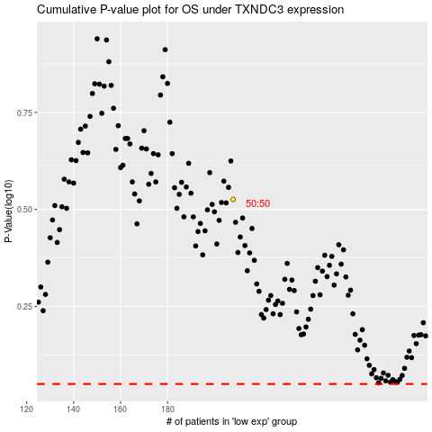

 |  |  |  |  |  | cases_OS | p_OS | rank | exp
 |  |  |  |  |  |  | cases_RFS | p_RFS | rank | exp

