TXNDC5 _multivariate
Reported by Tex Li-Hsing Chi. tex@gate.sinica.edu.tw 2019-08-15

Table 2. The clinicopathological features of HNSCC cohort and TXNDC5 expression. (Chi square test)
Cutoff at -0.353 (42.0%)
 |  | TXNDC5 expression |  | TXNDC5 expression |  | (Optimised)
 | Features | Low | (%) | High | (%) | Case no | P-value | Remark | Matthews
Gender | Female | 128 | 30.8 | 178 | 42.9 | 415 | 1 | 0 | 0
2 | Male | 46 | 11.1 | 63 | 15.2
Age at diagnosis | <=65y | 114 | 27.5 | 160 | 38.6 | 415 | 0.9361 | 0 | 0
4 | >65y | 60 | 14.5 | 81 | 19.5
Clinical T Status | T1+T2 | 71 | 17.1 | 78 | 18.8 | 415 | 0.096 | 0 | 0
6 | T3+T4 | 103 | 24.8 | 163 | 39.3
Clinical N Status | N0 | 90 | 21.7 | 126 | 30.4 | 415 | 0.9899 | 0 | 0
8 | N1-3 | 84 | 20.2 | 115 | 27.7
Clinical M Status | M0 | 172 | 41.4 | 240 | 57.8 | 415 | 0.5745 | 0 | 0
10 | M1 | 2 | 0.5 | 1 | 0.2
Clinical Stage | Stage I+II | 45 | 10.8 | 57 | 13.7 | 415 | 0.6887 | 0 | 0
12 | Stage III+IV | 129 | 31.1 | 184 | 44.3
Surgical Margin status | Negative | 131 | 31.6 | 187 | 45.1 | 415 | 0.6386 | 0 | 0
14 | Positive | 43 | 10.4 | 54 | 13
Tobacco Exposure | Low | 78 | 18.8 | 83 | 20 | 415 | 0.041 | 1 | 0
16 | High | 96 | 23.1 | 158 | 38.1

Table 3. Univariate/Multivariate Cox's proportional hazards regression analyses on OS time of TXNDC5 gene expression in HNSCC

 |  | Univariate |  |  |  | Multivariate
 | Features | HR | CI95%(L) | CI95%(H) | P-value | HR | CI95%(L) | CI95%(H) | P-value
1 | Female | 1 |  |  |  | 1
Gender | Male | 1.157 | 0.843 | 1.587 | 0.367 | 1.203 | 0.861 | 1.681 | 0.279
11 | <=65y | 1 |  |  |  | 1
Age at diagnosis | >65y | 1.329 | 0.99 | 1.784 | 0.058 | 1.393 | 1.025 | 1.891 | 0.034
12 | T1+T2 | 1 |  |  |  | 1
Clinical T Status | T3+T4 | 1.409 | 1.028 | 1.931 | 0.033 | 2.301 | 1.216 | 4.356 | 0.01
13 | N0 | 1 |  |  |  | 1
Clinical N Status | N1-3 | 1.185 | 0.89 | 1.577 | 0.246 | 1.23 | 0.863 | 1.754 | 0.253
14 | M0 | 1 |  |  |  | 1
Clinical M Status | M1 | 4.097 | 1.009 | 16.644 | 0.049 | 9.299 | 2.028 | 42.63 | 0.004
15 | Stage I+II | 1 |  |  |  | 1
Clinical Stage | Stage III+IV | 1.245 | 0.882 | 1.759 | 0.213 | 0.486 | 0.227 | 1.041 | 0.063
16 | Negative | 1 |  |  |  | 1
Surgical Margin status | Positive | 1.591 | 1.155 | 2.191 | 0.004 | 1.661 | 1.202 | 2.295 | 0.002
17 | Low | 1 |  |  |  | 1
Tobacco Exposure | High | 1.364 | 1.008 | 1.844 | 0.044 | 1.467 | 1.064 | 2.022 | 0.019
18 | Low | 1 |  |  |  | 1
RNAseq(z-score) | High | 0.739 | 0.555 | 0.985 | 0.039 | 0.723 | 0.542 | 0.964 | 0.027

Table 4. Univariate/Multivariate Cox's proportional hazards regression analyses on RFS time of TXNDC5 gene expression in HNSCC

 |  | Univariate |  |  |  | Multivariate
 | Features | HR | CI95%(L) | CI95%(H) | P-value | HR | CI95%(L) | CI95%(H) | P-value
1 | Female | 1 |  |  |  | 1
Gender | Male | 1.157 | 0.843 | 1.587 | 0.367 | 1.203 | 0.861 | 1.681 | 0.279
11 | <=65y | 1 |  |  |  | 1
Age at diagnosis | >65y | 1.329 | 0.99 | 1.784 | 0.058 | 1.393 | 1.025 | 1.891 | 0.034
12 | T1+T2 | 1 |  |  |  | 1
Clinical T Status | T3+T4 | 1.409 | 1.028 | 1.931 | 0.033 | 2.301 | 1.216 | 4.356 | 0.01
13 | N0 | 1 |  |  |  | 1
Clinical N Status | N1-3 | 1.185 | 0.89 | 1.577 | 0.246 | 1.23 | 0.863 | 1.754 | 0.253
14 | M0 | 1 |  |  |  | 1
Clinical M Status | M1 | 4.097 | 1.009 | 16.644 | 0.049 | 9.299 | 2.028 | 42.63 | 0.004
15 | Stage I+II | 1 |  |  |  | 1
Clinical Stage | Stage III+IV | 1.245 | 0.882 | 1.759 | 0.213 | 0.486 | 0.227 | 1.041 | 0.063
16 | Negative | 1 |  |  |  | 1
Surgical Margin status | Positive | 1.591 | 1.155 | 2.191 | 0.004 | 1.661 | 1.202 | 2.295 | 0.002
17 | Low | 1 |  |  |  | 1
Tobacco Exposure | High | 1.364 | 1.008 | 1.844 | 0.044 | 1.467 | 1.064 | 2.022 | 0.019
18 | Low | 1 |  |  |  | 1
RNAseq(z-score) | High | 0.739 | 0.555 | 0.985 | 0.039 | 0.723 | 0.542 | 0.964 | 0.027

Kaplan-Meier survival estimate: Cutoff at -0.353 (42.0%)



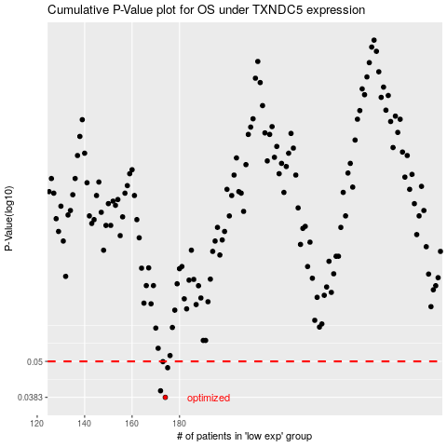

 |  |  |  |  |  | cases_OS | p_OS | rank | exp
 |  |  |  |  |  | 174 | 0.0383 | 116 | -0.35341403616
 |  |  |  |  |  | 172 | 0.0402 | 84 | -0.36276852911
 |  |  |  |  |  | 175 | 0.0477 | 348 | -0.35289366298
 |  |  |  |  |  | 173 | 0.0499 | 137 | -0.35482285321
 |  |  |  |  |  |  | cases_RFS | p_RFS | rank | exp
 |  |  |  |  |  |  | 173 | 0.0383 | 137 | -0.35482285321
 |  |  |  |  |  |  | 171 | 0.0402 | 213 | -0.36329770523
 |  |  |  |  |  |  | 174 | 0.0477 | 116 | -0.35341403616
 |  |  |  |  |  |  | 172 | 0.0499 | 84 | -0.36276852911

