TXNDC6 _multivariate
Reported by Tex Li-Hsing Chi. tex@gate.sinica.edu.tw 2019-08-15

Table 2. The clinicopathological features of HNSCC cohort and TXNDC6 expression. (Chi square test)
Cutoff at -0.112 (50.0%)
 |  | TXNDC6 expression |  | TXNDC6 expression |  | (Optimised)
 | Features | Low | (%) | High | (%) | Case no | P-value | Remark | Matthews
Gender | Female | 150 | 36.1 | 156 | 37.6 | 415 | 0.6344 | 0 | 0
2 | Male | 57 | 13.7 | 52 | 12.5
Age at diagnosis | <=65y | 132 | 31.8 | 142 | 34.2 | 415 | 0.3874 | 0 | 0
4 | >65y | 75 | 18.1 | 66 | 15.9
Clinical T Status | T1+T2 | 69 | 16.6 | 80 | 19.3 | 415 | 0.3239 | 0 | 0
6 | T3+T4 | 138 | 33.3 | 128 | 30.8
Clinical N Status | N0 | 112 | 27 | 104 | 25.1 | 415 | 0.4599 | 0 | 0
8 | N1-3 | 95 | 22.9 | 104 | 25.1
Clinical M Status | M0 | 205 | 49.4 | 207 | 49.9 | 415 | 0.6232 | 0 | 0
10 | M1 | 2 | 0.5 | 1 | 0.2
Clinical Stage | Stage I+II | 48 | 11.6 | 54 | 13 | 415 | 0.5878 | 0 | 0
12 | Stage III+IV | 159 | 38.3 | 154 | 37.1
Surgical Margin status | Negative | 163 | 39.3 | 155 | 37.3 | 415 | 0.3537 | 0 | 0
14 | Positive | 44 | 10.6 | 53 | 12.8
Tobacco Exposure | Low | 80 | 19.3 | 81 | 19.5 | 415 | 1 | 0 | 0
16 | High | 127 | 30.6 | 127 | 30.6

Table 3. Univariate/Multivariate Cox's proportional hazards regression analyses on OS time of TXNDC6 gene expression in HNSCC

 |  | Univariate |  |  |  | Multivariate
 | Features | HR | CI95%(L) | CI95%(H) | P-value | HR | CI95%(L) | CI95%(H) | P-value
1 | Female | 1 |  |  |  | 1
Gender | Male | 1.157 | 0.843 | 1.587 | 0.367 | 1.207 | 0.863 | 1.689 | 0.271
11 | <=65y | 1 |  |  |  | 1
Age at diagnosis | >65y | 1.329 | 0.99 | 1.784 | 0.058 | 1.39 | 1.022 | 1.89 | 0.036
12 | T1+T2 | 1 |  |  |  | 1
Clinical T Status | T3+T4 | 1.409 | 1.028 | 1.931 | 0.033 | 2.215 | 1.17 | 4.192 | 0.015
13 | N0 | 1 |  |  |  | 1
Clinical N Status | N1-3 | 1.185 | 0.89 | 1.577 | 0.246 | 1.237 | 0.867 | 1.766 | 0.241
14 | M0 | 1 |  |  |  | 1
Clinical M Status | M1 | 4.097 | 1.009 | 16.644 | 0.049 | 9.6 | 2.083 | 44.256 | 0.004
15 | Stage I+II | 1 |  |  |  | 1
Clinical Stage | Stage III+IV | 1.245 | 0.882 | 1.759 | 0.213 | 0.504 | 0.235 | 1.081 | 0.078
16 | Negative | 1 |  |  |  | 1
Surgical Margin status | Positive | 1.591 | 1.155 | 2.191 | 0.004 | 1.674 | 1.211 | 2.314 | 0.002
17 | Low | 1 |  |  |  | 1
Tobacco Exposure | High | 1.364 | 1.008 | 1.844 | 0.044 | 1.451 | 1.053 | 2 | 0.023
18 | Low | 1 |  |  |  | 1
RNAseq(z-score) | High | 0.986 | 0.741 | 1.314 | 0.926 | 1.046 | 0.783 | 1.398 | 0.759

Table 4. Univariate/Multivariate Cox's proportional hazards regression analyses on RFS time of TXNDC6 gene expression in HNSCC

 |  | Univariate |  |  |  | Multivariate
 | Features | HR | CI95%(L) | CI95%(H) | P-value | HR | CI95%(L) | CI95%(H) | P-value
1 | Female | 1 |  |  |  | 1
Gender | Male | 1.157 | 0.843 | 1.587 | 0.367 | 1.207 | 0.863 | 1.689 | 0.271
11 | <=65y | 1 |  |  |  | 1
Age at diagnosis | >65y | 1.329 | 0.99 | 1.784 | 0.058 | 1.39 | 1.022 | 1.89 | 0.036
12 | T1+T2 | 1 |  |  |  | 1
Clinical T Status | T3+T4 | 1.409 | 1.028 | 1.931 | 0.033 | 2.215 | 1.17 | 4.192 | 0.015
13 | N0 | 1 |  |  |  | 1
Clinical N Status | N1-3 | 1.185 | 0.89 | 1.577 | 0.246 | 1.237 | 0.867 | 1.766 | 0.241
14 | M0 | 1 |  |  |  | 1
Clinical M Status | M1 | 4.097 | 1.009 | 16.644 | 0.049 | 9.6 | 2.083 | 44.256 | 0.004
15 | Stage I+II | 1 |  |  |  | 1
Clinical Stage | Stage III+IV | 1.245 | 0.882 | 1.759 | 0.213 | 0.504 | 0.235 | 1.081 | 0.078
16 | Negative | 1 |  |  |  | 1
Surgical Margin status | Positive | 1.591 | 1.155 | 2.191 | 0.004 | 1.674 | 1.211 | 2.314 | 0.002
17 | Low | 1 |  |  |  | 1
Tobacco Exposure | High | 1.364 | 1.008 | 1.844 | 0.044 | 1.451 | 1.053 | 2 | 0.023
18 | Low | 1 |  |  |  | 1
RNAseq(z-score) | High | 0.986 | 0.741 | 1.314 | 0.926 | 1.046 | 0.783 | 1.398 | 0.759

Kaplan-Meier survival estimate: Cutoff at -0.112 (50.0%)



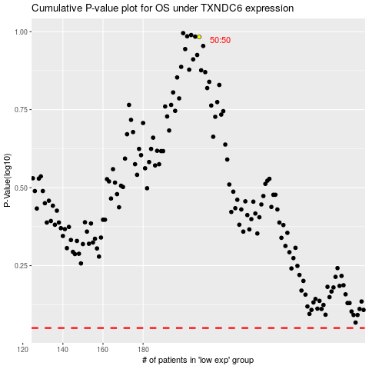

 |  |  |  |  |  | cases_OS | p_OS | rank | exp
 |  |  |  |  |  |  | cases_RFS | p_RFS | rank | exp

