TXNDC9 _multivariate
Reported by Tex Li-Hsing Chi. tex@gate.sinica.edu.tw 2019-08-15

Table 2. The clinicopathological features of HNSCC cohort and TXNDC9 expression. (Chi square test)
Cutoff at -0.125 (50.0%)
 |  | TXNDC9 expression |  | TXNDC9 expression |  | (Optimised)
 | Features | Low | (%) | High | (%) | Case no | P-value | Remark | Matthews
Gender | Female | 159 | 38.3 | 147 | 35.4 | 415 | 0.1905 | 0 | 0
2 | Male | 48 | 11.6 | 61 | 14.7
Age at diagnosis | <=65y | 143 | 34.5 | 131 | 31.6 | 415 | 0.2269 | 0 | 0
4 | >65y | 64 | 15.4 | 77 | 18.6
Clinical T Status | T1+T2 | 72 | 17.3 | 77 | 18.6 | 415 | 0.7095 | 0 | 0
6 | T3+T4 | 135 | 32.5 | 131 | 31.6
Clinical N Status | N0 | 102 | 24.6 | 114 | 27.5 | 415 | 0.3031 | 0 | 0
8 | N1-3 | 105 | 25.3 | 94 | 22.7
Clinical M Status | M0 | 207 | 49.9 | 205 | 49.4 | 415 | 0.2482 | 0 | 0
10 | M1 | 0 | 0 | 3 | 0.7
Clinical Stage | Stage I+II | 44 | 10.6 | 58 | 14 | 415 | 0.1459 | 0 | 0
12 | Stage III+IV | 163 | 39.3 | 150 | 36.1
Surgical Margin status | Negative | 165 | 39.8 | 153 | 36.9 | 415 | 0.1639 | 0 | 0
14 | Positive | 42 | 10.1 | 55 | 13.3
Tobacco Exposure | Low | 73 | 17.6 | 88 | 21.2 | 415 | 0.1587 | 0 | 0
16 | High | 134 | 32.3 | 120 | 28.9

Table 3. Univariate/Multivariate Cox's proportional hazards regression analyses on OS time of TXNDC9 gene expression in HNSCC

 |  | Univariate |  |  |  | Multivariate
 | Features | HR | CI95%(L) | CI95%(H) | P-value | HR | CI95%(L) | CI95%(H) | P-value
1 | Female | 1 |  |  |  | 1
Gender | Male | 1.157 | 0.843 | 1.587 | 0.367 | 1.211 | 0.866 | 1.695 | 0.263
11 | <=65y | 1 |  |  |  | 1
Age at diagnosis | >65y | 1.329 | 0.99 | 1.784 | 0.058 | 1.398 | 1.028 | 1.902 | 0.033
12 | T1+T2 | 1 |  |  |  | 1
Clinical T Status | T3+T4 | 1.409 | 1.028 | 1.931 | 0.033 | 2.222 | 1.174 | 4.208 | 0.014
13 | N0 | 1 |  |  |  | 1
Clinical N Status | N1-3 | 1.185 | 0.89 | 1.577 | 0.246 | 1.242 | 0.871 | 1.773 | 0.231
14 | M0 | 1 |  |  |  | 1
Clinical M Status | M1 | 4.097 | 1.009 | 16.644 | 0.049 | 9.851 | 2.118 | 45.813 | 0.004
15 | Stage I+II | 1 |  |  |  | 1
Clinical Stage | Stage III+IV | 1.245 | 0.882 | 1.759 | 0.213 | 0.496 | 0.23 | 1.069 | 0.073
16 | Negative | 1 |  |  |  | 1
Surgical Margin status | Positive | 1.591 | 1.155 | 2.191 | 0.004 | 1.681 | 1.215 | 2.326 | 0.002
17 | Low | 1 |  |  |  | 1
Tobacco Exposure | High | 1.364 | 1.008 | 1.844 | 0.044 | 1.446 | 1.049 | 1.994 | 0.024
18 | Low | 1 |  |  |  | 1
RNAseq(z-score) | High | 1.001 | 0.752 | 1.333 | 0.995 | 0.936 | 0.696 | 1.259 | 0.662

Table 4. Univariate/Multivariate Cox's proportional hazards regression analyses on RFS time of TXNDC9 gene expression in HNSCC

 |  | Univariate |  |  |  | Multivariate
 | Features | HR | CI95%(L) | CI95%(H) | P-value | HR | CI95%(L) | CI95%(H) | P-value
1 | Female | 1 |  |  |  | 1
Gender | Male | 1.157 | 0.843 | 1.587 | 0.367 | 1.211 | 0.866 | 1.695 | 0.263
11 | <=65y | 1 |  |  |  | 1
Age at diagnosis | >65y | 1.329 | 0.99 | 1.784 | 0.058 | 1.398 | 1.028 | 1.902 | 0.033
12 | T1+T2 | 1 |  |  |  | 1
Clinical T Status | T3+T4 | 1.409 | 1.028 | 1.931 | 0.033 | 2.222 | 1.174 | 4.208 | 0.014
13 | N0 | 1 |  |  |  | 1
Clinical N Status | N1-3 | 1.185 | 0.89 | 1.577 | 0.246 | 1.242 | 0.871 | 1.773 | 0.231
14 | M0 | 1 |  |  |  | 1
Clinical M Status | M1 | 4.097 | 1.009 | 16.644 | 0.049 | 9.851 | 2.118 | 45.813 | 0.004
15 | Stage I+II | 1 |  |  |  | 1
Clinical Stage | Stage III+IV | 1.245 | 0.882 | 1.759 | 0.213 | 0.496 | 0.23 | 1.069 | 0.073
16 | Negative | 1 |  |  |  | 1
Surgical Margin status | Positive | 1.591 | 1.155 | 2.191 | 0.004 | 1.681 | 1.215 | 2.326 | 0.002
17 | Low | 1 |  |  |  | 1
Tobacco Exposure | High | 1.364 | 1.008 | 1.844 | 0.044 | 1.446 | 1.049 | 1.994 | 0.024
18 | Low | 1 |  |  |  | 1
RNAseq(z-score) | High | 1.001 | 0.752 | 1.333 | 0.995 | 0.936 | 0.696 | 1.259 | 0.662

Kaplan-Meier survival estimate: Cutoff at -0.125 (50.0%)



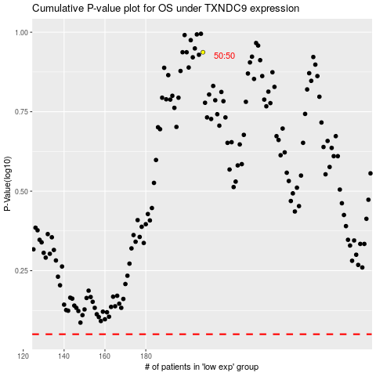

 |  |  |  |  |  | cases_OS | p_OS | rank | exp
 |  |  |  |  |  |  | cases_RFS | p_RFS | rank | exp

