TXNL1 _multivariate
Reported by Tex Li-Hsing Chi. tex@gate.sinica.edu.tw 2019-08-15

Table 2. The clinicopathological features of HNSCC cohort and TXNL1 expression. (Chi square test)
Cutoff at -0.254 (49.8%)
 |  | TXNL1 expression |  | TXNL1 expression |  | (Optimised)
 | Features | Low | (%) | High | (%) | Case no | P-value | Remark | Matthews
Gender | Female | 163 | 39.3 | 143 | 34.5 | 415 | 0.0277 | 1 | 0
2 | Male | 44 | 10.6 | 65 | 15.7
Age at diagnosis | <=65y | 146 | 35.2 | 128 | 30.8 | 415 | 0.0672 | 0 | 0
4 | >65y | 61 | 14.7 | 80 | 19.3
Clinical T Status | T1+T2 | 68 | 16.4 | 81 | 19.5 | 415 | 0.2336 | 0 | 0
6 | T3+T4 | 139 | 33.5 | 127 | 30.6
Clinical N Status | N0 | 111 | 26.7 | 105 | 25.3 | 415 | 0.5875 | 0 | 0
8 | N1-3 | 96 | 23.1 | 103 | 24.8
Clinical M Status | M0 | 206 | 49.6 | 206 | 49.6 | 415 | 1 | 0 | 0
10 | M1 | 1 | 0.2 | 2 | 0.5
Clinical Stage | Stage I+II | 52 | 12.5 | 50 | 12 | 415 | 0.8871 | 0 | 0
12 | Stage III+IV | 155 | 37.3 | 158 | 38.1
Surgical Margin status | Negative | 162 | 39 | 156 | 37.6 | 415 | 0.4867 | 0 | 0
14 | Positive | 45 | 10.8 | 52 | 12.5
Tobacco Exposure | Low | 72 | 17.3 | 89 | 21.4 | 415 | 0.1071 | 0 | 0
16 | High | 135 | 32.5 | 119 | 28.7

Table 3. Univariate/Multivariate Cox's proportional hazards regression analyses on OS time of TXNL1 gene expression in HNSCC

 |  | Univariate |  |  |  | Multivariate
 | Features | HR | CI95%(L) | CI95%(H) | P-value | HR | CI95%(L) | CI95%(H) | P-value
1 | Female | 1 |  |  |  | 1
Gender | Male | 1.157 | 0.843 | 1.587 | 0.367 | 1.19 | 0.848 | 1.67 | 0.313
11 | <=65y | 1 |  |  |  | 1
Age at diagnosis | >65y | 1.329 | 0.99 | 1.784 | 0.058 | 1.387 | 1.02 | 1.887 | 0.037
12 | T1+T2 | 1 |  |  |  | 1
Clinical T Status | T3+T4 | 1.409 | 1.028 | 1.931 | 0.033 | 2.223 | 1.173 | 4.212 | 0.014
13 | N0 | 1 |  |  |  | 1
Clinical N Status | N1-3 | 1.185 | 0.89 | 1.577 | 0.246 | 1.235 | 0.865 | 1.764 | 0.245
14 | M0 | 1 |  |  |  | 1
Clinical M Status | M1 | 4.097 | 1.009 | 16.644 | 0.049 | 9.322 | 2.032 | 42.769 | 0.004
15 | Stage I+II | 1 |  |  |  | 1
Clinical Stage | Stage III+IV | 1.245 | 0.882 | 1.759 | 0.213 | 0.501 | 0.233 | 1.077 | 0.077
16 | Negative | 1 |  |  |  | 1
Surgical Margin status | Positive | 1.591 | 1.155 | 2.191 | 0.004 | 1.667 | 1.206 | 2.304 | 0.002
17 | Low | 1 |  |  |  | 1
Tobacco Exposure | High | 1.364 | 1.008 | 1.844 | 0.044 | 1.454 | 1.055 | 2.004 | 0.022
18 | Low | 1 |  |  |  | 1
RNAseq(z-score) | High | 1.095 | 0.822 | 1.46 | 0.534 | 1.053 | 0.782 | 1.417 | 0.735

Table 4. Univariate/Multivariate Cox's proportional hazards regression analyses on RFS time of TXNL1 gene expression in HNSCC

 |  | Univariate |  |  |  | Multivariate
 | Features | HR | CI95%(L) | CI95%(H) | P-value | HR | CI95%(L) | CI95%(H) | P-value
1 | Female | 1 |  |  |  | 1
Gender | Male | 1.157 | 0.843 | 1.587 | 0.367 | 1.19 | 0.848 | 1.67 | 0.313
11 | <=65y | 1 |  |  |  | 1
Age at diagnosis | >65y | 1.329 | 0.99 | 1.784 | 0.058 | 1.387 | 1.02 | 1.887 | 0.037
12 | T1+T2 | 1 |  |  |  | 1
Clinical T Status | T3+T4 | 1.409 | 1.028 | 1.931 | 0.033 | 2.223 | 1.173 | 4.212 | 0.014
13 | N0 | 1 |  |  |  | 1
Clinical N Status | N1-3 | 1.185 | 0.89 | 1.577 | 0.246 | 1.235 | 0.865 | 1.764 | 0.245
14 | M0 | 1 |  |  |  | 1
Clinical M Status | M1 | 4.097 | 1.009 | 16.644 | 0.049 | 9.322 | 2.032 | 42.769 | 0.004
15 | Stage I+II | 1 |  |  |  | 1
Clinical Stage | Stage III+IV | 1.245 | 0.882 | 1.759 | 0.213 | 0.501 | 0.233 | 1.077 | 0.077
16 | Negative | 1 |  |  |  | 1
Surgical Margin status | Positive | 1.591 | 1.155 | 2.191 | 0.004 | 1.667 | 1.206 | 2.304 | 0.002
17 | Low | 1 |  |  |  | 1
Tobacco Exposure | High | 1.364 | 1.008 | 1.844 | 0.044 | 1.454 | 1.055 | 2.004 | 0.022
18 | Low | 1 |  |  |  | 1
RNAseq(z-score) | High | 1.095 | 0.822 | 1.46 | 0.534 | 1.053 | 0.782 | 1.417 | 0.735

Kaplan-Meier survival estimate: Cutoff at -0.254 (49.8%)

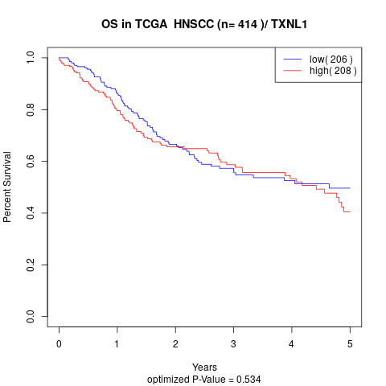

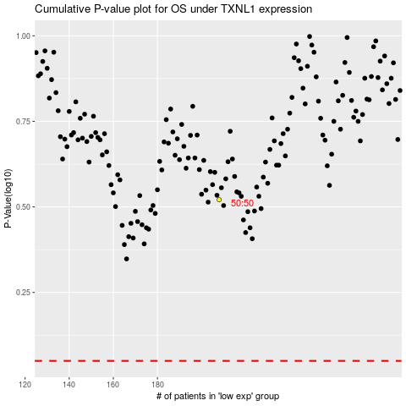

 |  |  |  |  |  | cases_OS | p_OS | rank | exp
 |  |  |  |  |  |  | cases_RFS | p_RFS | rank | exp

