TXNL4A _multivariate
Reported by Tex Li-Hsing Chi. tex@gate.sinica.edu.tw 2019-08-15

Table 2. The clinicopathological features of HNSCC cohort and TXNL4A expression. (Chi square test)
Cutoff at -0.295 (49.8%)
 |  | TXNL4A expression |  | TXNL4A expression |  | (Optimised)
 | Features | Low | (%) | High | (%) | Case no | P-value | Remark | Matthews
Gender | Female | 153 | 36.9 | 153 | 36.9 | 415 | 1 | 0 | 0
2 | Male | 54 | 13 | 55 | 13.3
Age at diagnosis | <=65y | 139 | 33.5 | 135 | 32.5 | 415 | 0.7044 | 0 | 0
4 | >65y | 68 | 16.4 | 73 | 17.6
Clinical T Status | T1+T2 | 70 | 16.9 | 79 | 19 | 415 | 0.4343 | 0 | 0
6 | T3+T4 | 137 | 33 | 129 | 31.1
Clinical N Status | N0 | 102 | 24.6 | 114 | 27.5 | 415 | 0.3031 | 0 | 0
8 | N1-3 | 105 | 25.3 | 94 | 22.7
Clinical M Status | M0 | 206 | 49.6 | 206 | 49.6 | 415 | 1 | 0 | 0
10 | M1 | 1 | 0.2 | 2 | 0.5
Clinical Stage | Stage I+II | 53 | 12.8 | 49 | 11.8 | 415 | 0.7113 | 0 | 0
12 | Stage III+IV | 154 | 37.1 | 159 | 38.3
Surgical Margin status | Negative | 164 | 39.5 | 154 | 37.1 | 415 | 0.2462 | 0 | 0
14 | Positive | 43 | 10.4 | 54 | 13
Tobacco Exposure | Low | 68 | 16.4 | 93 | 22.4 | 415 | 0.0156 | 1 | 0
16 | High | 139 | 33.5 | 115 | 27.7

Table 3. Univariate/Multivariate Cox's proportional hazards regression analyses on OS time of TXNL4A gene expression in HNSCC

 |  | Univariate |  |  |  | Multivariate
 | Features | HR | CI95%(L) | CI95%(H) | P-value | HR | CI95%(L) | CI95%(H) | P-value
1 | Female | 1 |  |  |  | 1
Gender | Male | 1.157 | 0.843 | 1.587 | 0.367 | 1.202 | 0.861 | 1.679 | 0.28
11 | <=65y | 1 |  |  |  | 1
Age at diagnosis | >65y | 1.329 | 0.99 | 1.784 | 0.058 | 1.383 | 1.017 | 1.88 | 0.038
12 | T1+T2 | 1 |  |  |  | 1
Clinical T Status | T3+T4 | 1.409 | 1.028 | 1.931 | 0.033 | 2.147 | 1.132 | 4.074 | 0.019
13 | N0 | 1 |  |  |  | 1
Clinical N Status | N1-3 | 1.185 | 0.89 | 1.577 | 0.246 | 1.214 | 0.848 | 1.739 | 0.289
14 | M0 | 1 |  |  |  | 1
Clinical M Status | M1 | 4.097 | 1.009 | 16.644 | 0.049 | 9.62 | 2.096 | 44.141 | 0.004
15 | Stage I+II | 1 |  |  |  | 1
Clinical Stage | Stage III+IV | 1.245 | 0.882 | 1.759 | 0.213 | 0.524 | 0.243 | 1.132 | 0.1
16 | Negative | 1 |  |  |  | 1
Surgical Margin status | Positive | 1.591 | 1.155 | 2.191 | 0.004 | 1.707 | 1.23 | 2.369 | 0.001
17 | Low | 1 |  |  |  | 1
Tobacco Exposure | High | 1.364 | 1.008 | 1.844 | 0.044 | 1.432 | 1.037 | 1.976 | 0.029
18 | Low | 1 |  |  |  | 1
RNAseq(z-score) | High | 0.879 | 0.66 | 1.171 | 0.379 | 0.883 | 0.657 | 1.188 | 0.412

Table 4. Univariate/Multivariate Cox's proportional hazards regression analyses on RFS time of TXNL4A gene expression in HNSCC

 |  | Univariate |  |  |  | Multivariate
 | Features | HR | CI95%(L) | CI95%(H) | P-value | HR | CI95%(L) | CI95%(H) | P-value
1 | Female | 1 |  |  |  | 1
Gender | Male | 1.157 | 0.843 | 1.587 | 0.367 | 1.202 | 0.861 | 1.679 | 0.28
11 | <=65y | 1 |  |  |  | 1
Age at diagnosis | >65y | 1.329 | 0.99 | 1.784 | 0.058 | 1.383 | 1.017 | 1.88 | 0.038
12 | T1+T2 | 1 |  |  |  | 1
Clinical T Status | T3+T4 | 1.409 | 1.028 | 1.931 | 0.033 | 2.147 | 1.132 | 4.074 | 0.019
13 | N0 | 1 |  |  |  | 1
Clinical N Status | N1-3 | 1.185 | 0.89 | 1.577 | 0.246 | 1.214 | 0.848 | 1.739 | 0.289
14 | M0 | 1 |  |  |  | 1
Clinical M Status | M1 | 4.097 | 1.009 | 16.644 | 0.049 | 9.62 | 2.096 | 44.141 | 0.004
15 | Stage I+II | 1 |  |  |  | 1
Clinical Stage | Stage III+IV | 1.245 | 0.882 | 1.759 | 0.213 | 0.524 | 0.243 | 1.132 | 0.1
16 | Negative | 1 |  |  |  | 1
Surgical Margin status | Positive | 1.591 | 1.155 | 2.191 | 0.004 | 1.707 | 1.23 | 2.369 | 0.001
17 | Low | 1 |  |  |  | 1
Tobacco Exposure | High | 1.364 | 1.008 | 1.844 | 0.044 | 1.432 | 1.037 | 1.976 | 0.029
18 | Low | 1 |  |  |  | 1
RNAseq(z-score) | High | 0.879 | 0.66 | 1.171 | 0.379 | 0.883 | 0.657 | 1.188 | 0.412

Kaplan-Meier survival estimate: Cutoff at -0.295 (49.8%)



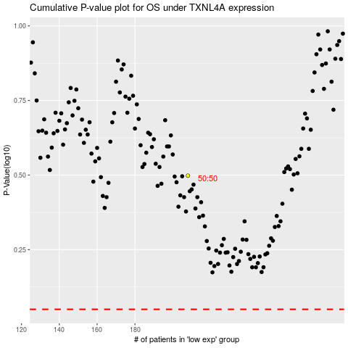

 |  |  |  |  |  | cases_OS | p_OS | rank | exp
 |  |  |  |  |  |  | cases_RFS | p_RFS | rank | exp

