TXNL4B _multivariate
Reported by Tex Li-Hsing Chi. tex@gate.sinica.edu.tw 2019-08-15

Table 2. The clinicopathological features of HNSCC cohort and TXNL4B expression. (Chi square test)
Cutoff at -0.113 (49.8%)
 |  | TXNL4B expression |  | TXNL4B expression |  | (Optimised)
 | Features | Low | (%) | High | (%) | Case no | P-value | Remark | Matthews
Gender | Female | 141 | 34 | 165 | 39.8 | 415 | 0.013 | 1 | 0
2 | Male | 66 | 15.9 | 43 | 10.4
Age at diagnosis | <=65y | 132 | 31.8 | 142 | 34.2 | 415 | 0.3874 | 0 | 0
4 | >65y | 75 | 18.1 | 66 | 15.9
Clinical T Status | T1+T2 | 69 | 16.6 | 80 | 19.3 | 415 | 0.3239 | 0 | 0
6 | T3+T4 | 138 | 33.3 | 128 | 30.8
Clinical N Status | N0 | 111 | 26.7 | 105 | 25.3 | 415 | 0.5875 | 0 | 0
8 | N1-3 | 96 | 23.1 | 103 | 24.8
Clinical M Status | M0 | 207 | 49.9 | 205 | 49.4 | 415 | 0.2482 | 0 | 0
10 | M1 | 0 | 0 | 3 | 0.7
Clinical Stage | Stage I+II | 49 | 11.8 | 53 | 12.8 | 415 | 0.7535 | 0 | 0
12 | Stage III+IV | 158 | 38.1 | 155 | 37.3
Surgical Margin status | Negative | 166 | 40 | 152 | 36.6 | 415 | 0.1042 | 0 | 0
14 | Positive | 41 | 9.9 | 56 | 13.5
Tobacco Exposure | Low | 89 | 21.4 | 72 | 17.3 | 415 | 0.0872 | 0 | 0
16 | High | 118 | 28.4 | 136 | 32.8

Table 3. Univariate/Multivariate Cox's proportional hazards regression analyses on OS time of TXNL4B gene expression in HNSCC

 |  | Univariate |  |  |  | Multivariate
 | Features | HR | CI95%(L) | CI95%(H) | P-value | HR | CI95%(L) | CI95%(H) | P-value
1 | Female | 1 |  |  |  | 1
Gender | Male | 1.157 | 0.843 | 1.587 | 0.367 | 1.201 | 0.86 | 1.678 | 0.283
11 | <=65y | 1 |  |  |  | 1
Age at diagnosis | >65y | 1.329 | 0.99 | 1.784 | 0.058 | 1.39 | 1.023 | 1.891 | 0.036
12 | T1+T2 | 1 |  |  |  | 1
Clinical T Status | T3+T4 | 1.409 | 1.028 | 1.931 | 0.033 | 2.204 | 1.165 | 4.168 | 0.015
13 | N0 | 1 |  |  |  | 1
Clinical N Status | N1-3 | 1.185 | 0.89 | 1.577 | 0.246 | 1.243 | 0.87 | 1.776 | 0.231
14 | M0 | 1 |  |  |  | 1
Clinical M Status | M1 | 4.097 | 1.009 | 16.644 | 0.049 | 9.511 | 2.059 | 43.939 | 0.004
15 | Stage I+II | 1 |  |  |  | 1
Clinical Stage | Stage III+IV | 1.245 | 0.882 | 1.759 | 0.213 | 0.502 | 0.233 | 1.081 | 0.078
16 | Negative | 1 |  |  |  | 1
Surgical Margin status | Positive | 1.591 | 1.155 | 2.191 | 0.004 | 1.676 | 1.21 | 2.322 | 0.002
17 | Low | 1 |  |  |  | 1
Tobacco Exposure | High | 1.364 | 1.008 | 1.844 | 0.044 | 1.455 | 1.055 | 2.006 | 0.022
18 | Low | 1 |  |  |  | 1
RNAseq(z-score) | High | 1.03 | 0.772 | 1.375 | 0.84 | 0.979 | 0.728 | 1.317 | 0.888

Table 4. Univariate/Multivariate Cox's proportional hazards regression analyses on RFS time of TXNL4B gene expression in HNSCC

 |  | Univariate |  |  |  | Multivariate
 | Features | HR | CI95%(L) | CI95%(H) | P-value | HR | CI95%(L) | CI95%(H) | P-value
1 | Female | 1 |  |  |  | 1
Gender | Male | 1.157 | 0.843 | 1.587 | 0.367 | 1.201 | 0.86 | 1.678 | 0.283
11 | <=65y | 1 |  |  |  | 1
Age at diagnosis | >65y | 1.329 | 0.99 | 1.784 | 0.058 | 1.39 | 1.023 | 1.891 | 0.036
12 | T1+T2 | 1 |  |  |  | 1
Clinical T Status | T3+T4 | 1.409 | 1.028 | 1.931 | 0.033 | 2.204 | 1.165 | 4.168 | 0.015
13 | N0 | 1 |  |  |  | 1
Clinical N Status | N1-3 | 1.185 | 0.89 | 1.577 | 0.246 | 1.243 | 0.87 | 1.776 | 0.231
14 | M0 | 1 |  |  |  | 1
Clinical M Status | M1 | 4.097 | 1.009 | 16.644 | 0.049 | 9.511 | 2.059 | 43.939 | 0.004
15 | Stage I+II | 1 |  |  |  | 1
Clinical Stage | Stage III+IV | 1.245 | 0.882 | 1.759 | 0.213 | 0.502 | 0.233 | 1.081 | 0.078
16 | Negative | 1 |  |  |  | 1
Surgical Margin status | Positive | 1.591 | 1.155 | 2.191 | 0.004 | 1.676 | 1.21 | 2.322 | 0.002
17 | Low | 1 |  |  |  | 1
Tobacco Exposure | High | 1.364 | 1.008 | 1.844 | 0.044 | 1.455 | 1.055 | 2.006 | 0.022
18 | Low | 1 |  |  |  | 1
RNAseq(z-score) | High | 1.03 | 0.772 | 1.375 | 0.84 | 0.979 | 0.728 | 1.317 | 0.888

Kaplan-Meier survival estimate: Cutoff at -0.113 (49.8%)



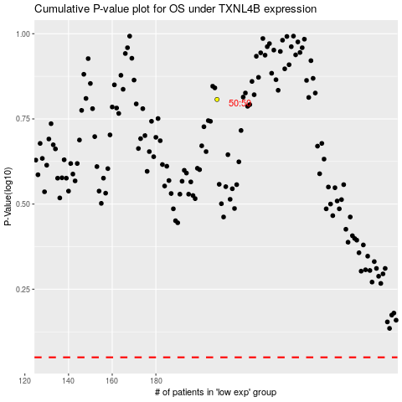

 |  |  |  |  |  | cases_OS | p_OS | rank | exp
 |  |  |  |  |  |  | cases_RFS | p_RFS | rank | exp

