TXNRD2 _multivariate
Reported by Tex Li-Hsing Chi. tex@gate.sinica.edu.tw 2019-08-15

Table 2. The clinicopathological features of HNSCC cohort and TXNRD2 expression. (Chi square test)
Cutoff at -0.361 (42.8%)
 |  | TXNRD2 expression |  | TXNRD2 expression |  | (Optimised)
 | Features | Low | (%) | High | (%) | Case no | P-value | Remark | Matthews
Gender | Female | 131 | 31.6 | 175 | 42.2 | 415 | 1 | 0 | 0
2 | Male | 46 | 11.1 | 63 | 15.2
Age at diagnosis | <=65y | 116 | 28 | 158 | 38.1 | 415 | 0.9394 | 0 | 0
4 | >65y | 61 | 14.7 | 80 | 19.3
Clinical T Status | T1+T2 | 63 | 15.2 | 86 | 20.7 | 415 | 0.9918 | 0 | 0
6 | T3+T4 | 114 | 27.5 | 152 | 36.6
Clinical N Status | N0 | 95 | 22.9 | 121 | 29.2 | 415 | 0.6371 | 0 | 0
8 | N1-3 | 82 | 19.8 | 117 | 28.2
Clinical M Status | M0 | 176 | 42.4 | 236 | 56.9 | 415 | 1 | 0 | 0
10 | M1 | 1 | 0.2 | 2 | 0.5
Clinical Stage | Stage I+II | 47 | 11.3 | 55 | 13.3 | 415 | 0.4897 | 0 | 0
12 | Stage III+IV | 130 | 31.3 | 183 | 44.1
Surgical Margin status | Negative | 139 | 33.5 | 179 | 43.1 | 415 | 0.4821 | 0 | 0
14 | Positive | 38 | 9.2 | 59 | 14.2
Tobacco Exposure | Low | 74 | 17.8 | 87 | 21 | 415 | 0.3087 | 0 | 0
16 | High | 103 | 24.8 | 151 | 36.4

Table 3. Univariate/Multivariate Cox's proportional hazards regression analyses on OS time of TXNRD2 gene expression in HNSCC

 |  | Univariate |  |  |  | Multivariate
 | Features | HR | CI95%(L) | CI95%(H) | P-value | HR | CI95%(L) | CI95%(H) | P-value
1 | Female | 1 |  |  |  | 1
Gender | Male | 1.157 | 0.843 | 1.587 | 0.367 | 1.187 | 0.849 | 1.661 | 0.316
11 | <=65y | 1 |  |  |  | 1
Age at diagnosis | >65y | 1.329 | 0.99 | 1.784 | 0.058 | 1.384 | 1.019 | 1.882 | 0.038
12 | T1+T2 | 1 |  |  |  | 1
Clinical T Status | T3+T4 | 1.409 | 1.028 | 1.931 | 0.033 | 2.228 | 1.178 | 4.214 | 0.014
13 | N0 | 1 |  |  |  | 1
Clinical N Status | N1-3 | 1.185 | 0.89 | 1.577 | 0.246 | 1.238 | 0.868 | 1.766 | 0.239
14 | M0 | 1 |  |  |  | 1
Clinical M Status | M1 | 4.097 | 1.009 | 16.644 | 0.049 | 9.363 | 2.042 | 42.926 | 0.004
15 | Stage I+II | 1 |  |  |  | 1
Clinical Stage | Stage III+IV | 1.245 | 0.882 | 1.759 | 0.213 | 0.49 | 0.228 | 1.053 | 0.068
16 | Negative | 1 |  |  |  | 1
Surgical Margin status | Positive | 1.591 | 1.155 | 2.191 | 0.004 | 1.633 | 1.181 | 2.259 | 0.003
17 | Low | 1 |  |  |  | 1
Tobacco Exposure | High | 1.364 | 1.008 | 1.844 | 0.044 | 1.414 | 1.025 | 1.95 | 0.035
18 | Low | 1 |  |  |  | 1
RNAseq(z-score) | High | 1.377 | 1.021 | 1.857 | 0.036 | 1.272 | 0.94 | 1.722 | 0.119

Table 4. Univariate/Multivariate Cox's proportional hazards regression analyses on RFS time of TXNRD2 gene expression in HNSCC

 |  | Univariate |  |  |  | Multivariate
 | Features | HR | CI95%(L) | CI95%(H) | P-value | HR | CI95%(L) | CI95%(H) | P-value
1 | Female | 1 |  |  |  | 1
Gender | Male | 1.157 | 0.843 | 1.587 | 0.367 | 1.187 | 0.849 | 1.661 | 0.316
11 | <=65y | 1 |  |  |  | 1
Age at diagnosis | >65y | 1.329 | 0.99 | 1.784 | 0.058 | 1.384 | 1.019 | 1.882 | 0.038
12 | T1+T2 | 1 |  |  |  | 1
Clinical T Status | T3+T4 | 1.409 | 1.028 | 1.931 | 0.033 | 2.228 | 1.178 | 4.214 | 0.014
13 | N0 | 1 |  |  |  | 1
Clinical N Status | N1-3 | 1.185 | 0.89 | 1.577 | 0.246 | 1.238 | 0.868 | 1.766 | 0.239
14 | M0 | 1 |  |  |  | 1
Clinical M Status | M1 | 4.097 | 1.009 | 16.644 | 0.049 | 9.363 | 2.042 | 42.926 | 0.004
15 | Stage I+II | 1 |  |  |  | 1
Clinical Stage | Stage III+IV | 1.245 | 0.882 | 1.759 | 0.213 | 0.49 | 0.228 | 1.053 | 0.068
16 | Negative | 1 |  |  |  | 1
Surgical Margin status | Positive | 1.591 | 1.155 | 2.191 | 0.004 | 1.633 | 1.181 | 2.259 | 0.003
17 | Low | 1 |  |  |  | 1
Tobacco Exposure | High | 1.364 | 1.008 | 1.844 | 0.044 | 1.414 | 1.025 | 1.95 | 0.035
18 | Low | 1 |  |  |  | 1
RNAseq(z-score) | High | 1.377 | 1.021 | 1.857 | 0.036 | 1.272 | 0.94 | 1.722 | 0.119

Kaplan-Meier survival estimate: Cutoff at -0.361 (42.8%)



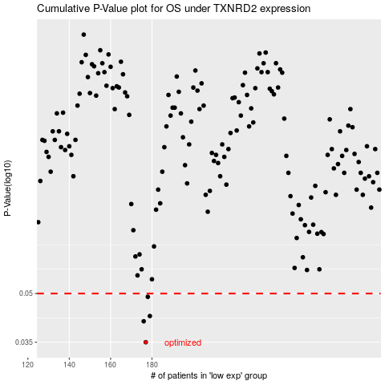

 |  |  |  |  |  | cases_OS | p_OS | rank | exp
 |  |  |  |  |  | 177 | 0.035 | 201 | -0.36127584394
 |  |  |  |  |  | 176 | 0.0408 | 37 | -0.36485919924
 |  |  |  |  |  | 179 | 0.0424 | 372 | -0.35106934978
 |  |  |  |  |  | 178 | 0.0488 | 293 | -0.35634430345
 |  |  |  |  |  |  | cases_RFS | p_RFS | rank | exp
 |  |  |  |  |  |  | 176 | 0.035 | 37 | -0.36485919924
 |  |  |  |  |  |  | 175 | 0.0408 | 232 | -0.36857466713
 |  |  |  |  |  |  | 178 | 0.0424 | 293 | -0.35634430345
 |  |  |  |  |  |  | 177 | 0.0488 | 201 | -0.36127584394

