TXNRD3IT1 _multivariate
Reported by Tex Li-Hsing Chi. tex@gate.sinica.edu.tw 2019-08-15

Table 2. The clinicopathological features of HNSCC cohort and TXNRD3IT1 expression. (Chi square test)
Cutoff at -0.13 (49.8%)
 |  | TXNRD3IT1 expression |  | TXNRD3IT1 expression |  | (Optimised)
 | Features | Low | (%) | High | (%) | Case no | P-value | Remark | Matthews
Gender | Female | 143 | 34.5 | 163 | 39.3 | 415 | 0.0416 | 1 | 0
2 | Male | 64 | 15.4 | 45 | 10.8
Age at diagnosis | <=65y | 138 | 33.3 | 136 | 32.8 | 415 | 0.8634 | 0 | 0
4 | >65y | 69 | 16.6 | 72 | 17.3
Clinical T Status | T1+T2 | 89 | 21.4 | 60 | 14.5 | 415 | 0.0037 | 1 | 0
6 | T3+T4 | 118 | 28.4 | 148 | 35.7
Clinical N Status | N0 | 106 | 25.5 | 110 | 26.5 | 415 | 0.8075 | 0 | 0
8 | N1-3 | 101 | 24.3 | 98 | 23.6
Clinical M Status | M0 | 206 | 49.6 | 206 | 49.6 | 415 | 1 | 0 | 0
10 | M1 | 1 | 0.2 | 2 | 0.5
Clinical Stage | Stage I+II | 60 | 14.5 | 42 | 10.1 | 415 | 0.0493 | 1 | 0
12 | Stage III+IV | 147 | 35.4 | 166 | 40
Surgical Margin status | Negative | 163 | 39.3 | 155 | 37.3 | 415 | 0.3537 | 0 | 0
14 | Positive | 44 | 10.6 | 53 | 12.8
Tobacco Exposure | Low | 85 | 20.5 | 76 | 18.3 | 415 | 0.3655 | 0 | 0
16 | High | 122 | 29.4 | 132 | 31.8

Table 3. Univariate/Multivariate Cox's proportional hazards regression analyses on OS time of TXNRD3IT1 gene expression in HNSCC

 |  | Univariate |  |  |  | Multivariate
 | Features | HR | CI95%(L) | CI95%(H) | P-value | HR | CI95%(L) | CI95%(H) | P-value
1 | Female | 1 |  |  |  | 1
Gender | Male | 1.157 | 0.843 | 1.587 | 0.367 | 1.169 | 0.835 | 1.635 | 0.364
11 | <=65y | 1 |  |  |  | 1
Age at diagnosis | >65y | 1.329 | 0.99 | 1.784 | 0.058 | 1.42 | 1.043 | 1.934 | 0.026
12 | T1+T2 | 1 |  |  |  | 1
Clinical T Status | T3+T4 | 1.409 | 1.028 | 1.931 | 0.033 | 2.342 | 1.233 | 4.448 | 0.009
13 | N0 | 1 |  |  |  | 1
Clinical N Status | N1-3 | 1.185 | 0.89 | 1.577 | 0.246 | 1.238 | 0.868 | 1.764 | 0.238
14 | M0 | 1 |  |  |  | 1
Clinical M Status | M1 | 4.097 | 1.009 | 16.644 | 0.049 | 10.107 | 2.198 | 46.474 | 0.003
15 | Stage I+II | 1 |  |  |  | 1
Clinical Stage | Stage III+IV | 1.245 | 0.882 | 1.759 | 0.213 | 0.49 | 0.228 | 1.052 | 0.067
16 | Negative | 1 |  |  |  | 1
Surgical Margin status | Positive | 1.591 | 1.155 | 2.191 | 0.004 | 1.69 | 1.222 | 2.336 | 0.002
17 | Low | 1 |  |  |  | 1
Tobacco Exposure | High | 1.364 | 1.008 | 1.844 | 0.044 | 1.465 | 1.063 | 2.019 | 0.02
18 | Low | 1 |  |  |  | 1
RNAseq(z-score) | High | 0.877 | 0.658 | 1.169 | 0.37 | 0.796 | 0.593 | 1.068 | 0.128

Table 4. Univariate/Multivariate Cox's proportional hazards regression analyses on RFS time of TXNRD3IT1 gene expression in HNSCC

 |  | Univariate |  |  |  | Multivariate
 | Features | HR | CI95%(L) | CI95%(H) | P-value | HR | CI95%(L) | CI95%(H) | P-value
1 | Female | 1 |  |  |  | 1
Gender | Male | 1.157 | 0.843 | 1.587 | 0.367 | 1.169 | 0.835 | 1.635 | 0.364
11 | <=65y | 1 |  |  |  | 1
Age at diagnosis | >65y | 1.329 | 0.99 | 1.784 | 0.058 | 1.42 | 1.043 | 1.934 | 0.026
12 | T1+T2 | 1 |  |  |  | 1
Clinical T Status | T3+T4 | 1.409 | 1.028 | 1.931 | 0.033 | 2.342 | 1.233 | 4.448 | 0.009
13 | N0 | 1 |  |  |  | 1
Clinical N Status | N1-3 | 1.185 | 0.89 | 1.577 | 0.246 | 1.238 | 0.868 | 1.764 | 0.238
14 | M0 | 1 |  |  |  | 1
Clinical M Status | M1 | 4.097 | 1.009 | 16.644 | 0.049 | 10.107 | 2.198 | 46.474 | 0.003
15 | Stage I+II | 1 |  |  |  | 1
Clinical Stage | Stage III+IV | 1.245 | 0.882 | 1.759 | 0.213 | 0.49 | 0.228 | 1.052 | 0.067
16 | Negative | 1 |  |  |  | 1
Surgical Margin status | Positive | 1.591 | 1.155 | 2.191 | 0.004 | 1.69 | 1.222 | 2.336 | 0.002
17 | Low | 1 |  |  |  | 1
Tobacco Exposure | High | 1.364 | 1.008 | 1.844 | 0.044 | 1.465 | 1.063 | 2.019 | 0.02
18 | Low | 1 |  |  |  | 1
RNAseq(z-score) | High | 0.877 | 0.658 | 1.169 | 0.37 | 0.796 | 0.593 | 1.068 | 0.128

Kaplan-Meier survival estimate: Cutoff at -0.13 (49.8%)



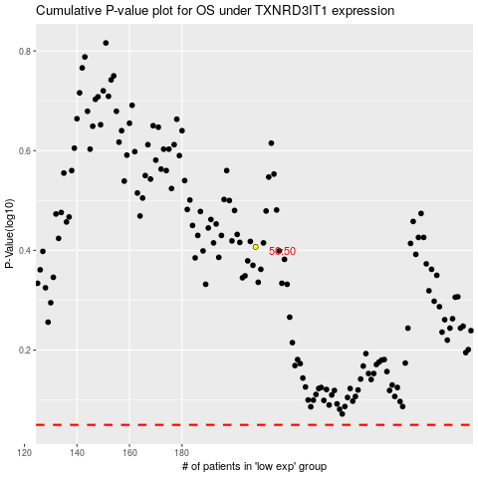

 |  |  |  |  |  | cases_OS | p_OS | rank | exp
 |  |  |  |  |  |  | cases_RFS | p_RFS | rank | exp

