TYMP _multivariate
Reported by Tex Li-Hsing Chi. tex@gate.sinica.edu.tw 2019-08-15

Table 2. The clinicopathological features of HNSCC cohort and TYMP expression. (Chi square test)
Cutoff at -0.196 (50.0%)
 |  | TYMP expression |  | TYMP expression |  | (Optimised)
 | Features | Low | (%) | High | (%) | Case no | P-value | Remark | Matthews
Gender | Female | 168 | 40.5 | 138 | 33.3 | 415 | 9e-04 | 1 | 0
2 | Male | 39 | 9.4 | 70 | 16.9
Age at diagnosis | <=65y | 145 | 34.9 | 129 | 31.1 | 415 | 0.1046 | 0 | 0
4 | >65y | 62 | 14.9 | 79 | 19
Clinical T Status | T1+T2 | 71 | 17.1 | 78 | 18.8 | 415 | 0.5638 | 0 | 0
6 | T3+T4 | 136 | 32.8 | 130 | 31.3
Clinical N Status | N0 | 106 | 25.5 | 110 | 26.5 | 415 | 0.8075 | 0 | 0
8 | N1-3 | 101 | 24.3 | 98 | 23.6
Clinical M Status | M0 | 207 | 49.9 | 205 | 49.4 | 415 | 0.2482 | 0 | 0
10 | M1 | 0 | 0 | 3 | 0.7
Clinical Stage | Stage I+II | 48 | 11.6 | 54 | 13 | 415 | 0.5878 | 0 | 0
12 | Stage III+IV | 159 | 38.3 | 154 | 37.1
Surgical Margin status | Negative | 163 | 39.3 | 155 | 37.3 | 415 | 0.3537 | 0 | 0
14 | Positive | 44 | 10.6 | 53 | 12.8
Tobacco Exposure | Low | 62 | 14.9 | 99 | 23.9 | 415 | 3e-04 | 1 | 0
16 | High | 145 | 34.9 | 109 | 26.3

Table 3. Univariate/Multivariate Cox's proportional hazards regression analyses on OS time of TYMP gene expression in HNSCC

 |  | Univariate |  |  |  | Multivariate
 | Features | HR | CI95%(L) | CI95%(H) | P-value | HR | CI95%(L) | CI95%(H) | P-value
1 | Female | 1 |  |  |  | 1
Gender | Male | 1.157 | 0.843 | 1.587 | 0.367 | 1.222 | 0.872 | 1.713 | 0.243
11 | <=65y | 1 |  |  |  | 1
Age at diagnosis | >65y | 1.329 | 0.99 | 1.784 | 0.058 | 1.397 | 1.028 | 1.899 | 0.033
12 | T1+T2 | 1 |  |  |  | 1
Clinical T Status | T3+T4 | 1.409 | 1.028 | 1.931 | 0.033 | 2.22 | 1.174 | 4.199 | 0.014
13 | N0 | 1 |  |  |  | 1
Clinical N Status | N1-3 | 1.185 | 0.89 | 1.577 | 0.246 | 1.237 | 0.867 | 1.765 | 0.241
14 | M0 | 1 |  |  |  | 1
Clinical M Status | M1 | 4.097 | 1.009 | 16.644 | 0.049 | 10.077 | 2.171 | 46.784 | 0.003
15 | Stage I+II | 1 |  |  |  | 1
Clinical Stage | Stage III+IV | 1.245 | 0.882 | 1.759 | 0.213 | 0.501 | 0.233 | 1.076 | 0.076
16 | Negative | 1 |  |  |  | 1
Surgical Margin status | Positive | 1.591 | 1.155 | 2.191 | 0.004 | 1.696 | 1.224 | 2.35 | 0.001
17 | Low | 1 |  |  |  | 1
Tobacco Exposure | High | 1.364 | 1.008 | 1.844 | 0.044 | 1.419 | 1.024 | 1.967 | 0.036
18 | Low | 1 |  |  |  | 1
RNAseq(z-score) | High | 0.961 | 0.722 | 1.281 | 0.788 | 0.897 | 0.661 | 1.218 | 0.487

Table 4. Univariate/Multivariate Cox's proportional hazards regression analyses on RFS time of TYMP gene expression in HNSCC

 |  | Univariate |  |  |  | Multivariate
 | Features | HR | CI95%(L) | CI95%(H) | P-value | HR | CI95%(L) | CI95%(H) | P-value
1 | Female | 1 |  |  |  | 1
Gender | Male | 1.157 | 0.843 | 1.587 | 0.367 | 1.222 | 0.872 | 1.713 | 0.243
11 | <=65y | 1 |  |  |  | 1
Age at diagnosis | >65y | 1.329 | 0.99 | 1.784 | 0.058 | 1.397 | 1.028 | 1.899 | 0.033
12 | T1+T2 | 1 |  |  |  | 1
Clinical T Status | T3+T4 | 1.409 | 1.028 | 1.931 | 0.033 | 2.22 | 1.174 | 4.199 | 0.014
13 | N0 | 1 |  |  |  | 1
Clinical N Status | N1-3 | 1.185 | 0.89 | 1.577 | 0.246 | 1.237 | 0.867 | 1.765 | 0.241
14 | M0 | 1 |  |  |  | 1
Clinical M Status | M1 | 4.097 | 1.009 | 16.644 | 0.049 | 10.077 | 2.171 | 46.784 | 0.003
15 | Stage I+II | 1 |  |  |  | 1
Clinical Stage | Stage III+IV | 1.245 | 0.882 | 1.759 | 0.213 | 0.501 | 0.233 | 1.076 | 0.076
16 | Negative | 1 |  |  |  | 1
Surgical Margin status | Positive | 1.591 | 1.155 | 2.191 | 0.004 | 1.696 | 1.224 | 2.35 | 0.001
17 | Low | 1 |  |  |  | 1
Tobacco Exposure | High | 1.364 | 1.008 | 1.844 | 0.044 | 1.419 | 1.024 | 1.967 | 0.036
18 | Low | 1 |  |  |  | 1
RNAseq(z-score) | High | 0.961 | 0.722 | 1.281 | 0.788 | 0.897 | 0.661 | 1.218 | 0.487

Kaplan-Meier survival estimate: Cutoff at -0.196 (50.0%)



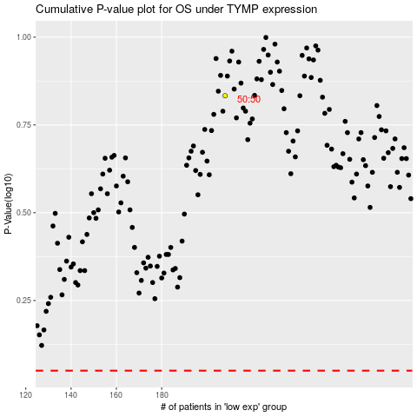

 |  |  |  |  |  | cases_OS | p_OS | rank | exp
 |  |  |  |  |  |  | cases_RFS | p_RFS | rank | exp

