TYMS _multivariate
Reported by Tex Li-Hsing Chi. tex@gate.sinica.edu.tw 2019-08-15

Table 2. The clinicopathological features of HNSCC cohort and TYMS expression. (Chi square test)
Cutoff at -0.274 (49.8%)
 |  | TYMS expression |  | TYMS expression |  | (Optimised)
 | Features | Low | (%) | High | (%) | Case no | P-value | Remark | Matthews
Gender | Female | 147 | 35.4 | 159 | 38.3 | 415 | 0.2523 | 0 | 0
2 | Male | 60 | 14.5 | 49 | 11.8
Age at diagnosis | <=65y | 137 | 33 | 137 | 33 | 415 | 1 | 0 | 0
4 | >65y | 70 | 16.9 | 71 | 17.1
Clinical T Status | T1+T2 | 76 | 18.3 | 73 | 17.6 | 415 | 0.8092 | 0 | 0
6 | T3+T4 | 131 | 31.6 | 135 | 32.5
Clinical N Status | N0 | 113 | 27.2 | 103 | 24.8 | 415 | 0.3495 | 1 | 0
8 | N1-3 | 94 | 22.7 | 105 | 25.3
Clinical M Status | M0 | 205 | 49.4 | 207 | 49.9 | 415 | 0.6232 | 0 | 0
10 | M1 | 2 | 0.5 | 1 | 0.2
Clinical Stage | Stage I+II | 56 | 13.5 | 46 | 11.1 | 415 | 0.2918 | 0 | 0
12 | Stage III+IV | 151 | 36.4 | 162 | 39
Surgical Margin status | Negative | 167 | 40.2 | 151 | 36.4 | 415 | 0.0632 | 0 | 0
14 | Positive | 40 | 9.6 | 57 | 13.7
Tobacco Exposure | Low | 89 | 21.4 | 72 | 17.3 | 415 | 0.0872 | 0 | 0
16 | High | 118 | 28.4 | 136 | 32.8

Table 3. Univariate/Multivariate Cox's proportional hazards regression analyses on OS time of TYMS gene expression in HNSCC

 |  | Univariate |  |  |  | Multivariate
 | Features | HR | CI95%(L) | CI95%(H) | P-value | HR | CI95%(L) | CI95%(H) | P-value
1 | Female | 1 |  |  |  | 1
Gender | Male | 1.157 | 0.843 | 1.587 | 0.367 | 1.203 | 0.861 | 1.681 | 0.279
11 | <=65y | 1 |  |  |  | 1
Age at diagnosis | >65y | 1.329 | 0.99 | 1.784 | 0.058 | 1.387 | 1.02 | 1.886 | 0.037
12 | T1+T2 | 1 |  |  |  | 1
Clinical T Status | T3+T4 | 1.409 | 1.028 | 1.931 | 0.033 | 2.261 | 1.193 | 4.282 | 0.012
13 | N0 | 1 |  |  |  | 1
Clinical N Status | N1-3 | 1.185 | 0.89 | 1.577 | 0.246 | 1.245 | 0.872 | 1.777 | 0.228
14 | M0 | 1 |  |  |  | 1
Clinical M Status | M1 | 4.097 | 1.009 | 16.644 | 0.049 | 9.723 | 2.118 | 44.643 | 0.003
15 | Stage I+II | 1 |  |  |  | 1
Clinical Stage | Stage III+IV | 1.245 | 0.882 | 1.759 | 0.213 | 0.488 | 0.227 | 1.05 | 0.067
16 | Negative | 1 |  |  |  | 1
Surgical Margin status | Positive | 1.591 | 1.155 | 2.191 | 0.004 | 1.658 | 1.199 | 2.291 | 0.002
17 | Low | 1 |  |  |  | 1
Tobacco Exposure | High | 1.364 | 1.008 | 1.844 | 0.044 | 1.438 | 1.043 | 1.983 | 0.027
18 | Low | 1 |  |  |  | 1
RNAseq(z-score) | High | 1.214 | 0.91 | 1.619 | 0.187 | 1.176 | 0.88 | 1.571 | 0.274

Table 4. Univariate/Multivariate Cox's proportional hazards regression analyses on RFS time of TYMS gene expression in HNSCC

 |  | Univariate |  |  |  | Multivariate
 | Features | HR | CI95%(L) | CI95%(H) | P-value | HR | CI95%(L) | CI95%(H) | P-value
1 | Female | 1 |  |  |  | 1
Gender | Male | 1.157 | 0.843 | 1.587 | 0.367 | 1.203 | 0.861 | 1.681 | 0.279
11 | <=65y | 1 |  |  |  | 1
Age at diagnosis | >65y | 1.329 | 0.99 | 1.784 | 0.058 | 1.387 | 1.02 | 1.886 | 0.037
12 | T1+T2 | 1 |  |  |  | 1
Clinical T Status | T3+T4 | 1.409 | 1.028 | 1.931 | 0.033 | 2.261 | 1.193 | 4.282 | 0.012
13 | N0 | 1 |  |  |  | 1
Clinical N Status | N1-3 | 1.185 | 0.89 | 1.577 | 0.246 | 1.245 | 0.872 | 1.777 | 0.228
14 | M0 | 1 |  |  |  | 1
Clinical M Status | M1 | 4.097 | 1.009 | 16.644 | 0.049 | 9.723 | 2.118 | 44.643 | 0.003
15 | Stage I+II | 1 |  |  |  | 1
Clinical Stage | Stage III+IV | 1.245 | 0.882 | 1.759 | 0.213 | 0.488 | 0.227 | 1.05 | 0.067
16 | Negative | 1 |  |  |  | 1
Surgical Margin status | Positive | 1.591 | 1.155 | 2.191 | 0.004 | 1.658 | 1.199 | 2.291 | 0.002
17 | Low | 1 |  |  |  | 1
Tobacco Exposure | High | 1.364 | 1.008 | 1.844 | 0.044 | 1.438 | 1.043 | 1.983 | 0.027
18 | Low | 1 |  |  |  | 1
RNAseq(z-score) | High | 1.214 | 0.91 | 1.619 | 0.187 | 1.176 | 0.88 | 1.571 | 0.274

Kaplan-Meier survival estimate: Cutoff at -0.274 (49.8%)



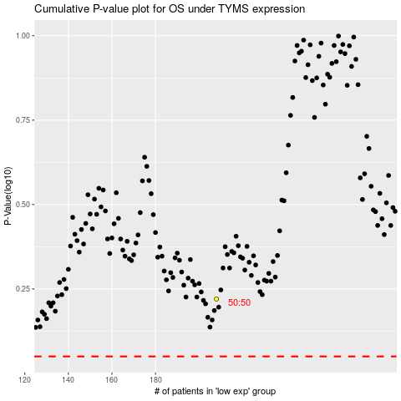

 |  |  |  |  |  | cases_OS | p_OS | rank | exp
 |  |  |  |  |  |  | cases_RFS | p_RFS | rank | exp

