TYRO3 _multivariate
Reported by Tex Li-Hsing Chi. tex@gate.sinica.edu.tw 2019-08-15

Table 2. The clinicopathological features of HNSCC cohort and TYRO3 expression. (Chi square test)
Cutoff at -0.242 (50.0%)
 |  | TYRO3 expression |  | TYRO3 expression |  | (Optimised)
 | Features | Low | (%) | High | (%) | Case no | P-value | Remark | Matthews
Gender | Female | 149 | 35.9 | 157 | 37.8 | 415 | 0.4848 | 0 | 0
2 | Male | 58 | 14 | 51 | 12.3
Age at diagnosis | <=65y | 123 | 29.6 | 151 | 36.4 | 415 | 0.0063 | 1 | 0
4 | >65y | 84 | 20.2 | 57 | 13.7
Clinical T Status | T1+T2 | 85 | 20.5 | 64 | 15.4 | 415 | 0.0372 | 1 | 0
6 | T3+T4 | 122 | 29.4 | 144 | 34.7
Clinical N Status | N0 | 96 | 23.1 | 120 | 28.9 | 415 | 0.0272 | 1 | 0
8 | N1-3 | 111 | 26.7 | 88 | 21.2
Clinical M Status | M0 | 205 | 49.4 | 207 | 49.9 | 415 | 0.6232 | 0 | 0
10 | M1 | 2 | 0.5 | 1 | 0.2
Clinical Stage | Stage I+II | 51 | 12.3 | 51 | 12.3 | 415 | 1 | 0 | 0
12 | Stage III+IV | 156 | 37.6 | 157 | 37.8
Surgical Margin status | Negative | 154 | 37.1 | 164 | 39.5 | 415 | 0.2984 | 0 | 0
14 | Positive | 53 | 12.8 | 44 | 10.6
Tobacco Exposure | Low | 99 | 23.9 | 62 | 14.9 | 415 | 2e-04 | 1 | 0
16 | High | 108 | 26 | 146 | 35.2

Table 3. Univariate/Multivariate Cox's proportional hazards regression analyses on OS time of TYRO3 gene expression in HNSCC

 |  | Univariate |  |  |  | Multivariate
 | Features | HR | CI95%(L) | CI95%(H) | P-value | HR | CI95%(L) | CI95%(H) | P-value
1 | Female | 1 |  |  |  | 1
Gender | Male | 1.157 | 0.843 | 1.587 | 0.367 | 1.216 | 0.87 | 1.699 | 0.253
11 | <=65y | 1 |  |  |  | 1
Age at diagnosis | >65y | 1.329 | 0.99 | 1.784 | 0.058 | 1.367 | 1.003 | 1.863 | 0.048
12 | T1+T2 | 1 |  |  |  | 1
Clinical T Status | T3+T4 | 1.409 | 1.028 | 1.931 | 0.033 | 2.283 | 1.202 | 4.335 | 0.012
13 | N0 | 1 |  |  |  | 1
Clinical N Status | N1-3 | 1.185 | 0.89 | 1.577 | 0.246 | 1.209 | 0.844 | 1.732 | 0.3
14 | M0 | 1 |  |  |  | 1
Clinical M Status | M1 | 4.097 | 1.009 | 16.644 | 0.049 | 9.642 | 2.101 | 44.243 | 0.004
15 | Stage I+II | 1 |  |  |  | 1
Clinical Stage | Stage III+IV | 1.245 | 0.882 | 1.759 | 0.213 | 0.496 | 0.231 | 1.066 | 0.072
16 | Negative | 1 |  |  |  | 1
Surgical Margin status | Positive | 1.591 | 1.155 | 2.191 | 0.004 | 1.679 | 1.215 | 2.321 | 0.002
17 | Low | 1 |  |  |  | 1
Tobacco Exposure | High | 1.364 | 1.008 | 1.844 | 0.044 | 1.49 | 1.077 | 2.062 | 0.016
18 | Low | 1 |  |  |  | 1
RNAseq(z-score) | High | 0.925 | 0.695 | 1.232 | 0.596 | 0.863 | 0.64 | 1.164 | 0.335

Table 4. Univariate/Multivariate Cox's proportional hazards regression analyses on RFS time of TYRO3 gene expression in HNSCC

 |  | Univariate |  |  |  | Multivariate
 | Features | HR | CI95%(L) | CI95%(H) | P-value | HR | CI95%(L) | CI95%(H) | P-value
1 | Female | 1 |  |  |  | 1
Gender | Male | 1.157 | 0.843 | 1.587 | 0.367 | 1.216 | 0.87 | 1.699 | 0.253
11 | <=65y | 1 |  |  |  | 1
Age at diagnosis | >65y | 1.329 | 0.99 | 1.784 | 0.058 | 1.367 | 1.003 | 1.863 | 0.048
12 | T1+T2 | 1 |  |  |  | 1
Clinical T Status | T3+T4 | 1.409 | 1.028 | 1.931 | 0.033 | 2.283 | 1.202 | 4.335 | 0.012
13 | N0 | 1 |  |  |  | 1
Clinical N Status | N1-3 | 1.185 | 0.89 | 1.577 | 0.246 | 1.209 | 0.844 | 1.732 | 0.3
14 | M0 | 1 |  |  |  | 1
Clinical M Status | M1 | 4.097 | 1.009 | 16.644 | 0.049 | 9.642 | 2.101 | 44.243 | 0.004
15 | Stage I+II | 1 |  |  |  | 1
Clinical Stage | Stage III+IV | 1.245 | 0.882 | 1.759 | 0.213 | 0.496 | 0.231 | 1.066 | 0.072
16 | Negative | 1 |  |  |  | 1
Surgical Margin status | Positive | 1.591 | 1.155 | 2.191 | 0.004 | 1.679 | 1.215 | 2.321 | 0.002
17 | Low | 1 |  |  |  | 1
Tobacco Exposure | High | 1.364 | 1.008 | 1.844 | 0.044 | 1.49 | 1.077 | 2.062 | 0.016
18 | Low | 1 |  |  |  | 1
RNAseq(z-score) | High | 0.925 | 0.695 | 1.232 | 0.596 | 0.863 | 0.64 | 1.164 | 0.335

Kaplan-Meier survival estimate: Cutoff at -0.242 (50.0%)



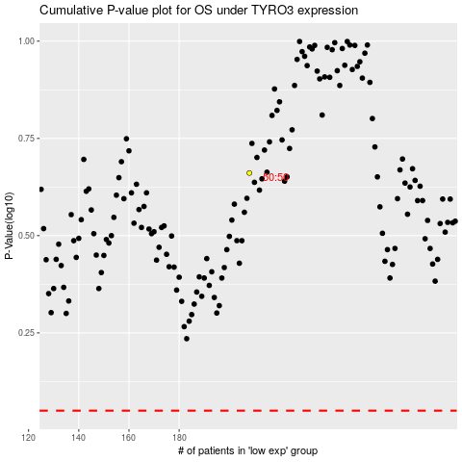

 |  |  |  |  |  | cases_OS | p_OS | rank | exp
 |  |  |  |  |  |  | cases_RFS | p_RFS | rank | exp

