TYROBP _multivariate
Reported by Tex Li-Hsing Chi. tex@gate.sinica.edu.tw 2019-08-15

Table 2. The clinicopathological features of HNSCC cohort and TYROBP expression. (Chi square test)
Cutoff at -0.258 (49.8%)
 |  | TYROBP expression |  | TYROBP expression |  | (Optimised)
 | Features | Low | (%) | High | (%) | Case no | P-value | Remark | Matthews
Gender | Female | 168 | 40.5 | 138 | 33.3 | 415 | 9e-04 | 1 | 0
2 | Male | 39 | 9.4 | 70 | 16.9
Age at diagnosis | <=65y | 147 | 35.4 | 127 | 30.6 | 415 | 0.0416 | 1 | 0
4 | >65y | 60 | 14.5 | 81 | 19.5
Clinical T Status | T1+T2 | 76 | 18.3 | 73 | 17.6 | 415 | 0.8092 | 0 | 0
6 | T3+T4 | 131 | 31.6 | 135 | 32.5
Clinical N Status | N0 | 120 | 28.9 | 96 | 23.1 | 415 | 0.0208 | 1 | 0
8 | N1-3 | 87 | 21 | 112 | 27
Clinical M Status | M0 | 206 | 49.6 | 206 | 49.6 | 415 | 1 | 0 | 0
10 | M1 | 1 | 0.2 | 2 | 0.5
Clinical Stage | Stage I+II | 52 | 12.5 | 50 | 12 | 415 | 0.8871 | 0 | 0
12 | Stage III+IV | 155 | 37.3 | 158 | 38.1
Surgical Margin status | Negative | 154 | 37.1 | 164 | 39.5 | 415 | 0.2984 | 0 | 0
14 | Positive | 53 | 12.8 | 44 | 10.6
Tobacco Exposure | Low | 70 | 16.9 | 91 | 21.9 | 415 | 0.0439 | 1 | 0
16 | High | 137 | 33 | 117 | 28.2

Table 3. Univariate/Multivariate Cox's proportional hazards regression analyses on OS time of TYROBP gene expression in HNSCC

 |  | Univariate |  |  |  | Multivariate
 | Features | HR | CI95%(L) | CI95%(H) | P-value | HR | CI95%(L) | CI95%(H) | P-value
1 | Female | 1 |  |  |  | 1
Gender | Male | 1.157 | 0.843 | 1.587 | 0.367 | 1.205 | 0.859 | 1.69 | 0.281
11 | <=65y | 1 |  |  |  | 1
Age at diagnosis | >65y | 1.329 | 0.99 | 1.784 | 0.058 | 1.394 | 1.024 | 1.897 | 0.035
12 | T1+T2 | 1 |  |  |  | 1
Clinical T Status | T3+T4 | 1.409 | 1.028 | 1.931 | 0.033 | 2.209 | 1.165 | 4.189 | 0.015
13 | N0 | 1 |  |  |  | 1
Clinical N Status | N1-3 | 1.185 | 0.89 | 1.577 | 0.246 | 1.246 | 0.864 | 1.796 | 0.239
14 | M0 | 1 |  |  |  | 1
Clinical M Status | M1 | 4.097 | 1.009 | 16.644 | 0.049 | 9.464 | 2.054 | 43.613 | 0.004
15 | Stage I+II | 1 |  |  |  | 1
Clinical Stage | Stage III+IV | 1.245 | 0.882 | 1.759 | 0.213 | 0.502 | 0.233 | 1.084 | 0.079
16 | Negative | 1 |  |  |  | 1
Surgical Margin status | Positive | 1.591 | 1.155 | 2.191 | 0.004 | 1.671 | 1.21 | 2.31 | 0.002
17 | Low | 1 |  |  |  | 1
Tobacco Exposure | High | 1.364 | 1.008 | 1.844 | 0.044 | 1.45 | 1.05 | 2.003 | 0.024
18 | Low | 1 |  |  |  | 1
RNAseq(z-score) | High | 1.07 | 0.801 | 1.431 | 0.645 | 0.985 | 0.723 | 1.343 | 0.926

Table 4. Univariate/Multivariate Cox's proportional hazards regression analyses on RFS time of TYROBP gene expression in HNSCC

 |  | Univariate |  |  |  | Multivariate
 | Features | HR | CI95%(L) | CI95%(H) | P-value | HR | CI95%(L) | CI95%(H) | P-value
1 | Female | 1 |  |  |  | 1
Gender | Male | 1.157 | 0.843 | 1.587 | 0.367 | 1.205 | 0.859 | 1.69 | 0.281
11 | <=65y | 1 |  |  |  | 1
Age at diagnosis | >65y | 1.329 | 0.99 | 1.784 | 0.058 | 1.394 | 1.024 | 1.897 | 0.035
12 | T1+T2 | 1 |  |  |  | 1
Clinical T Status | T3+T4 | 1.409 | 1.028 | 1.931 | 0.033 | 2.209 | 1.165 | 4.189 | 0.015
13 | N0 | 1 |  |  |  | 1
Clinical N Status | N1-3 | 1.185 | 0.89 | 1.577 | 0.246 | 1.246 | 0.864 | 1.796 | 0.239
14 | M0 | 1 |  |  |  | 1
Clinical M Status | M1 | 4.097 | 1.009 | 16.644 | 0.049 | 9.464 | 2.054 | 43.613 | 0.004
15 | Stage I+II | 1 |  |  |  | 1
Clinical Stage | Stage III+IV | 1.245 | 0.882 | 1.759 | 0.213 | 0.502 | 0.233 | 1.084 | 0.079
16 | Negative | 1 |  |  |  | 1
Surgical Margin status | Positive | 1.591 | 1.155 | 2.191 | 0.004 | 1.671 | 1.21 | 2.31 | 0.002
17 | Low | 1 |  |  |  | 1
Tobacco Exposure | High | 1.364 | 1.008 | 1.844 | 0.044 | 1.45 | 1.05 | 2.003 | 0.024
18 | Low | 1 |  |  |  | 1
RNAseq(z-score) | High | 1.07 | 0.801 | 1.431 | 0.645 | 0.985 | 0.723 | 1.343 | 0.926

Kaplan-Meier survival estimate: Cutoff at -0.258 (49.8%)



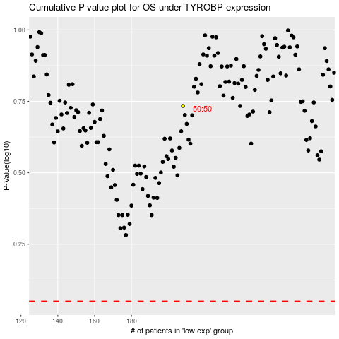

 |  |  |  |  |  | cases_OS | p_OS | rank | exp
 |  |  |  |  |  |  | cases_RFS | p_RFS | rank | exp

