TYRP1 _multivariate
Reported by Tex Li-Hsing Chi. tex@gate.sinica.edu.tw 2019-08-15

Table 2. The clinicopathological features of HNSCC cohort and TYRP1 expression. (Chi square test)
Cutoff at -0.136 (49.8%)
 |  | TYRP1 expression |  | TYRP1 expression |  | (Optimised)
 | Features | Low | (%) | High | (%) | Case no | P-value | Remark | Matthews
Gender | Female | 157 | 37.8 | 149 | 35.9 | 415 | 0.3881 | 0 | 0
2 | Male | 50 | 12 | 59 | 14.2
Age at diagnosis | <=65y | 138 | 33.3 | 136 | 32.8 | 415 | 0.8634 | 0 | 0
4 | >65y | 69 | 16.6 | 72 | 17.3
Clinical T Status | T1+T2 | 77 | 18.6 | 72 | 17.3 | 415 | 0.6556 | 0 | 0
6 | T3+T4 | 130 | 31.3 | 136 | 32.8
Clinical N Status | N0 | 96 | 23.1 | 120 | 28.9 | 415 | 0.0272 | 1 | 0
8 | N1-3 | 111 | 26.7 | 88 | 21.2
Clinical M Status | M0 | 204 | 49.2 | 208 | 50.1 | 415 | 0.1232 | 0 | 0
10 | M1 | 3 | 0.7 | 0 | 0
Clinical Stage | Stage I+II | 50 | 12 | 52 | 12.5 | 415 | 0.9315 | 0 | 0
12 | Stage III+IV | 157 | 37.8 | 156 | 37.6
Surgical Margin status | Negative | 161 | 38.8 | 157 | 37.8 | 415 | 0.6429 | 0 | 0
14 | Positive | 46 | 11.1 | 51 | 12.3
Tobacco Exposure | Low | 80 | 19.3 | 81 | 19.5 | 415 | 1 | 0 | 0
16 | High | 127 | 30.6 | 127 | 30.6

Table 3. Univariate/Multivariate Cox's proportional hazards regression analyses on OS time of TYRP1 gene expression in HNSCC

 |  | Univariate |  |  |  | Multivariate
 | Features | HR | CI95%(L) | CI95%(H) | P-value | HR | CI95%(L) | CI95%(H) | P-value
1 | Female | 1 |  |  |  | 1
Gender | Male | 1.157 | 0.843 | 1.587 | 0.367 | 1.202 | 0.862 | 1.677 | 0.278
11 | <=65y | 1 |  |  |  | 1
Age at diagnosis | >65y | 1.329 | 0.99 | 1.784 | 0.058 | 1.411 | 1.037 | 1.919 | 0.028
12 | T1+T2 | 1 |  |  |  | 1
Clinical T Status | T3+T4 | 1.409 | 1.028 | 1.931 | 0.033 | 2.199 | 1.163 | 4.157 | 0.015
13 | N0 | 1 |  |  |  | 1
Clinical N Status | N1-3 | 1.185 | 0.89 | 1.577 | 0.246 | 1.298 | 0.905 | 1.861 | 0.156
14 | M0 | 1 |  |  |  | 1
Clinical M Status | M1 | 4.097 | 1.009 | 16.644 | 0.049 | 10.317 | 2.237 | 47.582 | 0.003
15 | Stage I+II | 1 |  |  |  | 1
Clinical Stage | Stage III+IV | 1.245 | 0.882 | 1.759 | 0.213 | 0.495 | 0.231 | 1.063 | 0.071
16 | Negative | 1 |  |  |  | 1
Surgical Margin status | Positive | 1.591 | 1.155 | 2.191 | 0.004 | 1.642 | 1.188 | 2.271 | 0.003
17 | Low | 1 |  |  |  | 1
Tobacco Exposure | High | 1.364 | 1.008 | 1.844 | 0.044 | 1.46 | 1.062 | 2.009 | 0.02
18 | Low | 1 |  |  |  | 1
RNAseq(z-score) | High | 1.178 | 0.883 | 1.571 | 0.264 | 1.232 | 0.917 | 1.656 | 0.166

Table 4. Univariate/Multivariate Cox's proportional hazards regression analyses on RFS time of TYRP1 gene expression in HNSCC

 |  | Univariate |  |  |  | Multivariate
 | Features | HR | CI95%(L) | CI95%(H) | P-value | HR | CI95%(L) | CI95%(H) | P-value
1 | Female | 1 |  |  |  | 1
Gender | Male | 1.157 | 0.843 | 1.587 | 0.367 | 1.202 | 0.862 | 1.677 | 0.278
11 | <=65y | 1 |  |  |  | 1
Age at diagnosis | >65y | 1.329 | 0.99 | 1.784 | 0.058 | 1.411 | 1.037 | 1.919 | 0.028
12 | T1+T2 | 1 |  |  |  | 1
Clinical T Status | T3+T4 | 1.409 | 1.028 | 1.931 | 0.033 | 2.199 | 1.163 | 4.157 | 0.015
13 | N0 | 1 |  |  |  | 1
Clinical N Status | N1-3 | 1.185 | 0.89 | 1.577 | 0.246 | 1.298 | 0.905 | 1.861 | 0.156
14 | M0 | 1 |  |  |  | 1
Clinical M Status | M1 | 4.097 | 1.009 | 16.644 | 0.049 | 10.317 | 2.237 | 47.582 | 0.003
15 | Stage I+II | 1 |  |  |  | 1
Clinical Stage | Stage III+IV | 1.245 | 0.882 | 1.759 | 0.213 | 0.495 | 0.231 | 1.063 | 0.071
16 | Negative | 1 |  |  |  | 1
Surgical Margin status | Positive | 1.591 | 1.155 | 2.191 | 0.004 | 1.642 | 1.188 | 2.271 | 0.003
17 | Low | 1 |  |  |  | 1
Tobacco Exposure | High | 1.364 | 1.008 | 1.844 | 0.044 | 1.46 | 1.062 | 2.009 | 0.02
18 | Low | 1 |  |  |  | 1
RNAseq(z-score) | High | 1.178 | 0.883 | 1.571 | 0.264 | 1.232 | 0.917 | 1.656 | 0.166

Kaplan-Meier survival estimate: Cutoff at -0.136 (49.8%)



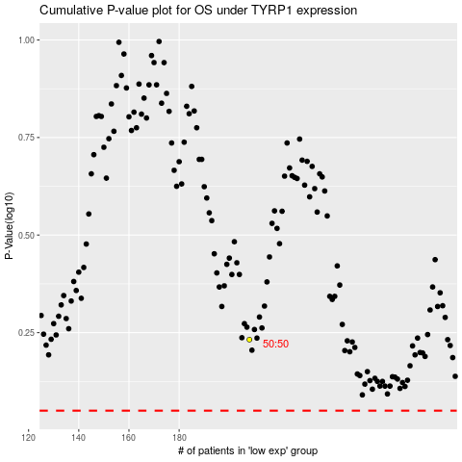

 |  |  |  |  |  | cases_OS | p_OS | rank | exp
 |  |  |  |  |  |  | cases_RFS | p_RFS | rank | exp

