TYW3 _multivariate
Reported by Tex Li-Hsing Chi. tex@gate.sinica.edu.tw 2019-08-15

Table 2. The clinicopathological features of HNSCC cohort and TYW3 expression. (Chi square test)
Cutoff at -0.124 (49.8%)
 |  | TYW3 expression |  | TYW3 expression |  | (Optimised)
 | Features | Low | (%) | High | (%) | Case no | P-value | Remark | Matthews
Gender | Female | 145 | 34.9 | 161 | 38.8 | 415 | 0.1116 | 0 | 0
2 | Male | 62 | 14.9 | 47 | 11.3
Age at diagnosis | <=65y | 126 | 30.4 | 148 | 35.7 | 415 | 0.035 | 1 | 0
4 | >65y | 81 | 19.5 | 60 | 14.5
Clinical T Status | T1+T2 | 69 | 16.6 | 80 | 19.3 | 415 | 0.3239 | 0 | 0
6 | T3+T4 | 138 | 33.3 | 128 | 30.8
Clinical N Status | N0 | 114 | 27.5 | 102 | 24.6 | 415 | 0.2576 | 1 | 0
8 | N1-3 | 93 | 22.4 | 106 | 25.5
Clinical M Status | M0 | 205 | 49.4 | 207 | 49.9 | 415 | 0.6232 | 0 | 0
10 | M1 | 2 | 0.5 | 1 | 0.2
Clinical Stage | Stage I+II | 50 | 12 | 52 | 12.5 | 415 | 0.9315 | 0 | 0
12 | Stage III+IV | 157 | 37.8 | 156 | 37.6
Surgical Margin status | Negative | 166 | 40 | 152 | 36.6 | 415 | 0.1042 | 0 | 0
14 | Positive | 41 | 9.9 | 56 | 13.5
Tobacco Exposure | Low | 83 | 20 | 78 | 18.8 | 415 | 0.6152 | 0 | 0
16 | High | 124 | 29.9 | 130 | 31.3

Table 3. Univariate/Multivariate Cox's proportional hazards regression analyses on OS time of TYW3 gene expression in HNSCC

 |  | Univariate |  |  |  | Multivariate
 | Features | HR | CI95%(L) | CI95%(H) | P-value | HR | CI95%(L) | CI95%(H) | P-value
1 | Female | 1 |  |  |  | 1
Gender | Male | 1.157 | 0.843 | 1.587 | 0.367 | 1.192 | 0.853 | 1.665 | 0.304
11 | <=65y | 1 |  |  |  | 1
Age at diagnosis | >65y | 1.329 | 0.99 | 1.784 | 0.058 | 1.411 | 1.036 | 1.921 | 0.029
12 | T1+T2 | 1 |  |  |  | 1
Clinical T Status | T3+T4 | 1.409 | 1.028 | 1.931 | 0.033 | 2.253 | 1.19 | 4.267 | 0.013
13 | N0 | 1 |  |  |  | 1
Clinical N Status | N1-3 | 1.185 | 0.89 | 1.577 | 0.246 | 1.238 | 0.867 | 1.767 | 0.24
14 | M0 | 1 |  |  |  | 1
Clinical M Status | M1 | 4.097 | 1.009 | 16.644 | 0.049 | 10.006 | 2.172 | 46.101 | 0.003
15 | Stage I+II | 1 |  |  |  | 1
Clinical Stage | Stage III+IV | 1.245 | 0.882 | 1.759 | 0.213 | 0.495 | 0.23 | 1.063 | 0.071
16 | Negative | 1 |  |  |  | 1
Surgical Margin status | Positive | 1.591 | 1.155 | 2.191 | 0.004 | 1.652 | 1.195 | 2.284 | 0.002
17 | Low | 1 |  |  |  | 1
Tobacco Exposure | High | 1.364 | 1.008 | 1.844 | 0.044 | 1.453 | 1.055 | 2.001 | 0.022
18 | Low | 1 |  |  |  | 1
RNAseq(z-score) | High | 1.106 | 0.83 | 1.473 | 0.493 | 1.154 | 0.862 | 1.544 | 0.336

Table 4. Univariate/Multivariate Cox's proportional hazards regression analyses on RFS time of TYW3 gene expression in HNSCC

 |  | Univariate |  |  |  | Multivariate
 | Features | HR | CI95%(L) | CI95%(H) | P-value | HR | CI95%(L) | CI95%(H) | P-value
1 | Female | 1 |  |  |  | 1
Gender | Male | 1.157 | 0.843 | 1.587 | 0.367 | 1.192 | 0.853 | 1.665 | 0.304
11 | <=65y | 1 |  |  |  | 1
Age at diagnosis | >65y | 1.329 | 0.99 | 1.784 | 0.058 | 1.411 | 1.036 | 1.921 | 0.029
12 | T1+T2 | 1 |  |  |  | 1
Clinical T Status | T3+T4 | 1.409 | 1.028 | 1.931 | 0.033 | 2.253 | 1.19 | 4.267 | 0.013
13 | N0 | 1 |  |  |  | 1
Clinical N Status | N1-3 | 1.185 | 0.89 | 1.577 | 0.246 | 1.238 | 0.867 | 1.767 | 0.24
14 | M0 | 1 |  |  |  | 1
Clinical M Status | M1 | 4.097 | 1.009 | 16.644 | 0.049 | 10.006 | 2.172 | 46.101 | 0.003
15 | Stage I+II | 1 |  |  |  | 1
Clinical Stage | Stage III+IV | 1.245 | 0.882 | 1.759 | 0.213 | 0.495 | 0.23 | 1.063 | 0.071
16 | Negative | 1 |  |  |  | 1
Surgical Margin status | Positive | 1.591 | 1.155 | 2.191 | 0.004 | 1.652 | 1.195 | 2.284 | 0.002
17 | Low | 1 |  |  |  | 1
Tobacco Exposure | High | 1.364 | 1.008 | 1.844 | 0.044 | 1.453 | 1.055 | 2.001 | 0.022
18 | Low | 1 |  |  |  | 1
RNAseq(z-score) | High | 1.106 | 0.83 | 1.473 | 0.493 | 1.154 | 0.862 | 1.544 | 0.336

Kaplan-Meier survival estimate: Cutoff at -0.124 (49.8%)



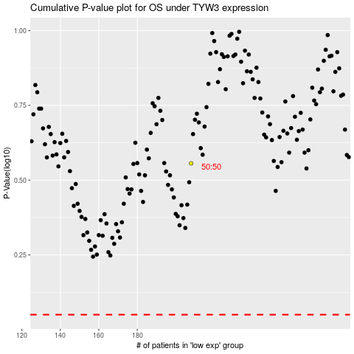

 |  |  |  |  |  | cases_OS | p_OS | rank | exp
 |  |  |  |  |  |  | cases_RFS | p_RFS | rank | exp

