U2AF2 _multivariate
Reported by Tex Li-Hsing Chi. tex@gate.sinica.edu.tw 2019-08-15

Table 2. The clinicopathological features of HNSCC cohort and U2AF2 expression. (Chi square test)
Cutoff at -0.079 (49.8%)
 |  | U2AF2 expression |  | U2AF2 expression |  | (Optimised)
 | Features | Low | (%) | High | (%) | Case no | P-value | Remark | Matthews
Gender | Female | 145 | 34.9 | 161 | 38.8 | 415 | 0.1116 | 0 | 0
2 | Male | 62 | 14.9 | 47 | 11.3
Age at diagnosis | <=65y | 137 | 33 | 137 | 33 | 415 | 1 | 0 | 0
4 | >65y | 70 | 16.9 | 71 | 17.1
Clinical T Status | T1+T2 | 77 | 18.6 | 72 | 17.3 | 415 | 0.6556 | 0 | 0
6 | T3+T4 | 130 | 31.3 | 136 | 32.8
Clinical N Status | N0 | 110 | 26.5 | 106 | 25.5 | 415 | 0.7294 | 0 | 0
8 | N1-3 | 97 | 23.4 | 102 | 24.6
Clinical M Status | M0 | 206 | 49.6 | 206 | 49.6 | 415 | 1 | 0 | 0
10 | M1 | 1 | 0.2 | 2 | 0.5
Clinical Stage | Stage I+II | 55 | 13.3 | 47 | 11.3 | 415 | 0.4087 | 0 | 0
12 | Stage III+IV | 152 | 36.6 | 161 | 38.8
Surgical Margin status | Negative | 163 | 39.3 | 155 | 37.3 | 415 | 0.3537 | 0 | 0
14 | Positive | 44 | 10.6 | 53 | 12.8
Tobacco Exposure | Low | 81 | 19.5 | 80 | 19.3 | 415 | 0.9199 | 0 | 0
16 | High | 126 | 30.4 | 128 | 30.8

Table 3. Univariate/Multivariate Cox's proportional hazards regression analyses on OS time of U2AF2 gene expression in HNSCC

 |  | Univariate |  |  |  | Multivariate
 | Features | HR | CI95%(L) | CI95%(H) | P-value | HR | CI95%(L) | CI95%(H) | P-value
1 | Female | 1 |  |  |  | 1
Gender | Male | 1.157 | 0.843 | 1.587 | 0.367 | 1.191 | 0.852 | 1.665 | 0.306
11 | <=65y | 1 |  |  |  | 1
Age at diagnosis | >65y | 1.329 | 0.99 | 1.784 | 0.058 | 1.394 | 1.025 | 1.894 | 0.034
12 | T1+T2 | 1 |  |  |  | 1
Clinical T Status | T3+T4 | 1.409 | 1.028 | 1.931 | 0.033 | 2.187 | 1.156 | 4.136 | 0.016
13 | N0 | 1 |  |  |  | 1
Clinical N Status | N1-3 | 1.185 | 0.89 | 1.577 | 0.246 | 1.232 | 0.863 | 1.76 | 0.25
14 | M0 | 1 |  |  |  | 1
Clinical M Status | M1 | 4.097 | 1.009 | 16.644 | 0.049 | 9.422 | 2.055 | 43.194 | 0.004
15 | Stage I+II | 1 |  |  |  | 1
Clinical Stage | Stage III+IV | 1.245 | 0.882 | 1.759 | 0.213 | 0.512 | 0.238 | 1.1 | 0.086
16 | Negative | 1 |  |  |  | 1
Surgical Margin status | Positive | 1.591 | 1.155 | 2.191 | 0.004 | 1.681 | 1.216 | 2.324 | 0.002
17 | Low | 1 |  |  |  | 1
Tobacco Exposure | High | 1.364 | 1.008 | 1.844 | 0.044 | 1.452 | 1.054 | 2 | 0.023
18 | Low | 1 |  |  |  | 1
RNAseq(z-score) | High | 0.923 | 0.692 | 1.231 | 0.586 | 0.912 | 0.683 | 1.22 | 0.536

Table 4. Univariate/Multivariate Cox's proportional hazards regression analyses on RFS time of U2AF2 gene expression in HNSCC

 |  | Univariate |  |  |  | Multivariate
 | Features | HR | CI95%(L) | CI95%(H) | P-value | HR | CI95%(L) | CI95%(H) | P-value
1 | Female | 1 |  |  |  | 1
Gender | Male | 1.157 | 0.843 | 1.587 | 0.367 | 1.191 | 0.852 | 1.665 | 0.306
11 | <=65y | 1 |  |  |  | 1
Age at diagnosis | >65y | 1.329 | 0.99 | 1.784 | 0.058 | 1.394 | 1.025 | 1.894 | 0.034
12 | T1+T2 | 1 |  |  |  | 1
Clinical T Status | T3+T4 | 1.409 | 1.028 | 1.931 | 0.033 | 2.187 | 1.156 | 4.136 | 0.016
13 | N0 | 1 |  |  |  | 1
Clinical N Status | N1-3 | 1.185 | 0.89 | 1.577 | 0.246 | 1.232 | 0.863 | 1.76 | 0.25
14 | M0 | 1 |  |  |  | 1
Clinical M Status | M1 | 4.097 | 1.009 | 16.644 | 0.049 | 9.422 | 2.055 | 43.194 | 0.004
15 | Stage I+II | 1 |  |  |  | 1
Clinical Stage | Stage III+IV | 1.245 | 0.882 | 1.759 | 0.213 | 0.512 | 0.238 | 1.1 | 0.086
16 | Negative | 1 |  |  |  | 1
Surgical Margin status | Positive | 1.591 | 1.155 | 2.191 | 0.004 | 1.681 | 1.216 | 2.324 | 0.002
17 | Low | 1 |  |  |  | 1
Tobacco Exposure | High | 1.364 | 1.008 | 1.844 | 0.044 | 1.452 | 1.054 | 2 | 0.023
18 | Low | 1 |  |  |  | 1
RNAseq(z-score) | High | 0.923 | 0.692 | 1.231 | 0.586 | 0.912 | 0.683 | 1.22 | 0.536

Kaplan-Meier survival estimate: Cutoff at -0.079 (49.8%)



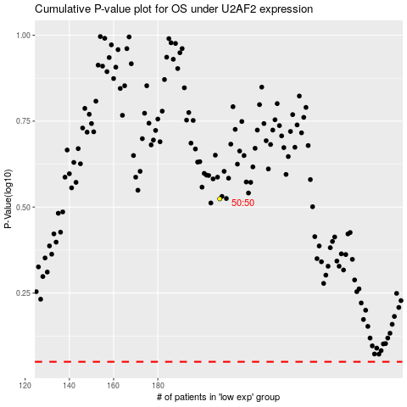

 |  |  |  |  |  | cases_OS | p_OS | rank | exp
 |  |  |  |  |  |  | cases_RFS | p_RFS | rank | exp

