UACA _multivariate
Reported by Tex Li-Hsing Chi. tex@gate.sinica.edu.tw 2019-08-15

Table 2. The clinicopathological features of HNSCC cohort and UACA expression. (Chi square test)
Cutoff at -0.242 (50.0%)
 |  | UACA expression |  | UACA expression |  | (Optimised)
 | Features | Low | (%) | High | (%) | Case no | P-value | Remark | Matthews
Gender | Female | 166 | 40 | 140 | 33.7 | 415 | 0.0041 | 1 | 0
2 | Male | 41 | 9.9 | 68 | 16.4
Age at diagnosis | <=65y | 142 | 34.2 | 132 | 31.8 | 415 | 0.3167 | 0 | 0
4 | >65y | 65 | 15.7 | 76 | 18.3
Clinical T Status | T1+T2 | 67 | 16.1 | 82 | 19.8 | 415 | 0.1628 | 0 | 0
6 | T3+T4 | 140 | 33.7 | 126 | 30.4
Clinical N Status | N0 | 105 | 25.3 | 111 | 26.7 | 415 | 0.6598 | 0 | 0
8 | N1-3 | 102 | 24.6 | 97 | 23.4
Clinical M Status | M0 | 206 | 49.6 | 206 | 49.6 | 415 | 1 | 0 | 0
10 | M1 | 1 | 0.2 | 2 | 0.5
Clinical Stage | Stage I+II | 44 | 10.6 | 58 | 14 | 415 | 0.1459 | 0 | 0
12 | Stage III+IV | 163 | 39.3 | 150 | 36.1
Surgical Margin status | Negative | 161 | 38.8 | 157 | 37.8 | 415 | 0.6429 | 0 | 0
14 | Positive | 46 | 11.1 | 51 | 12.3
Tobacco Exposure | Low | 66 | 15.9 | 95 | 22.9 | 415 | 0.0048 | 1 | 0
16 | High | 141 | 34 | 113 | 27.2

Table 3. Univariate/Multivariate Cox's proportional hazards regression analyses on OS time of UACA gene expression in HNSCC

 |  | Univariate |  |  |  | Multivariate
 | Features | HR | CI95%(L) | CI95%(H) | P-value | HR | CI95%(L) | CI95%(H) | P-value
1 | Female | 1 |  |  |  | 1
Gender | Male | 1.157 | 0.843 | 1.587 | 0.367 | 1.167 | 0.834 | 1.634 | 0.368
11 | <=65y | 1 |  |  |  | 1
Age at diagnosis | >65y | 1.329 | 0.99 | 1.784 | 0.058 | 1.401 | 1.03 | 1.906 | 0.032
12 | T1+T2 | 1 |  |  |  | 1
Clinical T Status | T3+T4 | 1.409 | 1.028 | 1.931 | 0.033 | 2.195 | 1.16 | 4.151 | 0.016
13 | N0 | 1 |  |  |  | 1
Clinical N Status | N1-3 | 1.185 | 0.89 | 1.577 | 0.246 | 1.246 | 0.873 | 1.779 | 0.226
14 | M0 | 1 |  |  |  | 1
Clinical M Status | M1 | 4.097 | 1.009 | 16.644 | 0.049 | 9.089 | 1.981 | 41.704 | 0.005
15 | Stage I+II | 1 |  |  |  | 1
Clinical Stage | Stage III+IV | 1.245 | 0.882 | 1.759 | 0.213 | 0.51 | 0.237 | 1.094 | 0.084
16 | Negative | 1 |  |  |  | 1
Surgical Margin status | Positive | 1.591 | 1.155 | 2.191 | 0.004 | 1.676 | 1.213 | 2.316 | 0.002
17 | Low | 1 |  |  |  | 1
Tobacco Exposure | High | 1.364 | 1.008 | 1.844 | 0.044 | 1.496 | 1.083 | 2.066 | 0.015
18 | Low | 1 |  |  |  | 1
RNAseq(z-score) | High | 1.214 | 0.911 | 1.617 | 0.186 | 1.256 | 0.938 | 1.683 | 0.126

Table 4. Univariate/Multivariate Cox's proportional hazards regression analyses on RFS time of UACA gene expression in HNSCC

 |  | Univariate |  |  |  | Multivariate
 | Features | HR | CI95%(L) | CI95%(H) | P-value | HR | CI95%(L) | CI95%(H) | P-value
1 | Female | 1 |  |  |  | 1
Gender | Male | 1.157 | 0.843 | 1.587 | 0.367 | 1.167 | 0.834 | 1.634 | 0.368
11 | <=65y | 1 |  |  |  | 1
Age at diagnosis | >65y | 1.329 | 0.99 | 1.784 | 0.058 | 1.401 | 1.03 | 1.906 | 0.032
12 | T1+T2 | 1 |  |  |  | 1
Clinical T Status | T3+T4 | 1.409 | 1.028 | 1.931 | 0.033 | 2.195 | 1.16 | 4.151 | 0.016
13 | N0 | 1 |  |  |  | 1
Clinical N Status | N1-3 | 1.185 | 0.89 | 1.577 | 0.246 | 1.246 | 0.873 | 1.779 | 0.226
14 | M0 | 1 |  |  |  | 1
Clinical M Status | M1 | 4.097 | 1.009 | 16.644 | 0.049 | 9.089 | 1.981 | 41.704 | 0.005
15 | Stage I+II | 1 |  |  |  | 1
Clinical Stage | Stage III+IV | 1.245 | 0.882 | 1.759 | 0.213 | 0.51 | 0.237 | 1.094 | 0.084
16 | Negative | 1 |  |  |  | 1
Surgical Margin status | Positive | 1.591 | 1.155 | 2.191 | 0.004 | 1.676 | 1.213 | 2.316 | 0.002
17 | Low | 1 |  |  |  | 1
Tobacco Exposure | High | 1.364 | 1.008 | 1.844 | 0.044 | 1.496 | 1.083 | 2.066 | 0.015
18 | Low | 1 |  |  |  | 1
RNAseq(z-score) | High | 1.214 | 0.911 | 1.617 | 0.186 | 1.256 | 0.938 | 1.683 | 0.126

Kaplan-Meier survival estimate: Cutoff at -0.242 (50.0%)



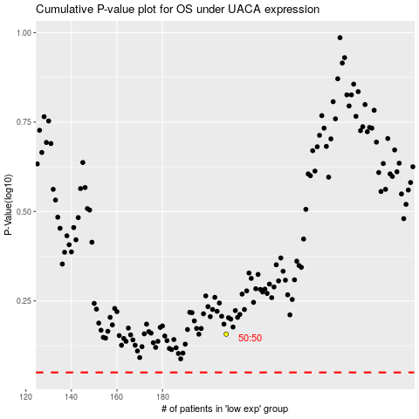

 |  |  |  |  |  | cases_OS | p_OS | rank | exp
 |  |  |  |  |  |  | cases_RFS | p_RFS | rank | exp

