UAP1L1 _multivariate
Reported by Tex Li-Hsing Chi. tex@gate.sinica.edu.tw 2019-08-15

Table 2. The clinicopathological features of HNSCC cohort and UAP1L1 expression. (Chi square test)
Cutoff at -0.097 (50.0%)
 |  | UAP1L1 expression |  | UAP1L1 expression |  | (Optimised)
 | Features | Low | (%) | High | (%) | Case no | P-value | Remark | Matthews
Gender | Female | 147 | 35.4 | 159 | 38.3 | 415 | 0.2523 | 0 | 0
2 | Male | 60 | 14.5 | 49 | 11.8
Age at diagnosis | <=65y | 139 | 33.5 | 135 | 32.5 | 415 | 0.7044 | 0 | 0
4 | >65y | 68 | 16.4 | 73 | 17.6
Clinical T Status | T1+T2 | 81 | 19.5 | 68 | 16.4 | 415 | 0.206 | 0 | 0
6 | T3+T4 | 126 | 30.4 | 140 | 33.7
Clinical N Status | N0 | 103 | 24.8 | 113 | 27.2 | 415 | 0.4047 | 0 | 0
8 | N1-3 | 104 | 25.1 | 95 | 22.9
Clinical M Status | M0 | 204 | 49.2 | 208 | 50.1 | 415 | 0.1232 | 0 | 0
10 | M1 | 3 | 0.7 | 0 | 0
Clinical Stage | Stage I+II | 54 | 13 | 48 | 11.6 | 415 | 0.5498 | 0 | 0
12 | Stage III+IV | 153 | 36.9 | 160 | 38.6
Surgical Margin status | Negative | 156 | 37.6 | 162 | 39 | 415 | 0.5636 | 0 | 0
14 | Positive | 51 | 12.3 | 46 | 11.1
Tobacco Exposure | Low | 93 | 22.4 | 68 | 16.4 | 415 | 0.0118 | 1 | 0
16 | High | 114 | 27.5 | 140 | 33.7

Table 3. Univariate/Multivariate Cox's proportional hazards regression analyses on OS time of UAP1L1 gene expression in HNSCC

 |  | Univariate |  |  |  | Multivariate
 | Features | HR | CI95%(L) | CI95%(H) | P-value | HR | CI95%(L) | CI95%(H) | P-value
1 | Female | 1 |  |  |  | 1
Gender | Male | 1.157 | 0.843 | 1.587 | 0.367 | 1.192 | 0.851 | 1.67 | 0.307
11 | <=65y | 1 |  |  |  | 1
Age at diagnosis | >65y | 1.329 | 0.99 | 1.784 | 0.058 | 1.397 | 1.027 | 1.899 | 0.033
12 | T1+T2 | 1 |  |  |  | 1
Clinical T Status | T3+T4 | 1.409 | 1.028 | 1.931 | 0.033 | 2.209 | 1.168 | 4.178 | 0.015
13 | N0 | 1 |  |  |  | 1
Clinical N Status | N1-3 | 1.185 | 0.89 | 1.577 | 0.246 | 1.239 | 0.869 | 1.768 | 0.237
14 | M0 | 1 |  |  |  | 1
Clinical M Status | M1 | 4.097 | 1.009 | 16.644 | 0.049 | 9.164 | 1.987 | 42.273 | 0.005
15 | Stage I+II | 1 |  |  |  | 1
Clinical Stage | Stage III+IV | 1.245 | 0.882 | 1.759 | 0.213 | 0.504 | 0.235 | 1.082 | 0.079
16 | Negative | 1 |  |  |  | 1
Surgical Margin status | Positive | 1.591 | 1.155 | 2.191 | 0.004 | 1.67 | 1.209 | 2.308 | 0.002
17 | Low | 1 |  |  |  | 1
Tobacco Exposure | High | 1.364 | 1.008 | 1.844 | 0.044 | 1.462 | 1.06 | 2.018 | 0.021
18 | Low | 1 |  |  |  | 1
RNAseq(z-score) | High | 0.974 | 0.731 | 1.296 | 0.854 | 0.947 | 0.706 | 1.27 | 0.715

Table 4. Univariate/Multivariate Cox's proportional hazards regression analyses on RFS time of UAP1L1 gene expression in HNSCC

 |  | Univariate |  |  |  | Multivariate
 | Features | HR | CI95%(L) | CI95%(H) | P-value | HR | CI95%(L) | CI95%(H) | P-value
1 | Female | 1 |  |  |  | 1
Gender | Male | 1.157 | 0.843 | 1.587 | 0.367 | 1.192 | 0.851 | 1.67 | 0.307
11 | <=65y | 1 |  |  |  | 1
Age at diagnosis | >65y | 1.329 | 0.99 | 1.784 | 0.058 | 1.397 | 1.027 | 1.899 | 0.033
12 | T1+T2 | 1 |  |  |  | 1
Clinical T Status | T3+T4 | 1.409 | 1.028 | 1.931 | 0.033 | 2.209 | 1.168 | 4.178 | 0.015
13 | N0 | 1 |  |  |  | 1
Clinical N Status | N1-3 | 1.185 | 0.89 | 1.577 | 0.246 | 1.239 | 0.869 | 1.768 | 0.237
14 | M0 | 1 |  |  |  | 1
Clinical M Status | M1 | 4.097 | 1.009 | 16.644 | 0.049 | 9.164 | 1.987 | 42.273 | 0.005
15 | Stage I+II | 1 |  |  |  | 1
Clinical Stage | Stage III+IV | 1.245 | 0.882 | 1.759 | 0.213 | 0.504 | 0.235 | 1.082 | 0.079
16 | Negative | 1 |  |  |  | 1
Surgical Margin status | Positive | 1.591 | 1.155 | 2.191 | 0.004 | 1.67 | 1.209 | 2.308 | 0.002
17 | Low | 1 |  |  |  | 1
Tobacco Exposure | High | 1.364 | 1.008 | 1.844 | 0.044 | 1.462 | 1.06 | 2.018 | 0.021
18 | Low | 1 |  |  |  | 1
RNAseq(z-score) | High | 0.974 | 0.731 | 1.296 | 0.854 | 0.947 | 0.706 | 1.27 | 0.715

Kaplan-Meier survival estimate: Cutoff at -0.097 (50.0%)



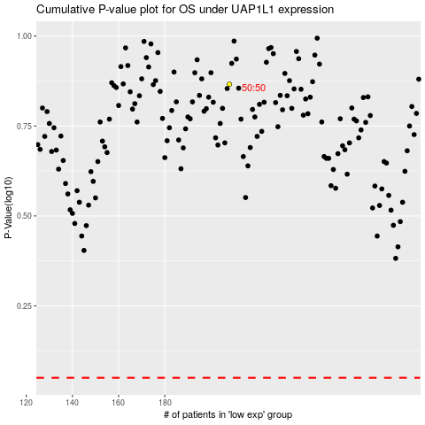

 |  |  |  |  |  | cases_OS | p_OS | rank | exp
 |  |  |  |  |  |  | cases_RFS | p_RFS | rank | exp

