UBA1 _multivariate
Reported by Tex Li-Hsing Chi. tex@gate.sinica.edu.tw 2019-08-15

Table 2. The clinicopathological features of HNSCC cohort and UBA1 expression. (Chi square test)
Cutoff at -0.174 (49.8%)
 |  | UBA1 expression |  | UBA1 expression |  | (Optimised)
 | Features | Low | (%) | High | (%) | Case no | P-value | Remark | Matthews
Gender | Female | 178 | 42.9 | 128 | 30.8 | 415 | 0 | 1 | 0
2 | Male | 29 | 7 | 80 | 19.3
Age at diagnosis | <=65y | 140 | 33.7 | 134 | 32.3 | 415 | 0.5574 | 0 | 0
4 | >65y | 67 | 16.1 | 74 | 17.8
Clinical T Status | T1+T2 | 73 | 17.6 | 76 | 18.3 | 415 | 0.8666 | 0 | 0
6 | T3+T4 | 134 | 32.3 | 132 | 31.8
Clinical N Status | N0 | 97 | 23.4 | 119 | 28.7 | 415 | 0.0442 | 1 | 0
8 | N1-3 | 110 | 26.5 | 89 | 21.4
Clinical M Status | M0 | 205 | 49.4 | 207 | 49.9 | 415 | 0.6232 | 0 | 0
10 | M1 | 2 | 0.5 | 1 | 0.2
Clinical Stage | Stage I+II | 45 | 10.8 | 57 | 13.7 | 415 | 0.2202 | 0 | 0
12 | Stage III+IV | 162 | 39 | 151 | 36.4
Surgical Margin status | Negative | 154 | 37.1 | 164 | 39.5 | 415 | 0.2984 | 0 | 0
14 | Positive | 53 | 12.8 | 44 | 10.6
Tobacco Exposure | Low | 74 | 17.8 | 87 | 21 | 415 | 0.227 | 0 | 0
16 | High | 133 | 32 | 121 | 29.2

Table 3. Univariate/Multivariate Cox's proportional hazards regression analyses on OS time of UBA1 gene expression in HNSCC

 |  | Univariate |  |  |  | Multivariate
 | Features | HR | CI95%(L) | CI95%(H) | P-value | HR | CI95%(L) | CI95%(H) | P-value
1 | Female | 1 |  |  |  | 1
Gender | Male | 1.157 | 0.843 | 1.587 | 0.367 | 1.098 | 0.774 | 1.559 | 0.6
11 | <=65y | 1 |  |  |  | 1
Age at diagnosis | >65y | 1.329 | 0.99 | 1.784 | 0.058 | 1.374 | 1.01 | 1.869 | 0.043
12 | T1+T2 | 1 |  |  |  | 1
Clinical T Status | T3+T4 | 1.409 | 1.028 | 1.931 | 0.033 | 2.136 | 1.129 | 4.043 | 0.02
13 | N0 | 1 |  |  |  | 1
Clinical N Status | N1-3 | 1.185 | 0.89 | 1.577 | 0.246 | 1.26 | 0.883 | 1.797 | 0.202
14 | M0 | 1 |  |  |  | 1
Clinical M Status | M1 | 4.097 | 1.009 | 16.644 | 0.049 | 9.104 | 1.986 | 41.738 | 0.004
15 | Stage I+II | 1 |  |  |  | 1
Clinical Stage | Stage III+IV | 1.245 | 0.882 | 1.759 | 0.213 | 0.528 | 0.245 | 1.135 | 0.102
16 | Negative | 1 |  |  |  | 1
Surgical Margin status | Positive | 1.591 | 1.155 | 2.191 | 0.004 | 1.703 | 1.232 | 2.354 | 0.001
17 | Low | 1 |  |  |  | 1
Tobacco Exposure | High | 1.364 | 1.008 | 1.844 | 0.044 | 1.461 | 1.059 | 2.014 | 0.021
18 | Low | 1 |  |  |  | 1
RNAseq(z-score) | High | 1.28 | 0.959 | 1.707 | 0.094 | 1.306 | 0.96 | 1.777 | 0.089

Table 4. Univariate/Multivariate Cox's proportional hazards regression analyses on RFS time of UBA1 gene expression in HNSCC

 |  | Univariate |  |  |  | Multivariate
 | Features | HR | CI95%(L) | CI95%(H) | P-value | HR | CI95%(L) | CI95%(H) | P-value
1 | Female | 1 |  |  |  | 1
Gender | Male | 1.157 | 0.843 | 1.587 | 0.367 | 1.098 | 0.774 | 1.559 | 0.6
11 | <=65y | 1 |  |  |  | 1
Age at diagnosis | >65y | 1.329 | 0.99 | 1.784 | 0.058 | 1.374 | 1.01 | 1.869 | 0.043
12 | T1+T2 | 1 |  |  |  | 1
Clinical T Status | T3+T4 | 1.409 | 1.028 | 1.931 | 0.033 | 2.136 | 1.129 | 4.043 | 0.02
13 | N0 | 1 |  |  |  | 1
Clinical N Status | N1-3 | 1.185 | 0.89 | 1.577 | 0.246 | 1.26 | 0.883 | 1.797 | 0.202
14 | M0 | 1 |  |  |  | 1
Clinical M Status | M1 | 4.097 | 1.009 | 16.644 | 0.049 | 9.104 | 1.986 | 41.738 | 0.004
15 | Stage I+II | 1 |  |  |  | 1
Clinical Stage | Stage III+IV | 1.245 | 0.882 | 1.759 | 0.213 | 0.528 | 0.245 | 1.135 | 0.102
16 | Negative | 1 |  |  |  | 1
Surgical Margin status | Positive | 1.591 | 1.155 | 2.191 | 0.004 | 1.703 | 1.232 | 2.354 | 0.001
17 | Low | 1 |  |  |  | 1
Tobacco Exposure | High | 1.364 | 1.008 | 1.844 | 0.044 | 1.461 | 1.059 | 2.014 | 0.021
18 | Low | 1 |  |  |  | 1
RNAseq(z-score) | High | 1.28 | 0.959 | 1.707 | 0.094 | 1.306 | 0.96 | 1.777 | 0.089

Kaplan-Meier survival estimate: Cutoff at -0.174 (49.8%)



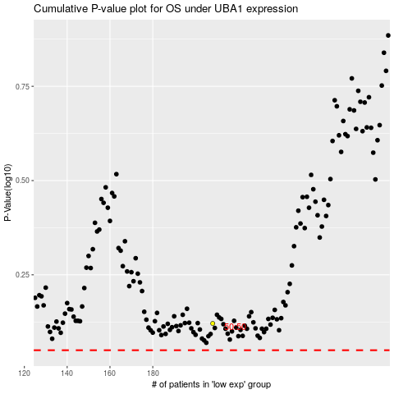

 |  |  |  |  |  | cases_OS | p_OS | rank | exp
 |  |  |  |  |  |  | cases_RFS | p_RFS | rank | exp

