UBA7 _multivariate
Reported by Tex Li-Hsing Chi. tex@gate.sinica.edu.tw 2019-08-15

Table 2. The clinicopathological features of HNSCC cohort and UBA7 expression. (Chi square test)
Cutoff at -0.244 (49.8%)
 |  | UBA7 expression |  | UBA7 expression |  | (Optimised)
 | Features | Low | (%) | High | (%) | Case no | P-value | Remark | Matthews
Gender | Female | 161 | 38.8 | 145 | 34.9 | 415 | 0.0792 | 0 | 0
2 | Male | 46 | 11.1 | 63 | 15.2
Age at diagnosis | <=65y | 147 | 35.4 | 127 | 30.6 | 415 | 0.0416 | 1 | 0
4 | >65y | 60 | 14.5 | 81 | 19.5
Clinical T Status | T1+T2 | 65 | 15.7 | 84 | 20.2 | 415 | 0.0711 | 0 | 0
6 | T3+T4 | 142 | 34.2 | 124 | 29.9
Clinical N Status | N0 | 113 | 27.2 | 103 | 24.8 | 415 | 0.3495 | 1 | 0
8 | N1-3 | 94 | 22.7 | 105 | 25.3
Clinical M Status | M0 | 207 | 49.9 | 205 | 49.4 | 415 | 0.2482 | 0 | 0
10 | M1 | 0 | 0 | 3 | 0.7
Clinical Stage | Stage I+II | 48 | 11.6 | 54 | 13 | 415 | 0.5878 | 0 | 0
12 | Stage III+IV | 159 | 38.3 | 154 | 37.1
Surgical Margin status | Negative | 166 | 40 | 152 | 36.6 | 415 | 0.1042 | 0 | 0
14 | Positive | 41 | 9.9 | 56 | 13.5
Tobacco Exposure | Low | 60 | 14.5 | 101 | 24.3 | 415 | 1e-04 | 1 | 0
16 | High | 147 | 35.4 | 107 | 25.8

Table 3. Univariate/Multivariate Cox's proportional hazards regression analyses on OS time of UBA7 gene expression in HNSCC

 |  | Univariate |  |  |  | Multivariate
 | Features | HR | CI95%(L) | CI95%(H) | P-value | HR | CI95%(L) | CI95%(H) | P-value
1 | Female | 1 |  |  |  | 1
Gender | Male | 1.157 | 0.843 | 1.587 | 0.367 | 1.205 | 0.862 | 1.684 | 0.275
11 | <=65y | 1 |  |  |  | 1
Age at diagnosis | >65y | 1.329 | 0.99 | 1.784 | 0.058 | 1.404 | 1.031 | 1.912 | 0.031
12 | T1+T2 | 1 |  |  |  | 1
Clinical T Status | T3+T4 | 1.409 | 1.028 | 1.931 | 0.033 | 2.187 | 1.157 | 4.136 | 0.016
13 | N0 | 1 |  |  |  | 1
Clinical N Status | N1-3 | 1.185 | 0.89 | 1.577 | 0.246 | 1.25 | 0.875 | 1.786 | 0.22
14 | M0 | 1 |  |  |  | 1
Clinical M Status | M1 | 4.097 | 1.009 | 16.644 | 0.049 | 9.78 | 2.121 | 45.102 | 0.003
15 | Stage I+II | 1 |  |  |  | 1
Clinical Stage | Stage III+IV | 1.245 | 0.882 | 1.759 | 0.213 | 0.503 | 0.234 | 1.079 | 0.078
16 | Negative | 1 |  |  |  | 1
Surgical Margin status | Positive | 1.591 | 1.155 | 2.191 | 0.004 | 1.691 | 1.221 | 2.342 | 0.002
17 | Low | 1 |  |  |  | 1
Tobacco Exposure | High | 1.364 | 1.008 | 1.844 | 0.044 | 1.427 | 1.029 | 1.978 | 0.033
18 | Low | 1 |  |  |  | 1
RNAseq(z-score) | High | 0.942 | 0.707 | 1.254 | 0.682 | 0.916 | 0.677 | 1.24 | 0.569

Table 4. Univariate/Multivariate Cox's proportional hazards regression analyses on RFS time of UBA7 gene expression in HNSCC

 |  | Univariate |  |  |  | Multivariate
 | Features | HR | CI95%(L) | CI95%(H) | P-value | HR | CI95%(L) | CI95%(H) | P-value
1 | Female | 1 |  |  |  | 1
Gender | Male | 1.157 | 0.843 | 1.587 | 0.367 | 1.205 | 0.862 | 1.684 | 0.275
11 | <=65y | 1 |  |  |  | 1
Age at diagnosis | >65y | 1.329 | 0.99 | 1.784 | 0.058 | 1.404 | 1.031 | 1.912 | 0.031
12 | T1+T2 | 1 |  |  |  | 1
Clinical T Status | T3+T4 | 1.409 | 1.028 | 1.931 | 0.033 | 2.187 | 1.157 | 4.136 | 0.016
13 | N0 | 1 |  |  |  | 1
Clinical N Status | N1-3 | 1.185 | 0.89 | 1.577 | 0.246 | 1.25 | 0.875 | 1.786 | 0.22
14 | M0 | 1 |  |  |  | 1
Clinical M Status | M1 | 4.097 | 1.009 | 16.644 | 0.049 | 9.78 | 2.121 | 45.102 | 0.003
15 | Stage I+II | 1 |  |  |  | 1
Clinical Stage | Stage III+IV | 1.245 | 0.882 | 1.759 | 0.213 | 0.503 | 0.234 | 1.079 | 0.078
16 | Negative | 1 |  |  |  | 1
Surgical Margin status | Positive | 1.591 | 1.155 | 2.191 | 0.004 | 1.691 | 1.221 | 2.342 | 0.002
17 | Low | 1 |  |  |  | 1
Tobacco Exposure | High | 1.364 | 1.008 | 1.844 | 0.044 | 1.427 | 1.029 | 1.978 | 0.033
18 | Low | 1 |  |  |  | 1
RNAseq(z-score) | High | 0.942 | 0.707 | 1.254 | 0.682 | 0.916 | 0.677 | 1.24 | 0.569

Kaplan-Meier survival estimate: Cutoff at -0.244 (49.8%)



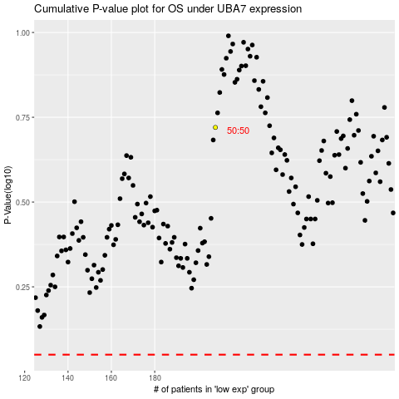

 |  |  |  |  |  | cases_OS | p_OS | rank | exp
 |  |  |  |  |  |  | cases_RFS | p_RFS | rank | exp

