UBAP1 _multivariate
Reported by Tex Li-Hsing Chi. tex@gate.sinica.edu.tw 2019-08-15

Table 2. The clinicopathological features of HNSCC cohort and UBAP1 expression. (Chi square test)
Cutoff at -0.242 (50.0%)
 |  | UBAP1 expression |  | UBAP1 expression |  | (Optimised)
 | Features | Low | (%) | High | (%) | Case no | P-value | Remark | Matthews
Gender | Female | 165 | 39.8 | 141 | 34 | 415 | 0.0081 | 1 | 0
2 | Male | 42 | 10.1 | 67 | 16.1
Age at diagnosis | <=65y | 148 | 35.7 | 126 | 30.4 | 415 | 0.0248 | 1 | 0
4 | >65y | 59 | 14.2 | 82 | 19.8
Clinical T Status | T1+T2 | 82 | 19.8 | 67 | 16.1 | 415 | 0.1417 | 0 | 0
6 | T3+T4 | 125 | 30.1 | 141 | 34
Clinical N Status | N0 | 108 | 26 | 108 | 26 | 415 | 1 | 0 | 0
8 | N1-3 | 99 | 23.9 | 100 | 24.1
Clinical M Status | M0 | 205 | 49.4 | 207 | 49.9 | 415 | 0.6232 | 0 | 0
10 | M1 | 2 | 0.5 | 1 | 0.2
Clinical Stage | Stage I+II | 51 | 12.3 | 51 | 12.3 | 415 | 1 | 0 | 0
12 | Stage III+IV | 156 | 37.6 | 157 | 37.8
Surgical Margin status | Negative | 156 | 37.6 | 162 | 39 | 415 | 0.5636 | 0 | 0
14 | Positive | 51 | 12.3 | 46 | 11.1
Tobacco Exposure | Low | 68 | 16.4 | 93 | 22.4 | 415 | 0.0156 | 1 | 0
16 | High | 139 | 33.5 | 115 | 27.7

Table 3. Univariate/Multivariate Cox's proportional hazards regression analyses on OS time of UBAP1 gene expression in HNSCC

 |  | Univariate |  |  |  | Multivariate
 | Features | HR | CI95%(L) | CI95%(H) | P-value | HR | CI95%(L) | CI95%(H) | P-value
1 | Female | 1 |  |  |  | 1
Gender | Male | 1.157 | 0.843 | 1.587 | 0.367 | 1.174 | 0.836 | 1.648 | 0.355
11 | <=65y | 1 |  |  |  | 1
Age at diagnosis | >65y | 1.329 | 0.99 | 1.784 | 0.058 | 1.384 | 1.017 | 1.882 | 0.038
12 | T1+T2 | 1 |  |  |  | 1
Clinical T Status | T3+T4 | 1.409 | 1.028 | 1.931 | 0.033 | 2.174 | 1.149 | 4.113 | 0.017
13 | N0 | 1 |  |  |  | 1
Clinical N Status | N1-3 | 1.185 | 0.89 | 1.577 | 0.246 | 1.242 | 0.871 | 1.772 | 0.232
14 | M0 | 1 |  |  |  | 1
Clinical M Status | M1 | 4.097 | 1.009 | 16.644 | 0.049 | 9.392 | 2.049 | 43.062 | 0.004
15 | Stage I+II | 1 |  |  |  | 1
Clinical Stage | Stage III+IV | 1.245 | 0.882 | 1.759 | 0.213 | 0.508 | 0.237 | 1.092 | 0.083
16 | Negative | 1 |  |  |  | 1
Surgical Margin status | Positive | 1.591 | 1.155 | 2.191 | 0.004 | 1.677 | 1.214 | 2.317 | 0.002
17 | Low | 1 |  |  |  | 1
Tobacco Exposure | High | 1.364 | 1.008 | 1.844 | 0.044 | 1.479 | 1.07 | 2.044 | 0.018
18 | Low | 1 |  |  |  | 1
RNAseq(z-score) | High | 1.145 | 0.859 | 1.526 | 0.355 | 1.131 | 0.84 | 1.523 | 0.417

Table 4. Univariate/Multivariate Cox's proportional hazards regression analyses on RFS time of UBAP1 gene expression in HNSCC

 |  | Univariate |  |  |  | Multivariate
 | Features | HR | CI95%(L) | CI95%(H) | P-value | HR | CI95%(L) | CI95%(H) | P-value
1 | Female | 1 |  |  |  | 1
Gender | Male | 1.157 | 0.843 | 1.587 | 0.367 | 1.174 | 0.836 | 1.648 | 0.355
11 | <=65y | 1 |  |  |  | 1
Age at diagnosis | >65y | 1.329 | 0.99 | 1.784 | 0.058 | 1.384 | 1.017 | 1.882 | 0.038
12 | T1+T2 | 1 |  |  |  | 1
Clinical T Status | T3+T4 | 1.409 | 1.028 | 1.931 | 0.033 | 2.174 | 1.149 | 4.113 | 0.017
13 | N0 | 1 |  |  |  | 1
Clinical N Status | N1-3 | 1.185 | 0.89 | 1.577 | 0.246 | 1.242 | 0.871 | 1.772 | 0.232
14 | M0 | 1 |  |  |  | 1
Clinical M Status | M1 | 4.097 | 1.009 | 16.644 | 0.049 | 9.392 | 2.049 | 43.062 | 0.004
15 | Stage I+II | 1 |  |  |  | 1
Clinical Stage | Stage III+IV | 1.245 | 0.882 | 1.759 | 0.213 | 0.508 | 0.237 | 1.092 | 0.083
16 | Negative | 1 |  |  |  | 1
Surgical Margin status | Positive | 1.591 | 1.155 | 2.191 | 0.004 | 1.677 | 1.214 | 2.317 | 0.002
17 | Low | 1 |  |  |  | 1
Tobacco Exposure | High | 1.364 | 1.008 | 1.844 | 0.044 | 1.479 | 1.07 | 2.044 | 0.018
18 | Low | 1 |  |  |  | 1
RNAseq(z-score) | High | 1.145 | 0.859 | 1.526 | 0.355 | 1.131 | 0.84 | 1.523 | 0.417

Kaplan-Meier survival estimate: Cutoff at -0.242 (50.0%)



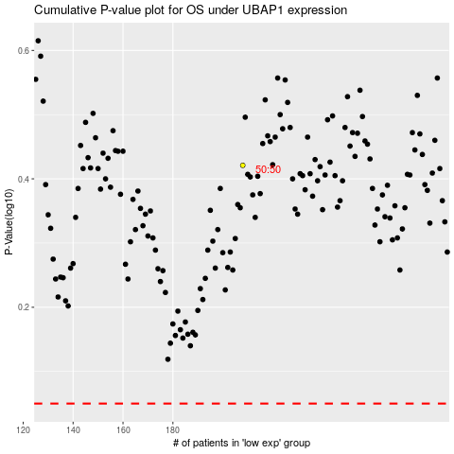

 |  |  |  |  |  | cases_OS | p_OS | rank | exp
 |  |  |  |  |  |  | cases_RFS | p_RFS | rank | exp

