UBAP2L _multivariate
Reported by Tex Li-Hsing Chi. tex@gate.sinica.edu.tw 2019-08-15

Table 2. The clinicopathological features of HNSCC cohort and UBAP2L expression. (Chi square test)
Cutoff at -0.038 (49.8%)
 |  | UBAP2L expression |  | UBAP2L expression |  | (Optimised)
 | Features | Low | (%) | High | (%) | Case no | P-value | Remark | Matthews
Gender | Female | 147 | 35.4 | 159 | 38.3 | 415 | 0.2523 | 0 | 0
2 | Male | 60 | 14.5 | 49 | 11.8
Age at diagnosis | <=65y | 132 | 31.8 | 142 | 34.2 | 415 | 0.3874 | 0 | 0
4 | >65y | 75 | 18.1 | 66 | 15.9
Clinical T Status | T1+T2 | 79 | 19 | 70 | 16.9 | 415 | 0.3924 | 0 | 0
6 | T3+T4 | 128 | 30.8 | 138 | 33.3
Clinical N Status | N0 | 115 | 27.7 | 101 | 24.3 | 415 | 0.184 | 1 | 0
8 | N1-3 | 92 | 22.2 | 107 | 25.8
Clinical M Status | M0 | 205 | 49.4 | 207 | 49.9 | 415 | 0.6232 | 0 | 0
10 | M1 | 2 | 0.5 | 1 | 0.2
Clinical Stage | Stage I+II | 55 | 13.3 | 47 | 11.3 | 415 | 0.4087 | 0 | 0
12 | Stage III+IV | 152 | 36.6 | 161 | 38.8
Surgical Margin status | Negative | 153 | 36.9 | 165 | 39.8 | 415 | 0.2036 | 0 | 0
14 | Positive | 54 | 13 | 43 | 10.4
Tobacco Exposure | Low | 90 | 21.7 | 71 | 17.1 | 415 | 0.0559 | 0 | 0
16 | High | 117 | 28.2 | 137 | 33

Table 3. Univariate/Multivariate Cox's proportional hazards regression analyses on OS time of UBAP2L gene expression in HNSCC

 |  | Univariate |  |  |  | Multivariate
 | Features | HR | CI95%(L) | CI95%(H) | P-value | HR | CI95%(L) | CI95%(H) | P-value
1 | Female | 1 |  |  |  | 1
Gender | Male | 1.157 | 0.843 | 1.587 | 0.367 | 1.21 | 0.865 | 1.693 | 0.265
11 | <=65y | 1 |  |  |  | 1
Age at diagnosis | >65y | 1.329 | 0.99 | 1.784 | 0.058 | 1.397 | 1.027 | 1.901 | 0.033
12 | T1+T2 | 1 |  |  |  | 1
Clinical T Status | T3+T4 | 1.409 | 1.028 | 1.931 | 0.033 | 2.198 | 1.162 | 4.155 | 0.015
13 | N0 | 1 |  |  |  | 1
Clinical N Status | N1-3 | 1.185 | 0.89 | 1.577 | 0.246 | 1.236 | 0.866 | 1.765 | 0.243
14 | M0 | 1 |  |  |  | 1
Clinical M Status | M1 | 4.097 | 1.009 | 16.644 | 0.049 | 9.519 | 2.074 | 43.679 | 0.004
15 | Stage I+II | 1 |  |  |  | 1
Clinical Stage | Stage III+IV | 1.245 | 0.882 | 1.759 | 0.213 | 0.504 | 0.235 | 1.082 | 0.079
16 | Negative | 1 |  |  |  | 1
Surgical Margin status | Positive | 1.591 | 1.155 | 2.191 | 0.004 | 1.673 | 1.211 | 2.312 | 0.002
17 | Low | 1 |  |  |  | 1
Tobacco Exposure | High | 1.364 | 1.008 | 1.844 | 0.044 | 1.451 | 1.053 | 2 | 0.023
18 | Low | 1 |  |  |  | 1
RNAseq(z-score) | High | 1.062 | 0.796 | 1.417 | 0.683 | 1.066 | 0.796 | 1.428 | 0.67

Table 4. Univariate/Multivariate Cox's proportional hazards regression analyses on RFS time of UBAP2L gene expression in HNSCC

 |  | Univariate |  |  |  | Multivariate
 | Features | HR | CI95%(L) | CI95%(H) | P-value | HR | CI95%(L) | CI95%(H) | P-value
1 | Female | 1 |  |  |  | 1
Gender | Male | 1.157 | 0.843 | 1.587 | 0.367 | 1.21 | 0.865 | 1.693 | 0.265
11 | <=65y | 1 |  |  |  | 1
Age at diagnosis | >65y | 1.329 | 0.99 | 1.784 | 0.058 | 1.397 | 1.027 | 1.901 | 0.033
12 | T1+T2 | 1 |  |  |  | 1
Clinical T Status | T3+T4 | 1.409 | 1.028 | 1.931 | 0.033 | 2.198 | 1.162 | 4.155 | 0.015
13 | N0 | 1 |  |  |  | 1
Clinical N Status | N1-3 | 1.185 | 0.89 | 1.577 | 0.246 | 1.236 | 0.866 | 1.765 | 0.243
14 | M0 | 1 |  |  |  | 1
Clinical M Status | M1 | 4.097 | 1.009 | 16.644 | 0.049 | 9.519 | 2.074 | 43.679 | 0.004
15 | Stage I+II | 1 |  |  |  | 1
Clinical Stage | Stage III+IV | 1.245 | 0.882 | 1.759 | 0.213 | 0.504 | 0.235 | 1.082 | 0.079
16 | Negative | 1 |  |  |  | 1
Surgical Margin status | Positive | 1.591 | 1.155 | 2.191 | 0.004 | 1.673 | 1.211 | 2.312 | 0.002
17 | Low | 1 |  |  |  | 1
Tobacco Exposure | High | 1.364 | 1.008 | 1.844 | 0.044 | 1.451 | 1.053 | 2 | 0.023
18 | Low | 1 |  |  |  | 1
RNAseq(z-score) | High | 1.062 | 0.796 | 1.417 | 0.683 | 1.066 | 0.796 | 1.428 | 0.67

Kaplan-Meier survival estimate: Cutoff at -0.038 (49.8%)



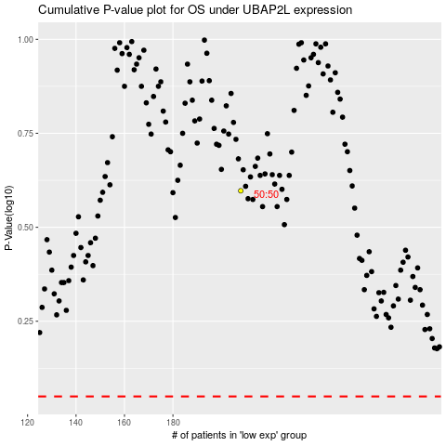

 |  |  |  |  |  | cases_OS | p_OS | rank | exp
 |  |  |  |  |  |  | cases_RFS | p_RFS | rank | exp

