UBASH3B _multivariate
Reported by Tex Li-Hsing Chi. tex@gate.sinica.edu.tw 2019-08-15

Table 2. The clinicopathological features of HNSCC cohort and UBASH3B expression. (Chi square test)
Cutoff at -0.063 (50.0%)
 |  | UBASH3B expression |  | UBASH3B expression |  | (Optimised)
 | Features | Low | (%) | High | (%) | Case no | P-value | Remark | Matthews
Gender | Female | 163 | 39.3 | 143 | 34.5 | 415 | 0.0277 | 1 | 0
2 | Male | 44 | 10.6 | 65 | 15.7
Age at diagnosis | <=65y | 138 | 33.3 | 136 | 32.8 | 415 | 0.8634 | 0 | 0
4 | >65y | 69 | 16.6 | 72 | 17.3
Clinical T Status | T1+T2 | 75 | 18.1 | 74 | 17.8 | 415 | 0.9707 | 0 | 0
6 | T3+T4 | 132 | 31.8 | 134 | 32.3
Clinical N Status | N0 | 106 | 25.5 | 110 | 26.5 | 415 | 0.8075 | 0 | 0
8 | N1-3 | 101 | 24.3 | 98 | 23.6
Clinical M Status | M0 | 205 | 49.4 | 207 | 49.9 | 415 | 0.6232 | 0 | 0
10 | M1 | 2 | 0.5 | 1 | 0.2
Clinical Stage | Stage I+II | 45 | 10.8 | 57 | 13.7 | 415 | 0.2202 | 0 | 0
12 | Stage III+IV | 162 | 39 | 151 | 36.4
Surgical Margin status | Negative | 153 | 36.9 | 165 | 39.8 | 415 | 0.2036 | 0 | 0
14 | Positive | 54 | 13 | 43 | 10.4
Tobacco Exposure | Low | 75 | 18.1 | 86 | 20.7 | 415 | 0.3141 | 0 | 0
16 | High | 132 | 31.8 | 122 | 29.4

Table 3. Univariate/Multivariate Cox's proportional hazards regression analyses on OS time of UBASH3B gene expression in HNSCC

 |  | Univariate |  |  |  | Multivariate
 | Features | HR | CI95%(L) | CI95%(H) | P-value | HR | CI95%(L) | CI95%(H) | P-value
1 | Female | 1 |  |  |  | 1
Gender | Male | 1.157 | 0.843 | 1.587 | 0.367 | 1.18 | 0.843 | 1.652 | 0.335
11 | <=65y | 1 |  |  |  | 1
Age at diagnosis | >65y | 1.329 | 0.99 | 1.784 | 0.058 | 1.393 | 1.025 | 1.894 | 0.034
12 | T1+T2 | 1 |  |  |  | 1
Clinical T Status | T3+T4 | 1.409 | 1.028 | 1.931 | 0.033 | 2.193 | 1.16 | 4.147 | 0.016
13 | N0 | 1 |  |  |  | 1
Clinical N Status | N1-3 | 1.185 | 0.89 | 1.577 | 0.246 | 1.245 | 0.873 | 1.776 | 0.226
14 | M0 | 1 |  |  |  | 1
Clinical M Status | M1 | 4.097 | 1.009 | 16.644 | 0.049 | 9.402 | 2.051 | 43.11 | 0.004
15 | Stage I+II | 1 |  |  |  | 1
Clinical Stage | Stage III+IV | 1.245 | 0.882 | 1.759 | 0.213 | 0.511 | 0.238 | 1.099 | 0.086
16 | Negative | 1 |  |  |  | 1
Surgical Margin status | Positive | 1.591 | 1.155 | 2.191 | 0.004 | 1.686 | 1.22 | 2.331 | 0.002
17 | Low | 1 |  |  |  | 1
Tobacco Exposure | High | 1.364 | 1.008 | 1.844 | 0.044 | 1.452 | 1.054 | 2.002 | 0.023
18 | Low | 1 |  |  |  | 1
RNAseq(z-score) | High | 1.136 | 0.852 | 1.516 | 0.385 | 1.156 | 0.864 | 1.547 | 0.33

Table 4. Univariate/Multivariate Cox's proportional hazards regression analyses on RFS time of UBASH3B gene expression in HNSCC

 |  | Univariate |  |  |  | Multivariate
 | Features | HR | CI95%(L) | CI95%(H) | P-value | HR | CI95%(L) | CI95%(H) | P-value
1 | Female | 1 |  |  |  | 1
Gender | Male | 1.157 | 0.843 | 1.587 | 0.367 | 1.18 | 0.843 | 1.652 | 0.335
11 | <=65y | 1 |  |  |  | 1
Age at diagnosis | >65y | 1.329 | 0.99 | 1.784 | 0.058 | 1.393 | 1.025 | 1.894 | 0.034
12 | T1+T2 | 1 |  |  |  | 1
Clinical T Status | T3+T4 | 1.409 | 1.028 | 1.931 | 0.033 | 2.193 | 1.16 | 4.147 | 0.016
13 | N0 | 1 |  |  |  | 1
Clinical N Status | N1-3 | 1.185 | 0.89 | 1.577 | 0.246 | 1.245 | 0.873 | 1.776 | 0.226
14 | M0 | 1 |  |  |  | 1
Clinical M Status | M1 | 4.097 | 1.009 | 16.644 | 0.049 | 9.402 | 2.051 | 43.11 | 0.004
15 | Stage I+II | 1 |  |  |  | 1
Clinical Stage | Stage III+IV | 1.245 | 0.882 | 1.759 | 0.213 | 0.511 | 0.238 | 1.099 | 0.086
16 | Negative | 1 |  |  |  | 1
Surgical Margin status | Positive | 1.591 | 1.155 | 2.191 | 0.004 | 1.686 | 1.22 | 2.331 | 0.002
17 | Low | 1 |  |  |  | 1
Tobacco Exposure | High | 1.364 | 1.008 | 1.844 | 0.044 | 1.452 | 1.054 | 2.002 | 0.023
18 | Low | 1 |  |  |  | 1
RNAseq(z-score) | High | 1.136 | 0.852 | 1.516 | 0.385 | 1.156 | 0.864 | 1.547 | 0.33

Kaplan-Meier survival estimate: Cutoff at -0.063 (50.0%)

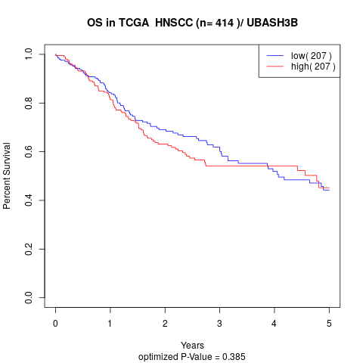

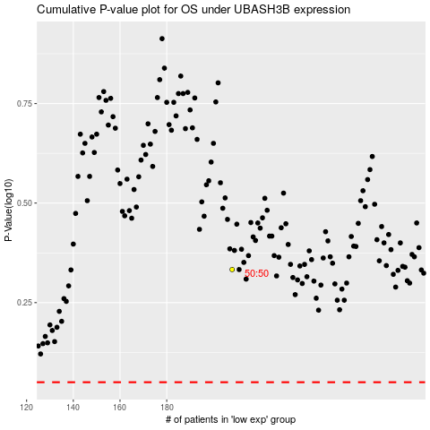

 |  |  |  |  |  | cases_OS | p_OS | rank | exp
 |  |  |  |  |  |  | cases_RFS | p_RFS | rank | exp

