UBC _multivariate
Reported by Tex Li-Hsing Chi. tex@gate.sinica.edu.tw 2019-08-15

Table 2. The clinicopathological features of HNSCC cohort and UBC expression. (Chi square test)
Cutoff at -0.237 (50.0%)
 |  | UBC expression |  | UBC expression |  | (Optimised)
 | Features | Low | (%) | High | (%) | Case no | P-value | Remark | Matthews
Gender | Female | 164 | 39.5 | 142 | 34.2 | 415 | 0.0153 | 1 | 0
2 | Male | 43 | 10.4 | 66 | 15.9
Age at diagnosis | <=65y | 145 | 34.9 | 129 | 31.1 | 415 | 0.1046 | 0 | 0
4 | >65y | 62 | 14.9 | 79 | 19
Clinical T Status | T1+T2 | 72 | 17.3 | 77 | 18.6 | 415 | 0.7095 | 0 | 0
6 | T3+T4 | 135 | 32.5 | 131 | 31.6
Clinical N Status | N0 | 95 | 22.9 | 121 | 29.2 | 415 | 0.0162 | 1 | 0
8 | N1-3 | 112 | 27 | 87 | 21
Clinical M Status | M0 | 207 | 49.9 | 205 | 49.4 | 415 | 0.2482 | 0 | 0
10 | M1 | 0 | 0 | 3 | 0.7
Clinical Stage | Stage I+II | 46 | 11.1 | 56 | 13.5 | 415 | 0.3182 | 0 | 0
12 | Stage III+IV | 161 | 38.8 | 152 | 36.6
Surgical Margin status | Negative | 160 | 38.6 | 158 | 38.1 | 415 | 0.8167 | 0 | 0
14 | Positive | 47 | 11.3 | 50 | 12
Tobacco Exposure | Low | 63 | 15.2 | 98 | 23.6 | 415 | 6e-04 | 1 | 0
16 | High | 144 | 34.7 | 110 | 26.5

Table 3. Univariate/Multivariate Cox's proportional hazards regression analyses on OS time of UBC gene expression in HNSCC

 |  | Univariate |  |  |  | Multivariate
 | Features | HR | CI95%(L) | CI95%(H) | P-value | HR | CI95%(L) | CI95%(H) | P-value
1 | Female | 1 |  |  |  | 1
Gender | Male | 1.157 | 0.843 | 1.587 | 0.367 | 1.221 | 0.872 | 1.711 | 0.246
11 | <=65y | 1 |  |  |  | 1
Age at diagnosis | >65y | 1.329 | 0.99 | 1.784 | 0.058 | 1.398 | 1.028 | 1.901 | 0.032
12 | T1+T2 | 1 |  |  |  | 1
Clinical T Status | T3+T4 | 1.409 | 1.028 | 1.931 | 0.033 | 2.232 | 1.179 | 4.225 | 0.014
13 | N0 | 1 |  |  |  | 1
Clinical N Status | N1-3 | 1.185 | 0.89 | 1.577 | 0.246 | 1.227 | 0.858 | 1.754 | 0.263
14 | M0 | 1 |  |  |  | 1
Clinical M Status | M1 | 4.097 | 1.009 | 16.644 | 0.049 | 10.18 | 2.184 | 47.457 | 0.003
15 | Stage I+II | 1 |  |  |  | 1
Clinical Stage | Stage III+IV | 1.245 | 0.882 | 1.759 | 0.213 | 0.497 | 0.231 | 1.067 | 0.073
16 | Negative | 1 |  |  |  | 1
Surgical Margin status | Positive | 1.591 | 1.155 | 2.191 | 0.004 | 1.694 | 1.223 | 2.346 | 0.002
17 | Low | 1 |  |  |  | 1
Tobacco Exposure | High | 1.364 | 1.008 | 1.844 | 0.044 | 1.43 | 1.035 | 1.975 | 0.03
18 | Low | 1 |  |  |  | 1
RNAseq(z-score) | High | 0.957 | 0.719 | 1.275 | 0.765 | 0.898 | 0.663 | 1.215 | 0.485

Table 4. Univariate/Multivariate Cox's proportional hazards regression analyses on RFS time of UBC gene expression in HNSCC

 |  | Univariate |  |  |  | Multivariate
 | Features | HR | CI95%(L) | CI95%(H) | P-value | HR | CI95%(L) | CI95%(H) | P-value
1 | Female | 1 |  |  |  | 1
Gender | Male | 1.157 | 0.843 | 1.587 | 0.367 | 1.221 | 0.872 | 1.711 | 0.246
11 | <=65y | 1 |  |  |  | 1
Age at diagnosis | >65y | 1.329 | 0.99 | 1.784 | 0.058 | 1.398 | 1.028 | 1.901 | 0.032
12 | T1+T2 | 1 |  |  |  | 1
Clinical T Status | T3+T4 | 1.409 | 1.028 | 1.931 | 0.033 | 2.232 | 1.179 | 4.225 | 0.014
13 | N0 | 1 |  |  |  | 1
Clinical N Status | N1-3 | 1.185 | 0.89 | 1.577 | 0.246 | 1.227 | 0.858 | 1.754 | 0.263
14 | M0 | 1 |  |  |  | 1
Clinical M Status | M1 | 4.097 | 1.009 | 16.644 | 0.049 | 10.18 | 2.184 | 47.457 | 0.003
15 | Stage I+II | 1 |  |  |  | 1
Clinical Stage | Stage III+IV | 1.245 | 0.882 | 1.759 | 0.213 | 0.497 | 0.231 | 1.067 | 0.073
16 | Negative | 1 |  |  |  | 1
Surgical Margin status | Positive | 1.591 | 1.155 | 2.191 | 0.004 | 1.694 | 1.223 | 2.346 | 0.002
17 | Low | 1 |  |  |  | 1
Tobacco Exposure | High | 1.364 | 1.008 | 1.844 | 0.044 | 1.43 | 1.035 | 1.975 | 0.03
18 | Low | 1 |  |  |  | 1
RNAseq(z-score) | High | 0.957 | 0.719 | 1.275 | 0.765 | 0.898 | 0.663 | 1.215 | 0.485

Kaplan-Meier survival estimate: Cutoff at -0.237 (50.0%)

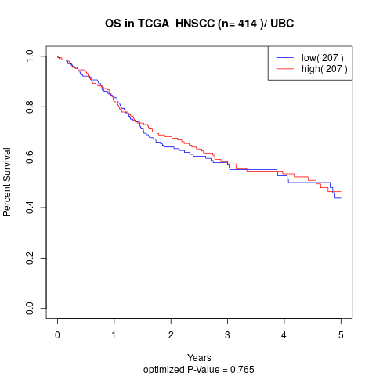

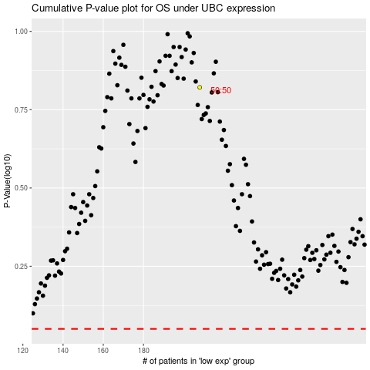

 |  |  |  |  |  | cases_OS | p_OS | rank | exp
 |  |  |  |  |  |  | cases_RFS | p_RFS | rank | exp

