UBD _multivariate
Reported by Tex Li-Hsing Chi. tex@gate.sinica.edu.tw 2019-08-15

Table 2. The clinicopathological features of HNSCC cohort and UBD expression. (Chi square test)
Cutoff at -0.344 (50.0%)
 |  | UBD expression |  | UBD expression |  | (Optimised)
 | Features | Low | (%) | High | (%) | Case no | P-value | Remark | Matthews
Gender | Female | 159 | 38.3 | 147 | 35.4 | 415 | 0.1905 | 0 | 0
2 | Male | 48 | 11.6 | 61 | 14.7
Age at diagnosis | <=65y | 147 | 35.4 | 127 | 30.6 | 415 | 0.0416 | 1 | 0
4 | >65y | 60 | 14.5 | 81 | 19.5
Clinical T Status | T1+T2 | 59 | 14.2 | 90 | 21.7 | 415 | 0.0024 | 1 | 0
6 | T3+T4 | 148 | 35.7 | 118 | 28.4
Clinical N Status | N0 | 114 | 27.5 | 102 | 24.6 | 415 | 0.2576 | 1 | 0
8 | N1-3 | 93 | 22.4 | 106 | 25.5
Clinical M Status | M0 | 207 | 49.9 | 205 | 49.4 | 415 | 0.2482 | 0 | 0
10 | M1 | 0 | 0 | 3 | 0.7
Clinical Stage | Stage I+II | 44 | 10.6 | 58 | 14 | 415 | 0.1459 | 0 | 0
12 | Stage III+IV | 163 | 39.3 | 150 | 36.1
Surgical Margin status | Negative | 158 | 38.1 | 160 | 38.6 | 415 | 0.9081 | 0 | 0
14 | Positive | 49 | 11.8 | 48 | 11.6
Tobacco Exposure | Low | 75 | 18.1 | 86 | 20.7 | 415 | 0.3141 | 0 | 0
16 | High | 132 | 31.8 | 122 | 29.4

Table 3. Univariate/Multivariate Cox's proportional hazards regression analyses on OS time of UBD gene expression in HNSCC

 |  | Univariate |  |  |  | Multivariate
 | Features | HR | CI95%(L) | CI95%(H) | P-value | HR | CI95%(L) | CI95%(H) | P-value
1 | Female | 1 |  |  |  | 1
Gender | Male | 1.157 | 0.843 | 1.587 | 0.367 | 1.211 | 0.866 | 1.693 | 0.263
11 | <=65y | 1 |  |  |  | 1
Age at diagnosis | >65y | 1.329 | 0.99 | 1.784 | 0.058 | 1.409 | 1.035 | 1.918 | 0.029
12 | T1+T2 | 1 |  |  |  | 1
Clinical T Status | T3+T4 | 1.409 | 1.028 | 1.931 | 0.033 | 2.172 | 1.148 | 4.109 | 0.017
13 | N0 | 1 |  |  |  | 1
Clinical N Status | N1-3 | 1.185 | 0.89 | 1.577 | 0.246 | 1.256 | 0.879 | 1.794 | 0.211
14 | M0 | 1 |  |  |  | 1
Clinical M Status | M1 | 4.097 | 1.009 | 16.644 | 0.049 | 9.906 | 2.148 | 45.678 | 0.003
15 | Stage I+II | 1 |  |  |  | 1
Clinical Stage | Stage III+IV | 1.245 | 0.882 | 1.759 | 0.213 | 0.502 | 0.234 | 1.077 | 0.077
16 | Negative | 1 |  |  |  | 1
Surgical Margin status | Positive | 1.591 | 1.155 | 2.191 | 0.004 | 1.679 | 1.215 | 2.321 | 0.002
17 | Low | 1 |  |  |  | 1
Tobacco Exposure | High | 1.364 | 1.008 | 1.844 | 0.044 | 1.449 | 1.051 | 1.997 | 0.024
18 | Low | 1 |  |  |  | 1
RNAseq(z-score) | High | 0.915 | 0.687 | 1.219 | 0.545 | 0.889 | 0.662 | 1.193 | 0.433

Table 4. Univariate/Multivariate Cox's proportional hazards regression analyses on RFS time of UBD gene expression in HNSCC

 |  | Univariate |  |  |  | Multivariate
 | Features | HR | CI95%(L) | CI95%(H) | P-value | HR | CI95%(L) | CI95%(H) | P-value
1 | Female | 1 |  |  |  | 1
Gender | Male | 1.157 | 0.843 | 1.587 | 0.367 | 1.211 | 0.866 | 1.693 | 0.263
11 | <=65y | 1 |  |  |  | 1
Age at diagnosis | >65y | 1.329 | 0.99 | 1.784 | 0.058 | 1.409 | 1.035 | 1.918 | 0.029
12 | T1+T2 | 1 |  |  |  | 1
Clinical T Status | T3+T4 | 1.409 | 1.028 | 1.931 | 0.033 | 2.172 | 1.148 | 4.109 | 0.017
13 | N0 | 1 |  |  |  | 1
Clinical N Status | N1-3 | 1.185 | 0.89 | 1.577 | 0.246 | 1.256 | 0.879 | 1.794 | 0.211
14 | M0 | 1 |  |  |  | 1
Clinical M Status | M1 | 4.097 | 1.009 | 16.644 | 0.049 | 9.906 | 2.148 | 45.678 | 0.003
15 | Stage I+II | 1 |  |  |  | 1
Clinical Stage | Stage III+IV | 1.245 | 0.882 | 1.759 | 0.213 | 0.502 | 0.234 | 1.077 | 0.077
16 | Negative | 1 |  |  |  | 1
Surgical Margin status | Positive | 1.591 | 1.155 | 2.191 | 0.004 | 1.679 | 1.215 | 2.321 | 0.002
17 | Low | 1 |  |  |  | 1
Tobacco Exposure | High | 1.364 | 1.008 | 1.844 | 0.044 | 1.449 | 1.051 | 1.997 | 0.024
18 | Low | 1 |  |  |  | 1
RNAseq(z-score) | High | 0.915 | 0.687 | 1.219 | 0.545 | 0.889 | 0.662 | 1.193 | 0.433

Kaplan-Meier survival estimate: Cutoff at -0.344 (50.0%)



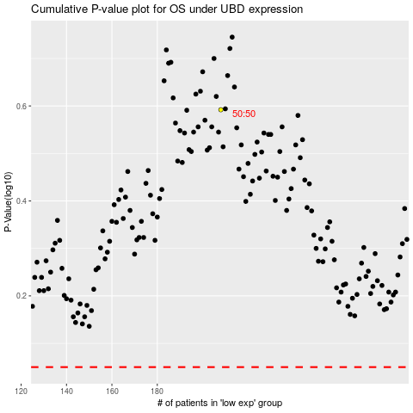

 |  |  |  |  |  | cases_OS | p_OS | rank | exp
 |  |  |  |  |  |  | cases_RFS | p_RFS | rank | exp

