UBE2B _multivariate
Reported by Tex Li-Hsing Chi. tex@gate.sinica.edu.tw 2019-08-15

Table 2. The clinicopathological features of HNSCC cohort and UBE2B expression. (Chi square test)
Cutoff at -0.245 (50.0%)
 |  | UBE2B expression |  | UBE2B expression |  | (Optimised)
 | Features | Low | (%) | High | (%) | Case no | P-value | Remark | Matthews
Gender | Female | 158 | 38.1 | 148 | 35.7 | 415 | 0.2774 | 0 | 0
2 | Male | 49 | 11.8 | 60 | 14.5
Age at diagnosis | <=65y | 136 | 32.8 | 138 | 33.3 | 415 | 0.9719 | 0 | 0
4 | >65y | 71 | 17.1 | 70 | 16.9
Clinical T Status | T1+T2 | 70 | 16.9 | 79 | 19 | 415 | 0.4343 | 0 | 0
6 | T3+T4 | 137 | 33 | 129 | 31.1
Clinical N Status | N0 | 102 | 24.6 | 114 | 27.5 | 415 | 0.3031 | 0 | 0
8 | N1-3 | 105 | 25.3 | 94 | 22.7
Clinical M Status | M0 | 206 | 49.6 | 206 | 49.6 | 415 | 1 | 0 | 0
10 | M1 | 1 | 0.2 | 2 | 0.5
Clinical Stage | Stage I+II | 50 | 12 | 52 | 12.5 | 415 | 0.9315 | 0 | 0
12 | Stage III+IV | 157 | 37.8 | 156 | 37.6
Surgical Margin status | Negative | 167 | 40.2 | 151 | 36.4 | 415 | 0.0632 | 0 | 0
14 | Positive | 40 | 9.6 | 57 | 13.7
Tobacco Exposure | Low | 73 | 17.6 | 88 | 21.2 | 415 | 0.1587 | 0 | 0
16 | High | 134 | 32.3 | 120 | 28.9

Table 3. Univariate/Multivariate Cox's proportional hazards regression analyses on OS time of UBE2B gene expression in HNSCC

 |  | Univariate |  |  |  | Multivariate
 | Features | HR | CI95%(L) | CI95%(H) | P-value | HR | CI95%(L) | CI95%(H) | P-value
1 | Female | 1 |  |  |  | 1
Gender | Male | 1.157 | 0.843 | 1.587 | 0.367 | 1.194 | 0.853 | 1.671 | 0.302
11 | <=65y | 1 |  |  |  | 1
Age at diagnosis | >65y | 1.329 | 0.99 | 1.784 | 0.058 | 1.396 | 1.027 | 1.899 | 0.033
12 | T1+T2 | 1 |  |  |  | 1
Clinical T Status | T3+T4 | 1.409 | 1.028 | 1.931 | 0.033 | 2.217 | 1.171 | 4.195 | 0.014
13 | N0 | 1 |  |  |  | 1
Clinical N Status | N1-3 | 1.185 | 0.89 | 1.577 | 0.246 | 1.25 | 0.874 | 1.788 | 0.221
14 | M0 | 1 |  |  |  | 1
Clinical M Status | M1 | 4.097 | 1.009 | 16.644 | 0.049 | 9.343 | 2.038 | 42.844 | 0.004
15 | Stage I+II | 1 |  |  |  | 1
Clinical Stage | Stage III+IV | 1.245 | 0.882 | 1.759 | 0.213 | 0.502 | 0.234 | 1.078 | 0.077
16 | Negative | 1 |  |  |  | 1
Surgical Margin status | Positive | 1.591 | 1.155 | 2.191 | 0.004 | 1.655 | 1.193 | 2.297 | 0.003
17 | Low | 1 |  |  |  | 1
Tobacco Exposure | High | 1.364 | 1.008 | 1.844 | 0.044 | 1.459 | 1.058 | 2.011 | 0.021
18 | Low | 1 |  |  |  | 1
RNAseq(z-score) | High | 1.044 | 0.784 | 1.39 | 0.769 | 1.056 | 0.785 | 1.421 | 0.72

Table 4. Univariate/Multivariate Cox's proportional hazards regression analyses on RFS time of UBE2B gene expression in HNSCC

 |  | Univariate |  |  |  | Multivariate
 | Features | HR | CI95%(L) | CI95%(H) | P-value | HR | CI95%(L) | CI95%(H) | P-value
1 | Female | 1 |  |  |  | 1
Gender | Male | 1.157 | 0.843 | 1.587 | 0.367 | 1.194 | 0.853 | 1.671 | 0.302
11 | <=65y | 1 |  |  |  | 1
Age at diagnosis | >65y | 1.329 | 0.99 | 1.784 | 0.058 | 1.396 | 1.027 | 1.899 | 0.033
12 | T1+T2 | 1 |  |  |  | 1
Clinical T Status | T3+T4 | 1.409 | 1.028 | 1.931 | 0.033 | 2.217 | 1.171 | 4.195 | 0.014
13 | N0 | 1 |  |  |  | 1
Clinical N Status | N1-3 | 1.185 | 0.89 | 1.577 | 0.246 | 1.25 | 0.874 | 1.788 | 0.221
14 | M0 | 1 |  |  |  | 1
Clinical M Status | M1 | 4.097 | 1.009 | 16.644 | 0.049 | 9.343 | 2.038 | 42.844 | 0.004
15 | Stage I+II | 1 |  |  |  | 1
Clinical Stage | Stage III+IV | 1.245 | 0.882 | 1.759 | 0.213 | 0.502 | 0.234 | 1.078 | 0.077
16 | Negative | 1 |  |  |  | 1
Surgical Margin status | Positive | 1.591 | 1.155 | 2.191 | 0.004 | 1.655 | 1.193 | 2.297 | 0.003
17 | Low | 1 |  |  |  | 1
Tobacco Exposure | High | 1.364 | 1.008 | 1.844 | 0.044 | 1.459 | 1.058 | 2.011 | 0.021
18 | Low | 1 |  |  |  | 1
RNAseq(z-score) | High | 1.044 | 0.784 | 1.39 | 0.769 | 1.056 | 0.785 | 1.421 | 0.72

Kaplan-Meier survival estimate: Cutoff at -0.245 (50.0%)

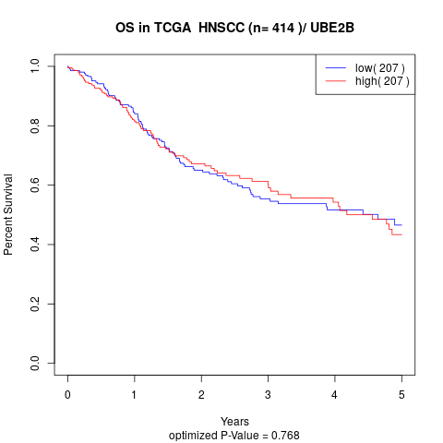

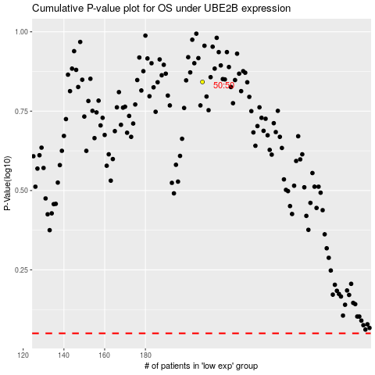

 |  |  |  |  |  | cases_OS | p_OS | rank | exp
 |  |  |  |  |  |  | cases_RFS | p_RFS | rank | exp

