UBE2C _multivariate
Reported by Tex Li-Hsing Chi. tex@gate.sinica.edu.tw 2019-08-15

Table 2. The clinicopathological features of HNSCC cohort and UBE2C expression. (Chi square test)
Cutoff at -0.14 (49.8%)
 |  | UBE2C expression |  | UBE2C expression |  | (Optimised)
 | Features | Low | (%) | High | (%) | Case no | P-value | Remark | Matthews
Gender | Female | 149 | 35.9 | 157 | 37.8 | 415 | 0.4848 | 0 | 0
2 | Male | 58 | 14 | 51 | 12.3
Age at diagnosis | <=65y | 135 | 32.5 | 139 | 33.5 | 415 | 0.8084 | 0 | 0
4 | >65y | 72 | 17.3 | 69 | 16.6
Clinical T Status | T1+T2 | 79 | 19 | 70 | 16.9 | 415 | 0.3924 | 0 | 0
6 | T3+T4 | 128 | 30.8 | 138 | 33.3
Clinical N Status | N0 | 119 | 28.7 | 97 | 23.4 | 415 | 0.0345 | 1 | 0
8 | N1-3 | 88 | 21.2 | 111 | 26.7
Clinical M Status | M0 | 207 | 49.9 | 205 | 49.4 | 415 | 0.2482 | 0 | 0
10 | M1 | 0 | 0 | 3 | 0.7
Clinical Stage | Stage I+II | 56 | 13.5 | 46 | 11.1 | 415 | 0.2918 | 0 | 0
12 | Stage III+IV | 151 | 36.4 | 162 | 39
Surgical Margin status | Negative | 163 | 39.3 | 155 | 37.3 | 415 | 0.3537 | 0 | 0
14 | Positive | 44 | 10.6 | 53 | 12.8
Tobacco Exposure | Low | 94 | 22.7 | 67 | 16.1 | 415 | 0.0065 | 1 | 0
16 | High | 113 | 27.2 | 141 | 34

Table 3. Univariate/Multivariate Cox's proportional hazards regression analyses on OS time of UBE2C gene expression in HNSCC

 |  | Univariate |  |  |  | Multivariate
 | Features | HR | CI95%(L) | CI95%(H) | P-value | HR | CI95%(L) | CI95%(H) | P-value
1 | Female | 1 |  |  |  | 1
Gender | Male | 1.157 | 0.843 | 1.587 | 0.367 | 1.202 | 0.86 | 1.679 | 0.281
11 | <=65y | 1 |  |  |  | 1
Age at diagnosis | >65y | 1.329 | 0.99 | 1.784 | 0.058 | 1.393 | 1.023 | 1.897 | 0.035
12 | T1+T2 | 1 |  |  |  | 1
Clinical T Status | T3+T4 | 1.409 | 1.028 | 1.931 | 0.033 | 2.205 | 1.165 | 4.172 | 0.015
13 | N0 | 1 |  |  |  | 1
Clinical N Status | N1-3 | 1.185 | 0.89 | 1.577 | 0.246 | 1.243 | 0.867 | 1.782 | 0.236
14 | M0 | 1 |  |  |  | 1
Clinical M Status | M1 | 4.097 | 1.009 | 16.644 | 0.049 | 9.464 | 2.047 | 43.764 | 0.004
15 | Stage I+II | 1 |  |  |  | 1
Clinical Stage | Stage III+IV | 1.245 | 0.882 | 1.759 | 0.213 | 0.504 | 0.234 | 1.083 | 0.079
16 | Negative | 1 |  |  |  | 1
Surgical Margin status | Positive | 1.591 | 1.155 | 2.191 | 0.004 | 1.674 | 1.209 | 2.317 | 0.002
17 | Low | 1 |  |  |  | 1
Tobacco Exposure | High | 1.364 | 1.008 | 1.844 | 0.044 | 1.456 | 1.051 | 2.017 | 0.024
18 | Low | 1 |  |  |  | 1
RNAseq(z-score) | High | 1.181 | 0.887 | 1.573 | 0.256 | 0.989 | 0.733 | 1.334 | 0.942

Table 4. Univariate/Multivariate Cox's proportional hazards regression analyses on RFS time of UBE2C gene expression in HNSCC

 |  | Univariate |  |  |  | Multivariate
 | Features | HR | CI95%(L) | CI95%(H) | P-value | HR | CI95%(L) | CI95%(H) | P-value
1 | Female | 1 |  |  |  | 1
Gender | Male | 1.157 | 0.843 | 1.587 | 0.367 | 1.202 | 0.86 | 1.679 | 0.281
11 | <=65y | 1 |  |  |  | 1
Age at diagnosis | >65y | 1.329 | 0.99 | 1.784 | 0.058 | 1.393 | 1.023 | 1.897 | 0.035
12 | T1+T2 | 1 |  |  |  | 1
Clinical T Status | T3+T4 | 1.409 | 1.028 | 1.931 | 0.033 | 2.205 | 1.165 | 4.172 | 0.015
13 | N0 | 1 |  |  |  | 1
Clinical N Status | N1-3 | 1.185 | 0.89 | 1.577 | 0.246 | 1.243 | 0.867 | 1.782 | 0.236
14 | M0 | 1 |  |  |  | 1
Clinical M Status | M1 | 4.097 | 1.009 | 16.644 | 0.049 | 9.464 | 2.047 | 43.764 | 0.004
15 | Stage I+II | 1 |  |  |  | 1
Clinical Stage | Stage III+IV | 1.245 | 0.882 | 1.759 | 0.213 | 0.504 | 0.234 | 1.083 | 0.079
16 | Negative | 1 |  |  |  | 1
Surgical Margin status | Positive | 1.591 | 1.155 | 2.191 | 0.004 | 1.674 | 1.209 | 2.317 | 0.002
17 | Low | 1 |  |  |  | 1
Tobacco Exposure | High | 1.364 | 1.008 | 1.844 | 0.044 | 1.456 | 1.051 | 2.017 | 0.024
18 | Low | 1 |  |  |  | 1
RNAseq(z-score) | High | 1.181 | 0.887 | 1.573 | 0.256 | 0.989 | 0.733 | 1.334 | 0.942

Kaplan-Meier survival estimate: Cutoff at -0.14 (49.8%)



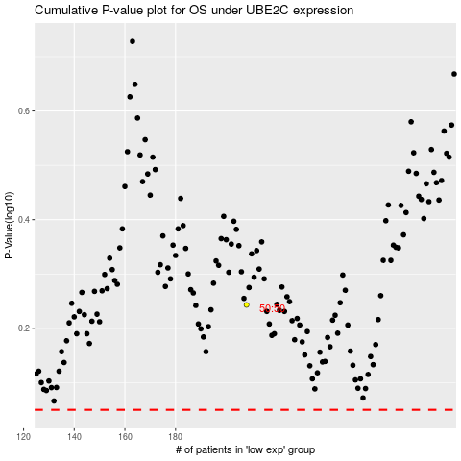

 |  |  |  |  |  | cases_OS | p_OS | rank | exp
 |  |  |  |  |  |  | cases_RFS | p_RFS | rank | exp

