UBE2CBP _multivariate
Reported by Tex Li-Hsing Chi. tex@gate.sinica.edu.tw 2019-08-15

Table 2. The clinicopathological features of HNSCC cohort and UBE2CBP expression. (Chi square test)
Cutoff at -0.196 (50.0%)
 |  | UBE2CBP expression |  | UBE2CBP expression |  | (Optimised)
 | Features | Low | (%) | High | (%) | Case no | P-value | Remark | Matthews
Gender | Female | 150 | 36.1 | 156 | 37.6 | 415 | 0.6344 | 0 | 0
2 | Male | 57 | 13.7 | 52 | 12.5
Age at diagnosis | <=65y | 135 | 32.5 | 139 | 33.5 | 415 | 0.8084 | 0 | 0
4 | >65y | 72 | 17.3 | 69 | 16.6
Clinical T Status | T1+T2 | 80 | 19.3 | 69 | 16.6 | 415 | 0.2891 | 0 | 0
6 | T3+T4 | 127 | 30.6 | 139 | 33.5
Clinical N Status | N0 | 110 | 26.5 | 106 | 25.5 | 415 | 0.7294 | 0 | 0
8 | N1-3 | 97 | 23.4 | 102 | 24.6
Clinical M Status | M0 | 206 | 49.6 | 206 | 49.6 | 415 | 1 | 0 | 0
10 | M1 | 1 | 0.2 | 2 | 0.5
Clinical Stage | Stage I+II | 58 | 14 | 44 | 10.6 | 415 | 0.131 | 0 | 0
12 | Stage III+IV | 149 | 35.9 | 164 | 39.5
Surgical Margin status | Negative | 160 | 38.6 | 158 | 38.1 | 415 | 0.8167 | 0 | 0
14 | Positive | 47 | 11.3 | 50 | 12
Tobacco Exposure | Low | 90 | 21.7 | 71 | 17.1 | 415 | 0.0559 | 0 | 0
16 | High | 117 | 28.2 | 137 | 33

Table 3. Univariate/Multivariate Cox's proportional hazards regression analyses on OS time of UBE2CBP gene expression in HNSCC

 |  | Univariate |  |  |  | Multivariate
 | Features | HR | CI95%(L) | CI95%(H) | P-value | HR | CI95%(L) | CI95%(H) | P-value
1 | Female | 1 |  |  |  | 1
Gender | Male | 1.157 | 0.843 | 1.587 | 0.367 | 1.196 | 0.855 | 1.672 | 0.296
11 | <=65y | 1 |  |  |  | 1
Age at diagnosis | >65y | 1.329 | 0.99 | 1.784 | 0.058 | 1.391 | 1.023 | 1.891 | 0.035
12 | T1+T2 | 1 |  |  |  | 1
Clinical T Status | T3+T4 | 1.409 | 1.028 | 1.931 | 0.033 | 2.219 | 1.172 | 4.199 | 0.014
13 | N0 | 1 |  |  |  | 1
Clinical N Status | N1-3 | 1.185 | 0.89 | 1.577 | 0.246 | 1.242 | 0.87 | 1.773 | 0.232
14 | M0 | 1 |  |  |  | 1
Clinical M Status | M1 | 4.097 | 1.009 | 16.644 | 0.049 | 9.301 | 2.027 | 42.681 | 0.004
15 | Stage I+II | 1 |  |  |  | 1
Clinical Stage | Stage III+IV | 1.245 | 0.882 | 1.759 | 0.213 | 0.496 | 0.23 | 1.069 | 0.073
16 | Negative | 1 |  |  |  | 1
Surgical Margin status | Positive | 1.591 | 1.155 | 2.191 | 0.004 | 1.681 | 1.215 | 2.325 | 0.002
17 | Low | 1 |  |  |  | 1
Tobacco Exposure | High | 1.364 | 1.008 | 1.844 | 0.044 | 1.444 | 1.047 | 1.993 | 0.025
18 | Low | 1 |  |  |  | 1
RNAseq(z-score) | High | 1.098 | 0.825 | 1.462 | 0.522 | 1.063 | 0.794 | 1.424 | 0.681

Table 4. Univariate/Multivariate Cox's proportional hazards regression analyses on RFS time of UBE2CBP gene expression in HNSCC

 |  | Univariate |  |  |  | Multivariate
 | Features | HR | CI95%(L) | CI95%(H) | P-value | HR | CI95%(L) | CI95%(H) | P-value
1 | Female | 1 |  |  |  | 1
Gender | Male | 1.157 | 0.843 | 1.587 | 0.367 | 1.196 | 0.855 | 1.672 | 0.296
11 | <=65y | 1 |  |  |  | 1
Age at diagnosis | >65y | 1.329 | 0.99 | 1.784 | 0.058 | 1.391 | 1.023 | 1.891 | 0.035
12 | T1+T2 | 1 |  |  |  | 1
Clinical T Status | T3+T4 | 1.409 | 1.028 | 1.931 | 0.033 | 2.219 | 1.172 | 4.199 | 0.014
13 | N0 | 1 |  |  |  | 1
Clinical N Status | N1-3 | 1.185 | 0.89 | 1.577 | 0.246 | 1.242 | 0.87 | 1.773 | 0.232
14 | M0 | 1 |  |  |  | 1
Clinical M Status | M1 | 4.097 | 1.009 | 16.644 | 0.049 | 9.301 | 2.027 | 42.681 | 0.004
15 | Stage I+II | 1 |  |  |  | 1
Clinical Stage | Stage III+IV | 1.245 | 0.882 | 1.759 | 0.213 | 0.496 | 0.23 | 1.069 | 0.073
16 | Negative | 1 |  |  |  | 1
Surgical Margin status | Positive | 1.591 | 1.155 | 2.191 | 0.004 | 1.681 | 1.215 | 2.325 | 0.002
17 | Low | 1 |  |  |  | 1
Tobacco Exposure | High | 1.364 | 1.008 | 1.844 | 0.044 | 1.444 | 1.047 | 1.993 | 0.025
18 | Low | 1 |  |  |  | 1
RNAseq(z-score) | High | 1.098 | 0.825 | 1.462 | 0.522 | 1.063 | 0.794 | 1.424 | 0.681

Kaplan-Meier survival estimate: Cutoff at -0.196 (50.0%)



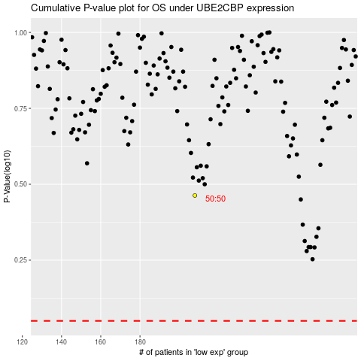

 |  |  |  |  |  | cases_OS | p_OS | rank | exp
 |  |  |  |  |  |  | cases_RFS | p_RFS | rank | exp

