UBE2D1 _multivariate
Reported by Tex Li-Hsing Chi. tex@gate.sinica.edu.tw 2019-08-15

Table 2. The clinicopathological features of HNSCC cohort and UBE2D1 expression. (Chi square test)
Cutoff at -0.098 (50.0%)
 |  | UBE2D1 expression |  | UBE2D1 expression |  | (Optimised)
 | Features | Low | (%) | High | (%) | Case no | P-value | Remark | Matthews
Gender | Female | 160 | 38.6 | 146 | 35.2 | 415 | 0.1254 | 0 | 0
2 | Male | 47 | 11.3 | 62 | 14.9
Age at diagnosis | <=65y | 139 | 33.5 | 135 | 32.5 | 415 | 0.7044 | 0 | 0
4 | >65y | 68 | 16.4 | 73 | 17.6
Clinical T Status | T1+T2 | 77 | 18.6 | 72 | 17.3 | 415 | 0.6556 | 0 | 0
6 | T3+T4 | 130 | 31.3 | 136 | 32.8
Clinical N Status | N0 | 106 | 25.5 | 110 | 26.5 | 415 | 0.8075 | 0 | 0
8 | N1-3 | 101 | 24.3 | 98 | 23.6
Clinical M Status | M0 | 205 | 49.4 | 207 | 49.9 | 415 | 0.6232 | 0 | 0
10 | M1 | 2 | 0.5 | 1 | 0.2
Clinical Stage | Stage I+II | 48 | 11.6 | 54 | 13 | 415 | 0.5878 | 0 | 0
12 | Stage III+IV | 159 | 38.3 | 154 | 37.1
Surgical Margin status | Negative | 168 | 40.5 | 150 | 36.1 | 415 | 0.0366 | 1 | 0
14 | Positive | 39 | 9.4 | 58 | 14
Tobacco Exposure | Low | 71 | 17.1 | 90 | 21.7 | 415 | 0.0698 | 0 | 0
16 | High | 136 | 32.8 | 118 | 28.4

Table 3. Univariate/Multivariate Cox's proportional hazards regression analyses on OS time of UBE2D1 gene expression in HNSCC

 |  | Univariate |  |  |  | Multivariate
 | Features | HR | CI95%(L) | CI95%(H) | P-value | HR | CI95%(L) | CI95%(H) | P-value
1 | Female | 1 |  |  |  | 1
Gender | Male | 1.157 | 0.843 | 1.587 | 0.367 | 1.189 | 0.849 | 1.665 | 0.313
11 | <=65y | 1 |  |  |  | 1
Age at diagnosis | >65y | 1.329 | 0.99 | 1.784 | 0.058 | 1.399 | 1.029 | 1.904 | 0.032
12 | T1+T2 | 1 |  |  |  | 1
Clinical T Status | T3+T4 | 1.409 | 1.028 | 1.931 | 0.033 | 2.166 | 1.143 | 4.106 | 0.018
13 | N0 | 1 |  |  |  | 1
Clinical N Status | N1-3 | 1.185 | 0.89 | 1.577 | 0.246 | 1.241 | 0.87 | 1.771 | 0.234
14 | M0 | 1 |  |  |  | 1
Clinical M Status | M1 | 4.097 | 1.009 | 16.644 | 0.049 | 9.471 | 2.066 | 43.412 | 0.004
15 | Stage I+II | 1 |  |  |  | 1
Clinical Stage | Stage III+IV | 1.245 | 0.882 | 1.759 | 0.213 | 0.515 | 0.239 | 1.11 | 0.091
16 | Negative | 1 |  |  |  | 1
Surgical Margin status | Positive | 1.591 | 1.155 | 2.191 | 0.004 | 1.643 | 1.184 | 2.282 | 0.003
17 | Low | 1 |  |  |  | 1
Tobacco Exposure | High | 1.364 | 1.008 | 1.844 | 0.044 | 1.458 | 1.058 | 2.01 | 0.021
18 | Low | 1 |  |  |  | 1
RNAseq(z-score) | High | 1.147 | 0.861 | 1.527 | 0.348 | 1.091 | 0.812 | 1.466 | 0.565

Table 4. Univariate/Multivariate Cox's proportional hazards regression analyses on RFS time of UBE2D1 gene expression in HNSCC

 |  | Univariate |  |  |  | Multivariate
 | Features | HR | CI95%(L) | CI95%(H) | P-value | HR | CI95%(L) | CI95%(H) | P-value
1 | Female | 1 |  |  |  | 1
Gender | Male | 1.157 | 0.843 | 1.587 | 0.367 | 1.189 | 0.849 | 1.665 | 0.313
11 | <=65y | 1 |  |  |  | 1
Age at diagnosis | >65y | 1.329 | 0.99 | 1.784 | 0.058 | 1.399 | 1.029 | 1.904 | 0.032
12 | T1+T2 | 1 |  |  |  | 1
Clinical T Status | T3+T4 | 1.409 | 1.028 | 1.931 | 0.033 | 2.166 | 1.143 | 4.106 | 0.018
13 | N0 | 1 |  |  |  | 1
Clinical N Status | N1-3 | 1.185 | 0.89 | 1.577 | 0.246 | 1.241 | 0.87 | 1.771 | 0.234
14 | M0 | 1 |  |  |  | 1
Clinical M Status | M1 | 4.097 | 1.009 | 16.644 | 0.049 | 9.471 | 2.066 | 43.412 | 0.004
15 | Stage I+II | 1 |  |  |  | 1
Clinical Stage | Stage III+IV | 1.245 | 0.882 | 1.759 | 0.213 | 0.515 | 0.239 | 1.11 | 0.091
16 | Negative | 1 |  |  |  | 1
Surgical Margin status | Positive | 1.591 | 1.155 | 2.191 | 0.004 | 1.643 | 1.184 | 2.282 | 0.003
17 | Low | 1 |  |  |  | 1
Tobacco Exposure | High | 1.364 | 1.008 | 1.844 | 0.044 | 1.458 | 1.058 | 2.01 | 0.021
18 | Low | 1 |  |  |  | 1
RNAseq(z-score) | High | 1.147 | 0.861 | 1.527 | 0.348 | 1.091 | 0.812 | 1.466 | 0.565

Kaplan-Meier survival estimate: Cutoff at -0.098 (50.0%)



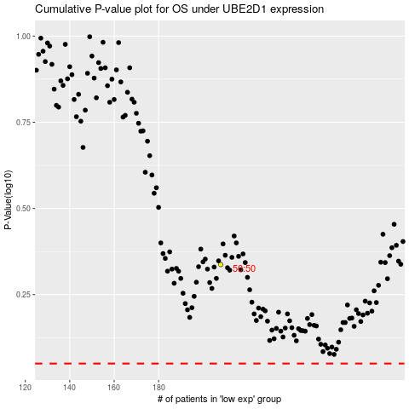

 |  |  |  |  |  | cases_OS | p_OS | rank | exp
 |  |  |  |  |  |  | cases_RFS | p_RFS | rank | exp

