UBE2E1 _multivariate
Reported by Tex Li-Hsing Chi. tex@gate.sinica.edu.tw 2019-08-15

Table 2. The clinicopathological features of HNSCC cohort and UBE2E1 expression. (Chi square test)
Cutoff at -0.35 (49.8%)
 |  | UBE2E1 expression |  | UBE2E1 expression |  | (Optimised)
 | Features | Low | (%) | High | (%) | Case no | P-value | Remark | Matthews
Gender | Female | 156 | 37.6 | 150 | 36.1 | 415 | 0.5222 | 0 | 0
2 | Male | 51 | 12.3 | 58 | 14
Age at diagnosis | <=65y | 141 | 34 | 133 | 32 | 415 | 0.4272 | 0 | 0
4 | >65y | 66 | 15.9 | 75 | 18.1
Clinical T Status | T1+T2 | 74 | 17.8 | 75 | 18.1 | 415 | 1 | 0 | 0
6 | T3+T4 | 133 | 32 | 133 | 32
Clinical N Status | N0 | 110 | 26.5 | 106 | 25.5 | 415 | 0.7294 | 0 | 0
8 | N1-3 | 97 | 23.4 | 102 | 24.6
Clinical M Status | M0 | 205 | 49.4 | 207 | 49.9 | 415 | 0.6232 | 0 | 0
10 | M1 | 2 | 0.5 | 1 | 0.2
Clinical Stage | Stage I+II | 54 | 13 | 48 | 11.6 | 415 | 0.5498 | 0 | 0
12 | Stage III+IV | 153 | 36.9 | 160 | 38.6
Surgical Margin status | Negative | 168 | 40.5 | 150 | 36.1 | 415 | 0.0366 | 1 | 0
14 | Positive | 39 | 9.4 | 58 | 14
Tobacco Exposure | Low | 72 | 17.3 | 89 | 21.4 | 415 | 0.1071 | 0 | 0
16 | High | 135 | 32.5 | 119 | 28.7

Table 3. Univariate/Multivariate Cox's proportional hazards regression analyses on OS time of UBE2E1 gene expression in HNSCC

 |  | Univariate |  |  |  | Multivariate
 | Features | HR | CI95%(L) | CI95%(H) | P-value | HR | CI95%(L) | CI95%(H) | P-value
1 | Female | 1 |  |  |  | 1
Gender | Male | 1.157 | 0.843 | 1.587 | 0.367 | 1.209 | 0.865 | 1.691 | 0.266
11 | <=65y | 1 |  |  |  | 1
Age at diagnosis | >65y | 1.329 | 0.99 | 1.784 | 0.058 | 1.394 | 1.025 | 1.896 | 0.034
12 | T1+T2 | 1 |  |  |  | 1
Clinical T Status | T3+T4 | 1.409 | 1.028 | 1.931 | 0.033 | 2.186 | 1.155 | 4.135 | 0.016
13 | N0 | 1 |  |  |  | 1
Clinical N Status | N1-3 | 1.185 | 0.89 | 1.577 | 0.246 | 1.236 | 0.866 | 1.764 | 0.244
14 | M0 | 1 |  |  |  | 1
Clinical M Status | M1 | 4.097 | 1.009 | 16.644 | 0.049 | 9.161 | 1.993 | 42.107 | 0.004
15 | Stage I+II | 1 |  |  |  | 1
Clinical Stage | Stage III+IV | 1.245 | 0.882 | 1.759 | 0.213 | 0.507 | 0.236 | 1.088 | 0.081
16 | Negative | 1 |  |  |  | 1
Surgical Margin status | Positive | 1.591 | 1.155 | 2.191 | 0.004 | 1.689 | 1.22 | 2.337 | 0.002
17 | Low | 1 |  |  |  | 1
Tobacco Exposure | High | 1.364 | 1.008 | 1.844 | 0.044 | 1.454 | 1.055 | 2.004 | 0.022
18 | Low | 1 |  |  |  | 1
RNAseq(z-score) | High | 0.907 | 0.68 | 1.208 | 0.504 | 0.918 | 0.686 | 1.228 | 0.564

Table 4. Univariate/Multivariate Cox's proportional hazards regression analyses on RFS time of UBE2E1 gene expression in HNSCC

 |  | Univariate |  |  |  | Multivariate
 | Features | HR | CI95%(L) | CI95%(H) | P-value | HR | CI95%(L) | CI95%(H) | P-value
1 | Female | 1 |  |  |  | 1
Gender | Male | 1.157 | 0.843 | 1.587 | 0.367 | 1.209 | 0.865 | 1.691 | 0.266
11 | <=65y | 1 |  |  |  | 1
Age at diagnosis | >65y | 1.329 | 0.99 | 1.784 | 0.058 | 1.394 | 1.025 | 1.896 | 0.034
12 | T1+T2 | 1 |  |  |  | 1
Clinical T Status | T3+T4 | 1.409 | 1.028 | 1.931 | 0.033 | 2.186 | 1.155 | 4.135 | 0.016
13 | N0 | 1 |  |  |  | 1
Clinical N Status | N1-3 | 1.185 | 0.89 | 1.577 | 0.246 | 1.236 | 0.866 | 1.764 | 0.244
14 | M0 | 1 |  |  |  | 1
Clinical M Status | M1 | 4.097 | 1.009 | 16.644 | 0.049 | 9.161 | 1.993 | 42.107 | 0.004
15 | Stage I+II | 1 |  |  |  | 1
Clinical Stage | Stage III+IV | 1.245 | 0.882 | 1.759 | 0.213 | 0.507 | 0.236 | 1.088 | 0.081
16 | Negative | 1 |  |  |  | 1
Surgical Margin status | Positive | 1.591 | 1.155 | 2.191 | 0.004 | 1.689 | 1.22 | 2.337 | 0.002
17 | Low | 1 |  |  |  | 1
Tobacco Exposure | High | 1.364 | 1.008 | 1.844 | 0.044 | 1.454 | 1.055 | 2.004 | 0.022
18 | Low | 1 |  |  |  | 1
RNAseq(z-score) | High | 0.907 | 0.68 | 1.208 | 0.504 | 0.918 | 0.686 | 1.228 | 0.564

Kaplan-Meier survival estimate: Cutoff at -0.35 (49.8%)



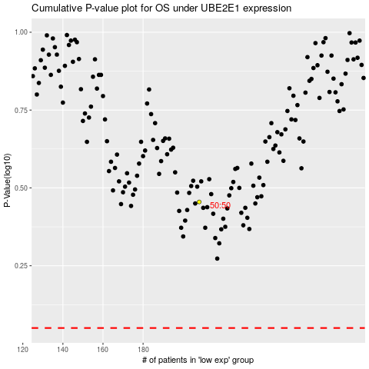

 |  |  |  |  |  | cases_OS | p_OS | rank | exp
 |  |  |  |  |  |  | cases_RFS | p_RFS | rank | exp

