UBE2G1 _multivariate
Reported by Tex Li-Hsing Chi. tex@gate.sinica.edu.tw 2019-08-15

Table 2. The clinicopathological features of HNSCC cohort and UBE2G1 expression. (Chi square test)
Cutoff at -0.139 (50.0%)
 |  | UBE2G1 expression |  | UBE2G1 expression |  | (Optimised)
 | Features | Low | (%) | High | (%) | Case no | P-value | Remark | Matthews
Gender | Female | 151 | 36.4 | 155 | 37.3 | 415 | 0.8007 | 0 | 0
2 | Male | 56 | 13.5 | 53 | 12.8
Age at diagnosis | <=65y | 140 | 33.7 | 134 | 32.3 | 415 | 0.5574 | 0 | 0
4 | >65y | 67 | 16.1 | 74 | 17.8
Clinical T Status | T1+T2 | 90 | 21.7 | 59 | 14.2 | 415 | 0.0019 | 1 | 0
6 | T3+T4 | 117 | 28.2 | 149 | 35.9
Clinical N Status | N0 | 102 | 24.6 | 114 | 27.5 | 415 | 0.3031 | 0 | 0
8 | N1-3 | 105 | 25.3 | 94 | 22.7
Clinical M Status | M0 | 206 | 49.6 | 206 | 49.6 | 415 | 1 | 0 | 0
10 | M1 | 1 | 0.2 | 2 | 0.5
Clinical Stage | Stage I+II | 60 | 14.5 | 42 | 10.1 | 415 | 0.0493 | 1 | 0
12 | Stage III+IV | 147 | 35.4 | 166 | 40
Surgical Margin status | Negative | 155 | 37.3 | 163 | 39.3 | 415 | 0.4187 | 0 | 0
14 | Positive | 52 | 12.5 | 45 | 10.8
Tobacco Exposure | Low | 77 | 18.6 | 84 | 20.2 | 415 | 0.5459 | 0 | 0
16 | High | 130 | 31.3 | 124 | 29.9

Table 3. Univariate/Multivariate Cox's proportional hazards regression analyses on OS time of UBE2G1 gene expression in HNSCC

 |  | Univariate |  |  |  | Multivariate
 | Features | HR | CI95%(L) | CI95%(H) | P-value | HR | CI95%(L) | CI95%(H) | P-value
1 | Female | 1 |  |  |  | 1
Gender | Male | 1.157 | 0.843 | 1.587 | 0.367 | 1.191 | 0.853 | 1.664 | 0.305
11 | <=65y | 1 |  |  |  | 1
Age at diagnosis | >65y | 1.329 | 0.99 | 1.784 | 0.058 | 1.369 | 1.005 | 1.864 | 0.046
12 | T1+T2 | 1 |  |  |  | 1
Clinical T Status | T3+T4 | 1.409 | 1.028 | 1.931 | 0.033 | 2.229 | 1.178 | 4.217 | 0.014
13 | N0 | 1 |  |  |  | 1
Clinical N Status | N1-3 | 1.185 | 0.89 | 1.577 | 0.246 | 1.193 | 0.83 | 1.716 | 0.34
14 | M0 | 1 |  |  |  | 1
Clinical M Status | M1 | 4.097 | 1.009 | 16.644 | 0.049 | 10.055 | 2.183 | 46.322 | 0.003
15 | Stage I+II | 1 |  |  |  | 1
Clinical Stage | Stage III+IV | 1.245 | 0.882 | 1.759 | 0.213 | 0.518 | 0.241 | 1.111 | 0.091
16 | Negative | 1 |  |  |  | 1
Surgical Margin status | Positive | 1.591 | 1.155 | 2.191 | 0.004 | 1.652 | 1.194 | 2.284 | 0.002
17 | Low | 1 |  |  |  | 1
Tobacco Exposure | High | 1.364 | 1.008 | 1.844 | 0.044 | 1.449 | 1.052 | 1.996 | 0.023
18 | Low | 1 |  |  |  | 1
RNAseq(z-score) | High | 0.826 | 0.62 | 1.101 | 0.192 | 0.847 | 0.629 | 1.14 | 0.272

Table 4. Univariate/Multivariate Cox's proportional hazards regression analyses on RFS time of UBE2G1 gene expression in HNSCC

 |  | Univariate |  |  |  | Multivariate
 | Features | HR | CI95%(L) | CI95%(H) | P-value | HR | CI95%(L) | CI95%(H) | P-value
1 | Female | 1 |  |  |  | 1
Gender | Male | 1.157 | 0.843 | 1.587 | 0.367 | 1.191 | 0.853 | 1.664 | 0.305
11 | <=65y | 1 |  |  |  | 1
Age at diagnosis | >65y | 1.329 | 0.99 | 1.784 | 0.058 | 1.369 | 1.005 | 1.864 | 0.046
12 | T1+T2 | 1 |  |  |  | 1
Clinical T Status | T3+T4 | 1.409 | 1.028 | 1.931 | 0.033 | 2.229 | 1.178 | 4.217 | 0.014
13 | N0 | 1 |  |  |  | 1
Clinical N Status | N1-3 | 1.185 | 0.89 | 1.577 | 0.246 | 1.193 | 0.83 | 1.716 | 0.34
14 | M0 | 1 |  |  |  | 1
Clinical M Status | M1 | 4.097 | 1.009 | 16.644 | 0.049 | 10.055 | 2.183 | 46.322 | 0.003
15 | Stage I+II | 1 |  |  |  | 1
Clinical Stage | Stage III+IV | 1.245 | 0.882 | 1.759 | 0.213 | 0.518 | 0.241 | 1.111 | 0.091
16 | Negative | 1 |  |  |  | 1
Surgical Margin status | Positive | 1.591 | 1.155 | 2.191 | 0.004 | 1.652 | 1.194 | 2.284 | 0.002
17 | Low | 1 |  |  |  | 1
Tobacco Exposure | High | 1.364 | 1.008 | 1.844 | 0.044 | 1.449 | 1.052 | 1.996 | 0.023
18 | Low | 1 |  |  |  | 1
RNAseq(z-score) | High | 0.826 | 0.62 | 1.101 | 0.192 | 0.847 | 0.629 | 1.14 | 0.272

Kaplan-Meier survival estimate: Cutoff at -0.139 (50.0%)



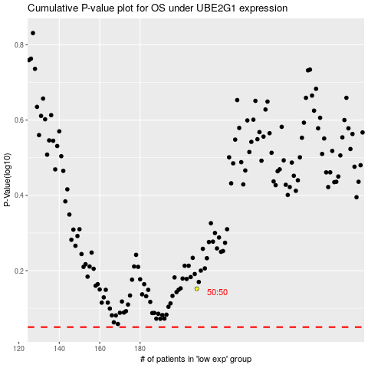

 |  |  |  |  |  | cases_OS | p_OS | rank | exp
 |  |  |  |  |  |  | cases_RFS | p_RFS | rank | exp

