UBE2H _multivariate
Reported by Tex Li-Hsing Chi. tex@gate.sinica.edu.tw 2019-08-15

Table 2. The clinicopathological features of HNSCC cohort and UBE2H expression. (Chi square test)
Cutoff at -0.031 (50.0%)
 |  | UBE2H expression |  | UBE2H expression |  | (Optimised)
 | Features | Low | (%) | High | (%) | Case no | P-value | Remark | Matthews
Gender | Female | 153 | 36.9 | 153 | 36.9 | 415 | 1 | 0 | 0
2 | Male | 54 | 13 | 55 | 13.3
Age at diagnosis | <=65y | 140 | 33.7 | 134 | 32.3 | 415 | 0.5574 | 0 | 0
4 | >65y | 67 | 16.1 | 74 | 17.8
Clinical T Status | T1+T2 | 85 | 20.5 | 64 | 15.4 | 415 | 0.0372 | 1 | 0
6 | T3+T4 | 122 | 29.4 | 144 | 34.7
Clinical N Status | N0 | 107 | 25.8 | 109 | 26.3 | 415 | 0.9624 | 0 | 0
8 | N1-3 | 100 | 24.1 | 99 | 23.9
Clinical M Status | M0 | 205 | 49.4 | 207 | 49.9 | 415 | 0.6232 | 0 | 0
10 | M1 | 2 | 0.5 | 1 | 0.2
Clinical Stage | Stage I+II | 56 | 13.5 | 46 | 11.1 | 415 | 0.2918 | 0 | 0
12 | Stage III+IV | 151 | 36.4 | 162 | 39
Surgical Margin status | Negative | 152 | 36.6 | 166 | 40 | 415 | 0.1329 | 0 | 0
14 | Positive | 55 | 13.3 | 42 | 10.1
Tobacco Exposure | Low | 83 | 20 | 78 | 18.8 | 415 | 0.6152 | 0 | 0
16 | High | 124 | 29.9 | 130 | 31.3

Table 3. Univariate/Multivariate Cox's proportional hazards regression analyses on OS time of UBE2H gene expression in HNSCC

 |  | Univariate |  |  |  | Multivariate
 | Features | HR | CI95%(L) | CI95%(H) | P-value | HR | CI95%(L) | CI95%(H) | P-value
1 | Female | 1 |  |  |  | 1
Gender | Male | 1.157 | 0.843 | 1.587 | 0.367 | 1.211 | 0.867 | 1.692 | 0.262
11 | <=65y | 1 |  |  |  | 1
Age at diagnosis | >65y | 1.329 | 0.99 | 1.784 | 0.058 | 1.386 | 1.019 | 1.885 | 0.037
12 | T1+T2 | 1 |  |  |  | 1
Clinical T Status | T3+T4 | 1.409 | 1.028 | 1.931 | 0.033 | 2.189 | 1.158 | 4.138 | 0.016
13 | N0 | 1 |  |  |  | 1
Clinical N Status | N1-3 | 1.185 | 0.89 | 1.577 | 0.246 | 1.255 | 0.879 | 1.791 | 0.212
14 | M0 | 1 |  |  |  | 1
Clinical M Status | M1 | 4.097 | 1.009 | 16.644 | 0.049 | 9.727 | 2.118 | 44.673 | 0.003
15 | Stage I+II | 1 |  |  |  | 1
Clinical Stage | Stage III+IV | 1.245 | 0.882 | 1.759 | 0.213 | 0.503 | 0.234 | 1.081 | 0.078
16 | Negative | 1 |  |  |  | 1
Surgical Margin status | Positive | 1.591 | 1.155 | 2.191 | 0.004 | 1.687 | 1.22 | 2.333 | 0.002
17 | Low | 1 |  |  |  | 1
Tobacco Exposure | High | 1.364 | 1.008 | 1.844 | 0.044 | 1.455 | 1.056 | 2.004 | 0.022
18 | Low | 1 |  |  |  | 1
RNAseq(z-score) | High | 1.105 | 0.827 | 1.477 | 0.499 | 1.137 | 0.848 | 1.525 | 0.39

Table 4. Univariate/Multivariate Cox's proportional hazards regression analyses on RFS time of UBE2H gene expression in HNSCC

 |  | Univariate |  |  |  | Multivariate
 | Features | HR | CI95%(L) | CI95%(H) | P-value | HR | CI95%(L) | CI95%(H) | P-value
1 | Female | 1 |  |  |  | 1
Gender | Male | 1.157 | 0.843 | 1.587 | 0.367 | 1.211 | 0.867 | 1.692 | 0.262
11 | <=65y | 1 |  |  |  | 1
Age at diagnosis | >65y | 1.329 | 0.99 | 1.784 | 0.058 | 1.386 | 1.019 | 1.885 | 0.037
12 | T1+T2 | 1 |  |  |  | 1
Clinical T Status | T3+T4 | 1.409 | 1.028 | 1.931 | 0.033 | 2.189 | 1.158 | 4.138 | 0.016
13 | N0 | 1 |  |  |  | 1
Clinical N Status | N1-3 | 1.185 | 0.89 | 1.577 | 0.246 | 1.255 | 0.879 | 1.791 | 0.212
14 | M0 | 1 |  |  |  | 1
Clinical M Status | M1 | 4.097 | 1.009 | 16.644 | 0.049 | 9.727 | 2.118 | 44.673 | 0.003
15 | Stage I+II | 1 |  |  |  | 1
Clinical Stage | Stage III+IV | 1.245 | 0.882 | 1.759 | 0.213 | 0.503 | 0.234 | 1.081 | 0.078
16 | Negative | 1 |  |  |  | 1
Surgical Margin status | Positive | 1.591 | 1.155 | 2.191 | 0.004 | 1.687 | 1.22 | 2.333 | 0.002
17 | Low | 1 |  |  |  | 1
Tobacco Exposure | High | 1.364 | 1.008 | 1.844 | 0.044 | 1.455 | 1.056 | 2.004 | 0.022
18 | Low | 1 |  |  |  | 1
RNAseq(z-score) | High | 1.105 | 0.827 | 1.477 | 0.499 | 1.137 | 0.848 | 1.525 | 0.39

Kaplan-Meier survival estimate: Cutoff at -0.031 (50.0%)



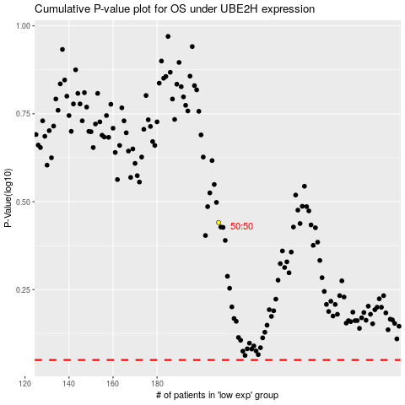

 |  |  |  |  |  | cases_OS | p_OS | rank | exp
 |  |  |  |  |  |  | cases_RFS | p_RFS | rank | exp

