UBE2L6 _multivariate
Reported by Tex Li-Hsing Chi. tex@gate.sinica.edu.tw 2019-08-15

Table 2. The clinicopathological features of HNSCC cohort and UBE2L6 expression. (Chi square test)
Cutoff at -0.2 (50.0%)
 |  | UBE2L6 expression |  | UBE2L6 expression |  | (Optimised)
 | Features | Low | (%) | High | (%) | Case no | P-value | Remark | Matthews
Gender | Female | 165 | 39.8 | 141 | 34 | 415 | 0.0081 | 1 | 0
2 | Male | 42 | 10.1 | 67 | 16.1
Age at diagnosis | <=65y | 145 | 34.9 | 129 | 31.1 | 415 | 0.1046 | 0 | 0
4 | >65y | 62 | 14.9 | 79 | 19
Clinical T Status | T1+T2 | 76 | 18.3 | 73 | 17.6 | 415 | 0.8092 | 0 | 0
6 | T3+T4 | 131 | 31.6 | 135 | 32.5
Clinical N Status | N0 | 122 | 29.4 | 94 | 22.7 | 415 | 0.0068 | 1 | 0
8 | N1-3 | 85 | 20.5 | 114 | 27.5
Clinical M Status | M0 | 207 | 49.9 | 205 | 49.4 | 415 | 0.2482 | 0 | 0
10 | M1 | 0 | 0 | 3 | 0.7
Clinical Stage | Stage I+II | 52 | 12.5 | 50 | 12 | 415 | 0.8871 | 0 | 0
12 | Stage III+IV | 155 | 37.3 | 158 | 38.1
Surgical Margin status | Negative | 161 | 38.8 | 157 | 37.8 | 415 | 0.6429 | 0 | 0
14 | Positive | 46 | 11.1 | 51 | 12.3
Tobacco Exposure | Low | 74 | 17.8 | 87 | 21 | 415 | 0.227 | 0 | 0
16 | High | 133 | 32 | 121 | 29.2

Table 3. Univariate/Multivariate Cox's proportional hazards regression analyses on OS time of UBE2L6 gene expression in HNSCC

 |  | Univariate |  |  |  | Multivariate
 | Features | HR | CI95%(L) | CI95%(H) | P-value | HR | CI95%(L) | CI95%(H) | P-value
1 | Female | 1 |  |  |  | 1
Gender | Male | 1.157 | 0.843 | 1.587 | 0.367 | 1.195 | 0.852 | 1.675 | 0.302
11 | <=65y | 1 |  |  |  | 1
Age at diagnosis | >65y | 1.329 | 0.99 | 1.784 | 0.058 | 1.389 | 1.021 | 1.89 | 0.036
12 | T1+T2 | 1 |  |  |  | 1
Clinical T Status | T3+T4 | 1.409 | 1.028 | 1.931 | 0.033 | 2.191 | 1.157 | 4.149 | 0.016
13 | N0 | 1 |  |  |  | 1
Clinical N Status | N1-3 | 1.185 | 0.89 | 1.577 | 0.246 | 1.232 | 0.859 | 1.767 | 0.257
14 | M0 | 1 |  |  |  | 1
Clinical M Status | M1 | 4.097 | 1.009 | 16.644 | 0.049 | 9.206 | 1.988 | 42.638 | 0.005
15 | Stage I+II | 1 |  |  |  | 1
Clinical Stage | Stage III+IV | 1.245 | 0.882 | 1.759 | 0.213 | 0.509 | 0.236 | 1.098 | 0.085
16 | Negative | 1 |  |  |  | 1
Surgical Margin status | Positive | 1.591 | 1.155 | 2.191 | 0.004 | 1.668 | 1.207 | 2.306 | 0.002
17 | Low | 1 |  |  |  | 1
Tobacco Exposure | High | 1.364 | 1.008 | 1.844 | 0.044 | 1.457 | 1.056 | 2.011 | 0.022
18 | Low | 1 |  |  |  | 1
RNAseq(z-score) | High | 1.137 | 0.851 | 1.519 | 0.384 | 1.037 | 0.767 | 1.403 | 0.814

Table 4. Univariate/Multivariate Cox's proportional hazards regression analyses on RFS time of UBE2L6 gene expression in HNSCC

 |  | Univariate |  |  |  | Multivariate
 | Features | HR | CI95%(L) | CI95%(H) | P-value | HR | CI95%(L) | CI95%(H) | P-value
1 | Female | 1 |  |  |  | 1
Gender | Male | 1.157 | 0.843 | 1.587 | 0.367 | 1.195 | 0.852 | 1.675 | 0.302
11 | <=65y | 1 |  |  |  | 1
Age at diagnosis | >65y | 1.329 | 0.99 | 1.784 | 0.058 | 1.389 | 1.021 | 1.89 | 0.036
12 | T1+T2 | 1 |  |  |  | 1
Clinical T Status | T3+T4 | 1.409 | 1.028 | 1.931 | 0.033 | 2.191 | 1.157 | 4.149 | 0.016
13 | N0 | 1 |  |  |  | 1
Clinical N Status | N1-3 | 1.185 | 0.89 | 1.577 | 0.246 | 1.232 | 0.859 | 1.767 | 0.257
14 | M0 | 1 |  |  |  | 1
Clinical M Status | M1 | 4.097 | 1.009 | 16.644 | 0.049 | 9.206 | 1.988 | 42.638 | 0.005
15 | Stage I+II | 1 |  |  |  | 1
Clinical Stage | Stage III+IV | 1.245 | 0.882 | 1.759 | 0.213 | 0.509 | 0.236 | 1.098 | 0.085
16 | Negative | 1 |  |  |  | 1
Surgical Margin status | Positive | 1.591 | 1.155 | 2.191 | 0.004 | 1.668 | 1.207 | 2.306 | 0.002
17 | Low | 1 |  |  |  | 1
Tobacco Exposure | High | 1.364 | 1.008 | 1.844 | 0.044 | 1.457 | 1.056 | 2.011 | 0.022
18 | Low | 1 |  |  |  | 1
RNAseq(z-score) | High | 1.137 | 0.851 | 1.519 | 0.384 | 1.037 | 0.767 | 1.403 | 0.814

Kaplan-Meier survival estimate: Cutoff at -0.2 (50.0%)



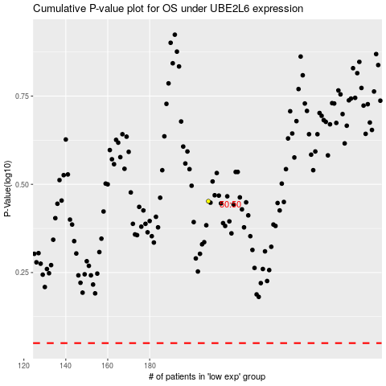

 |  |  |  |  |  | cases_OS | p_OS | rank | exp
 |  |  |  |  |  |  | cases_RFS | p_RFS | rank | exp

