UBE2N _multivariate
Reported by Tex Li-Hsing Chi. tex@gate.sinica.edu.tw 2019-08-15

Table 2. The clinicopathological features of HNSCC cohort and UBE2N expression. (Chi square test)
Cutoff at 0.195 (65.7%)
 |  | UBE2N expression |  | UBE2N expression |  | (Optimised)
 | Features | Low | (%) | High | (%) | Case no | P-value | Remark | Matthews
Gender | Female | 211 | 50.8 | 95 | 22.9 | 415 | 0.0196 | 1 | 0
2 | Male | 61 | 14.7 | 48 | 11.6
Age at diagnosis | <=65y | 181 | 43.6 | 93 | 22.4 | 415 | 0.8419 | 0 | 0
4 | >65y | 91 | 21.9 | 50 | 12
Clinical T Status | T1+T2 | 105 | 25.3 | 44 | 10.6 | 415 | 0.1407 | 0 | 0
6 | T3+T4 | 167 | 40.2 | 99 | 23.9
Clinical N Status | N0 | 143 | 34.5 | 73 | 17.6 | 415 | 0.8477 | 0 | 0
8 | N1-3 | 129 | 31.1 | 70 | 16.9
Clinical M Status | M0 | 271 | 65.3 | 141 | 34 | 415 | 0.2739 | 0 | 0
10 | M1 | 1 | 0.2 | 2 | 0.5
Clinical Stage | Stage I+II | 69 | 16.6 | 33 | 8 | 415 | 0.6927 | 0 | 0
12 | Stage III+IV | 203 | 48.9 | 110 | 26.5
Surgical Margin status | Negative | 215 | 51.8 | 103 | 24.8 | 415 | 0.114 | 0 | 0
14 | Positive | 57 | 13.7 | 40 | 9.6
Tobacco Exposure | Low | 106 | 25.5 | 55 | 13.3 | 415 | 1 | 0 | 0
16 | High | 166 | 40 | 88 | 21.2

Table 3. Univariate/Multivariate Cox's proportional hazards regression analyses on OS time of UBE2N gene expression in HNSCC

 |  | Univariate |  |  |  | Multivariate
 | Features | HR | CI95%(L) | CI95%(H) | P-value | HR | CI95%(L) | CI95%(H) | P-value
1 | Female | 1 |  |  |  | 1
Gender | Male | 1.157 | 0.843 | 1.587 | 0.367 | 1.164 | 0.834 | 1.627 | 0.372
11 | <=65y | 1 |  |  |  | 1
Age at diagnosis | >65y | 1.329 | 0.99 | 1.784 | 0.058 | 1.397 | 1.029 | 1.897 | 0.032
12 | T1+T2 | 1 |  |  |  | 1
Clinical T Status | T3+T4 | 1.409 | 1.028 | 1.931 | 0.033 | 2.142 | 1.131 | 4.056 | 0.019
13 | N0 | 1 |  |  |  | 1
Clinical N Status | N1-3 | 1.185 | 0.89 | 1.577 | 0.246 | 1.225 | 0.859 | 1.748 | 0.262
14 | M0 | 1 |  |  |  | 1
Clinical M Status | M1 | 4.097 | 1.009 | 16.644 | 0.049 | 8.613 | 1.872 | 39.637 | 0.006
15 | Stage I+II | 1 |  |  |  | 1
Clinical Stage | Stage III+IV | 1.245 | 0.882 | 1.759 | 0.213 | 0.516 | 0.241 | 1.108 | 0.09
16 | Negative | 1 |  |  |  | 1
Surgical Margin status | Positive | 1.591 | 1.155 | 2.191 | 0.004 | 1.655 | 1.197 | 2.289 | 0.002
17 | Low | 1 |  |  |  | 1
Tobacco Exposure | High | 1.364 | 1.008 | 1.844 | 0.044 | 1.475 | 1.07 | 2.033 | 0.018
18 | Low | 1 |  |  |  | 1
RNAseq(z-score) | High | 1.356 | 1.006 | 1.828 | 0.045 | 1.301 | 0.96 | 1.763 | 0.09

Table 4. Univariate/Multivariate Cox's proportional hazards regression analyses on RFS time of UBE2N gene expression in HNSCC

 |  | Univariate |  |  |  | Multivariate
 | Features | HR | CI95%(L) | CI95%(H) | P-value | HR | CI95%(L) | CI95%(H) | P-value
1 | Female | 1 |  |  |  | 1
Gender | Male | 1.157 | 0.843 | 1.587 | 0.367 | 1.164 | 0.834 | 1.627 | 0.372
11 | <=65y | 1 |  |  |  | 1
Age at diagnosis | >65y | 1.329 | 0.99 | 1.784 | 0.058 | 1.397 | 1.029 | 1.897 | 0.032
12 | T1+T2 | 1 |  |  |  | 1
Clinical T Status | T3+T4 | 1.409 | 1.028 | 1.931 | 0.033 | 2.142 | 1.131 | 4.056 | 0.019
13 | N0 | 1 |  |  |  | 1
Clinical N Status | N1-3 | 1.185 | 0.89 | 1.577 | 0.246 | 1.225 | 0.859 | 1.748 | 0.262
14 | M0 | 1 |  |  |  | 1
Clinical M Status | M1 | 4.097 | 1.009 | 16.644 | 0.049 | 8.613 | 1.872 | 39.637 | 0.006
15 | Stage I+II | 1 |  |  |  | 1
Clinical Stage | Stage III+IV | 1.245 | 0.882 | 1.759 | 0.213 | 0.516 | 0.241 | 1.108 | 0.09
16 | Negative | 1 |  |  |  | 1
Surgical Margin status | Positive | 1.591 | 1.155 | 2.191 | 0.004 | 1.655 | 1.197 | 2.289 | 0.002
17 | Low | 1 |  |  |  | 1
Tobacco Exposure | High | 1.364 | 1.008 | 1.844 | 0.044 | 1.475 | 1.07 | 2.033 | 0.018
18 | Low | 1 |  |  |  | 1
RNAseq(z-score) | High | 1.356 | 1.006 | 1.828 | 0.045 | 1.301 | 0.96 | 1.763 | 0.09

Kaplan-Meier survival estimate: Cutoff at 0.195 (65.7%)



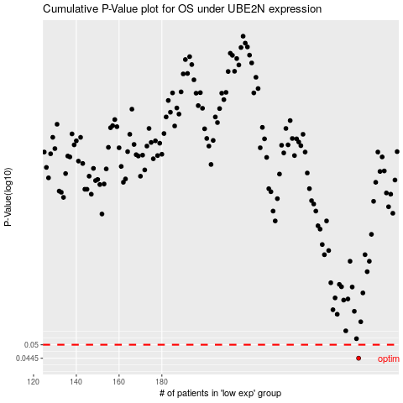

 |  |  |  |  |  | cases_OS | p_OS | rank | exp
 |  |  |  |  |  | 272 | 0.0445 | 196 | 0.19517859523
 |  |  |  |  |  |  | cases_RFS | p_RFS | rank | exp
 |  |  |  |  |  |  | 271 | 0.0445 | 311 | 0.18615752622

