UBE2O _multivariate
Reported by Tex Li-Hsing Chi. tex@gate.sinica.edu.tw 2019-08-15

Table 2. The clinicopathological features of HNSCC cohort and UBE2O expression. (Chi square test)
Cutoff at -0.221 (40.8%)
 |  | UBE2O expression |  | UBE2O expression |  | (Optimised)
 | Features | Low | (%) | High | (%) | Case no | P-value | Remark | Matthews
Gender | Female | 121 | 29.2 | 185 | 44.6 | 415 | 0.3826 | 0 | 0
2 | Male | 49 | 11.8 | 60 | 14.5
Age at diagnosis | <=65y | 109 | 26.3 | 165 | 39.8 | 415 | 0.5635 | 0 | 0
4 | >65y | 61 | 14.7 | 80 | 19.3
Clinical T Status | T1+T2 | 76 | 18.3 | 73 | 17.6 | 415 | 0.0026 | 1 | 0
6 | T3+T4 | 94 | 22.7 | 172 | 41.4
Clinical N Status | N0 | 93 | 22.4 | 123 | 29.6 | 415 | 0.4221 | 0 | 0
8 | N1-3 | 77 | 18.6 | 122 | 29.4
Clinical M Status | M0 | 170 | 41 | 242 | 58.3 | 415 | 0.2727 | 0 | 0
10 | M1 | 0 | 0 | 3 | 0.7
Clinical Stage | Stage I+II | 54 | 13 | 48 | 11.6 | 415 | 0.0066 | 1 | 0
12 | Stage III+IV | 116 | 28 | 197 | 47.5
Surgical Margin status | Negative | 126 | 30.4 | 192 | 46.3 | 415 | 0.346 | 0 | 0
14 | Positive | 44 | 10.6 | 53 | 12.8
Tobacco Exposure | Low | 80 | 19.3 | 81 | 19.5 | 415 | 0.0042 | 1 | 0
16 | High | 90 | 21.7 | 164 | 39.5

Table 3. Univariate/Multivariate Cox's proportional hazards regression analyses on OS time of UBE2O gene expression in HNSCC

 |  | Univariate |  |  |  | Multivariate
 | Features | HR | CI95%(L) | CI95%(H) | P-value | HR | CI95%(L) | CI95%(H) | P-value
1 | Female | 1 |  |  |  | 1
Gender | Male | 1.157 | 0.843 | 1.587 | 0.367 | 1.225 | 0.878 | 1.709 | 0.233
11 | <=65y | 1 |  |  |  | 1
Age at diagnosis | >65y | 1.329 | 0.99 | 1.784 | 0.058 | 1.436 | 1.055 | 1.955 | 0.021
12 | T1+T2 | 1 |  |  |  | 1
Clinical T Status | T3+T4 | 1.409 | 1.028 | 1.931 | 0.033 | 2.184 | 1.156 | 4.123 | 0.016
13 | N0 | 1 |  |  |  | 1
Clinical N Status | N1-3 | 1.185 | 0.89 | 1.577 | 0.246 | 1.265 | 0.885 | 1.808 | 0.196
14 | M0 | 1 |  |  |  | 1
Clinical M Status | M1 | 4.097 | 1.009 | 16.644 | 0.049 | 8.344 | 1.814 | 38.382 | 0.006
15 | Stage I+II | 1 |  |  |  | 1
Clinical Stage | Stage III+IV | 1.245 | 0.882 | 1.759 | 0.213 | 0.478 | 0.223 | 1.027 | 0.059
16 | Negative | 1 |  |  |  | 1
Surgical Margin status | Positive | 1.591 | 1.155 | 2.191 | 0.004 | 1.708 | 1.235 | 2.362 | 0.001
17 | Low | 1 |  |  |  | 1
Tobacco Exposure | High | 1.364 | 1.008 | 1.844 | 0.044 | 1.449 | 1.052 | 1.995 | 0.023
18 | Low | 1 |  |  |  | 1
RNAseq(z-score) | High | 1.379 | 1.021 | 1.864 | 0.036 | 1.408 | 1.034 | 1.919 | 0.03

Table 4. Univariate/Multivariate Cox's proportional hazards regression analyses on RFS time of UBE2O gene expression in HNSCC

 |  | Univariate |  |  |  | Multivariate
 | Features | HR | CI95%(L) | CI95%(H) | P-value | HR | CI95%(L) | CI95%(H) | P-value
1 | Female | 1 |  |  |  | 1
Gender | Male | 1.157 | 0.843 | 1.587 | 0.367 | 1.225 | 0.878 | 1.709 | 0.233
11 | <=65y | 1 |  |  |  | 1
Age at diagnosis | >65y | 1.329 | 0.99 | 1.784 | 0.058 | 1.436 | 1.055 | 1.955 | 0.021
12 | T1+T2 | 1 |  |  |  | 1
Clinical T Status | T3+T4 | 1.409 | 1.028 | 1.931 | 0.033 | 2.184 | 1.156 | 4.123 | 0.016
13 | N0 | 1 |  |  |  | 1
Clinical N Status | N1-3 | 1.185 | 0.89 | 1.577 | 0.246 | 1.265 | 0.885 | 1.808 | 0.196
14 | M0 | 1 |  |  |  | 1
Clinical M Status | M1 | 4.097 | 1.009 | 16.644 | 0.049 | 8.344 | 1.814 | 38.382 | 0.006
15 | Stage I+II | 1 |  |  |  | 1
Clinical Stage | Stage III+IV | 1.245 | 0.882 | 1.759 | 0.213 | 0.478 | 0.223 | 1.027 | 0.059
16 | Negative | 1 |  |  |  | 1
Surgical Margin status | Positive | 1.591 | 1.155 | 2.191 | 0.004 | 1.708 | 1.235 | 2.362 | 0.001
17 | Low | 1 |  |  |  | 1
Tobacco Exposure | High | 1.364 | 1.008 | 1.844 | 0.044 | 1.449 | 1.052 | 1.995 | 0.023
18 | Low | 1 |  |  |  | 1
RNAseq(z-score) | High | 1.379 | 1.021 | 1.864 | 0.036 | 1.408 | 1.034 | 1.919 | 0.03

Kaplan-Meier survival estimate: Cutoff at -0.221 (40.8%)



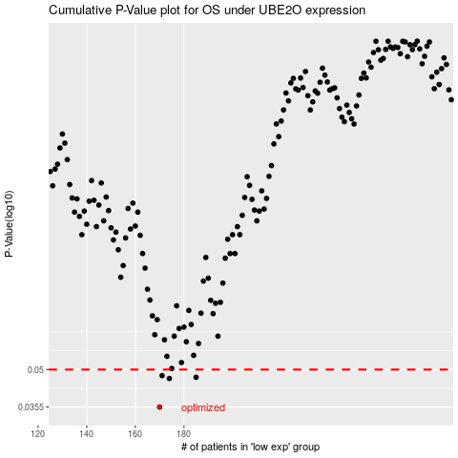

 |  |  |  |  |  | cases_OS | p_OS | rank | exp
 |  |  |  |  |  | 170 | 0.0355 | 69 | -0.22050282393
 |  |  |  |  |  | 174 | 0.0461 | 72 | -0.20611373522
 |  |  |  |  |  | 185 | 0.0466 | 389 | -0.14362276334
 |  |  |  |  |  | 171 | 0.0473 | 413 | -0.2184645944
 |  |  |  |  |  |  | cases_RFS | p_RFS | rank | exp
 |  |  |  |  |  |  | 169 | 0.0355 | 271 | -0.22222219785
 |  |  |  |  |  |  | 173 | 0.0461 | 42 | -0.20614459222
 |  |  |  |  |  |  | 184 | 0.0466 | 327 | -0.14464521399
 |  |  |  |  |  |  | 170 | 0.0473 | 69 | -0.22050282393

