UBE2Q1 _multivariate
Reported by Tex Li-Hsing Chi. tex@gate.sinica.edu.tw 2019-08-15

Table 2. The clinicopathological features of HNSCC cohort and UBE2Q1 expression. (Chi square test)
Cutoff at -0.153 (50.0%)
 |  | UBE2Q1 expression |  | UBE2Q1 expression |  | (Optimised)
 | Features | Low | (%) | High | (%) | Case no | P-value | Remark | Matthews
Gender | Female | 151 | 36.4 | 155 | 37.3 | 415 | 0.8007 | 0 | 0
2 | Male | 56 | 13.5 | 53 | 12.8
Age at diagnosis | <=65y | 125 | 30.1 | 149 | 35.9 | 415 | 0.0206 | 1 | 0
4 | >65y | 82 | 19.8 | 59 | 14.2
Clinical T Status | T1+T2 | 85 | 20.5 | 64 | 15.4 | 415 | 0.0372 | 1 | 0
6 | T3+T4 | 122 | 29.4 | 144 | 34.7
Clinical N Status | N0 | 112 | 27 | 104 | 25.1 | 415 | 0.4599 | 0 | 0
8 | N1-3 | 95 | 22.9 | 104 | 25.1
Clinical M Status | M0 | 207 | 49.9 | 205 | 49.4 | 415 | 0.2482 | 0 | 0
10 | M1 | 0 | 0 | 3 | 0.7
Clinical Stage | Stage I+II | 65 | 15.7 | 37 | 8.9 | 415 | 0.0019 | 1 | 0
12 | Stage III+IV | 142 | 34.2 | 171 | 41.2
Surgical Margin status | Negative | 164 | 39.5 | 154 | 37.1 | 415 | 0.2462 | 0 | 0
14 | Positive | 43 | 10.4 | 54 | 13
Tobacco Exposure | Low | 92 | 22.2 | 69 | 16.6 | 415 | 0.0206 | 1 | 0
16 | High | 115 | 27.7 | 139 | 33.5

Table 3. Univariate/Multivariate Cox's proportional hazards regression analyses on OS time of UBE2Q1 gene expression in HNSCC

 |  | Univariate |  |  |  | Multivariate
 | Features | HR | CI95%(L) | CI95%(H) | P-value | HR | CI95%(L) | CI95%(H) | P-value
1 | Female | 1 |  |  |  | 1
Gender | Male | 1.157 | 0.843 | 1.587 | 0.367 | 1.203 | 0.861 | 1.681 | 0.28
11 | <=65y | 1 |  |  |  | 1
Age at diagnosis | >65y | 1.329 | 0.99 | 1.784 | 0.058 | 1.389 | 1.019 | 1.892 | 0.037
12 | T1+T2 | 1 |  |  |  | 1
Clinical T Status | T3+T4 | 1.409 | 1.028 | 1.931 | 0.033 | 2.2 | 1.163 | 4.162 | 0.015
13 | N0 | 1 |  |  |  | 1
Clinical N Status | N1-3 | 1.185 | 0.89 | 1.577 | 0.246 | 1.239 | 0.867 | 1.77 | 0.239
14 | M0 | 1 |  |  |  | 1
Clinical M Status | M1 | 4.097 | 1.009 | 16.644 | 0.049 | 9.481 | 2.054 | 43.758 | 0.004
15 | Stage I+II | 1 |  |  |  | 1
Clinical Stage | Stage III+IV | 1.245 | 0.882 | 1.759 | 0.213 | 0.507 | 0.235 | 1.091 | 0.082
16 | Negative | 1 |  |  |  | 1
Surgical Margin status | Positive | 1.591 | 1.155 | 2.191 | 0.004 | 1.675 | 1.209 | 2.32 | 0.002
17 | Low | 1 |  |  |  | 1
Tobacco Exposure | High | 1.364 | 1.008 | 1.844 | 0.044 | 1.458 | 1.052 | 2.02 | 0.024
18 | Low | 1 |  |  |  | 1
RNAseq(z-score) | High | 1.084 | 0.814 | 1.444 | 0.581 | 0.984 | 0.728 | 1.33 | 0.915

Table 4. Univariate/Multivariate Cox's proportional hazards regression analyses on RFS time of UBE2Q1 gene expression in HNSCC

 |  | Univariate |  |  |  | Multivariate
 | Features | HR | CI95%(L) | CI95%(H) | P-value | HR | CI95%(L) | CI95%(H) | P-value
1 | Female | 1 |  |  |  | 1
Gender | Male | 1.157 | 0.843 | 1.587 | 0.367 | 1.203 | 0.861 | 1.681 | 0.28
11 | <=65y | 1 |  |  |  | 1
Age at diagnosis | >65y | 1.329 | 0.99 | 1.784 | 0.058 | 1.389 | 1.019 | 1.892 | 0.037
12 | T1+T2 | 1 |  |  |  | 1
Clinical T Status | T3+T4 | 1.409 | 1.028 | 1.931 | 0.033 | 2.2 | 1.163 | 4.162 | 0.015
13 | N0 | 1 |  |  |  | 1
Clinical N Status | N1-3 | 1.185 | 0.89 | 1.577 | 0.246 | 1.239 | 0.867 | 1.77 | 0.239
14 | M0 | 1 |  |  |  | 1
Clinical M Status | M1 | 4.097 | 1.009 | 16.644 | 0.049 | 9.481 | 2.054 | 43.758 | 0.004
15 | Stage I+II | 1 |  |  |  | 1
Clinical Stage | Stage III+IV | 1.245 | 0.882 | 1.759 | 0.213 | 0.507 | 0.235 | 1.091 | 0.082
16 | Negative | 1 |  |  |  | 1
Surgical Margin status | Positive | 1.591 | 1.155 | 2.191 | 0.004 | 1.675 | 1.209 | 2.32 | 0.002
17 | Low | 1 |  |  |  | 1
Tobacco Exposure | High | 1.364 | 1.008 | 1.844 | 0.044 | 1.458 | 1.052 | 2.02 | 0.024
18 | Low | 1 |  |  |  | 1
RNAseq(z-score) | High | 1.084 | 0.814 | 1.444 | 0.581 | 0.984 | 0.728 | 1.33 | 0.915

Kaplan-Meier survival estimate: Cutoff at -0.153 (50.0%)



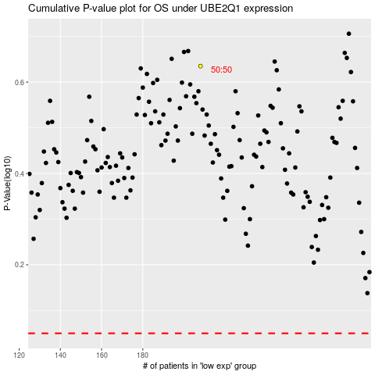

 |  |  |  |  |  | cases_OS | p_OS | rank | exp
 |  |  |  |  |  |  | cases_RFS | p_RFS | rank | exp

